B.1 Established needs
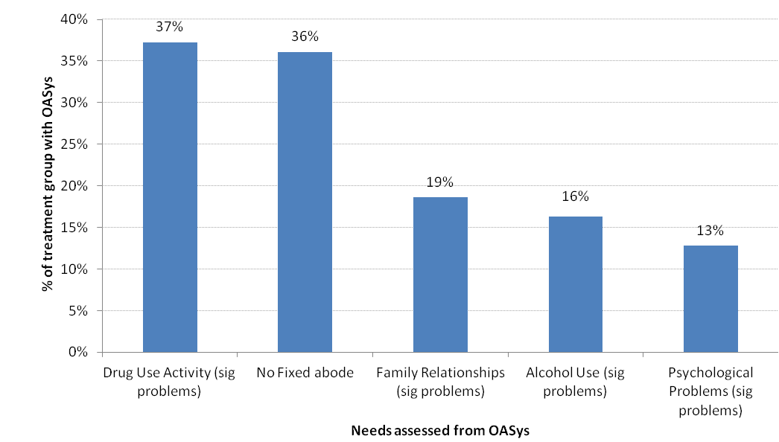
Chart B.1: Profile of treatment group - Established needs (for treatment group offenders with OASys record)

B.2 Combined needs
Chart B.2: Profile of treatment group - Combined needs (for treatment group offenders with OASys record)

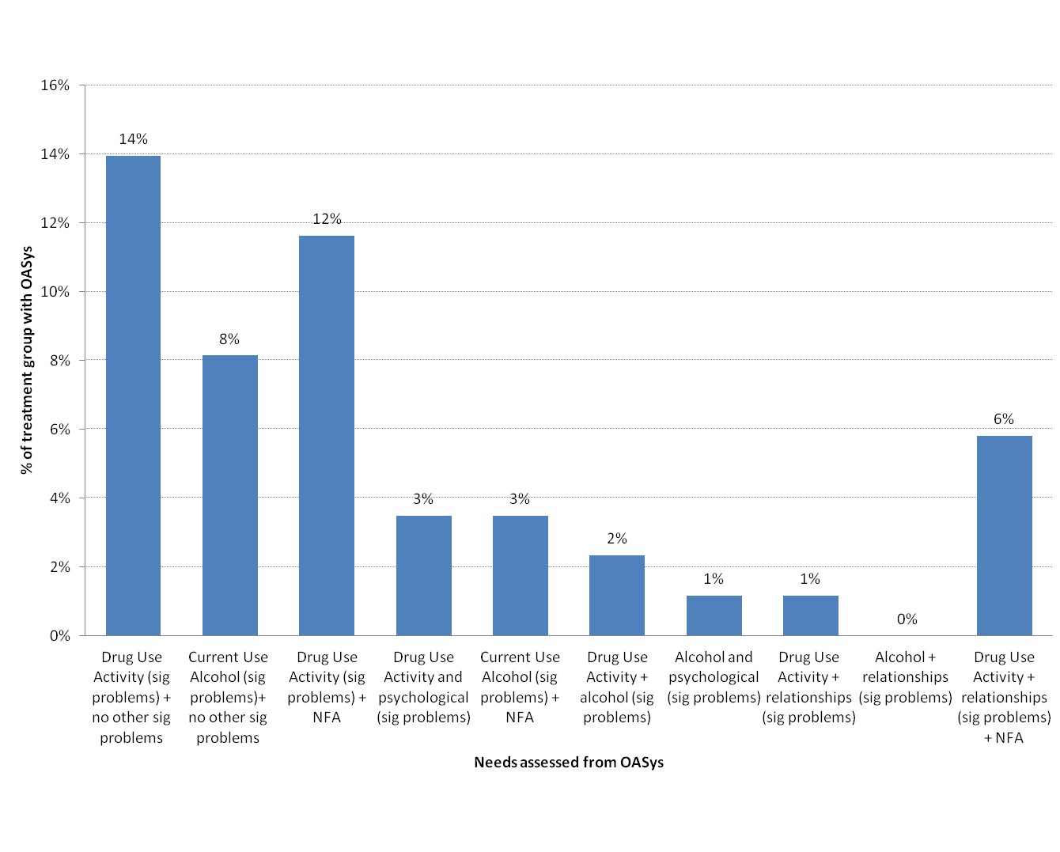

 | NFA is No Fixed Abode

B.3 Substance misuse comparison
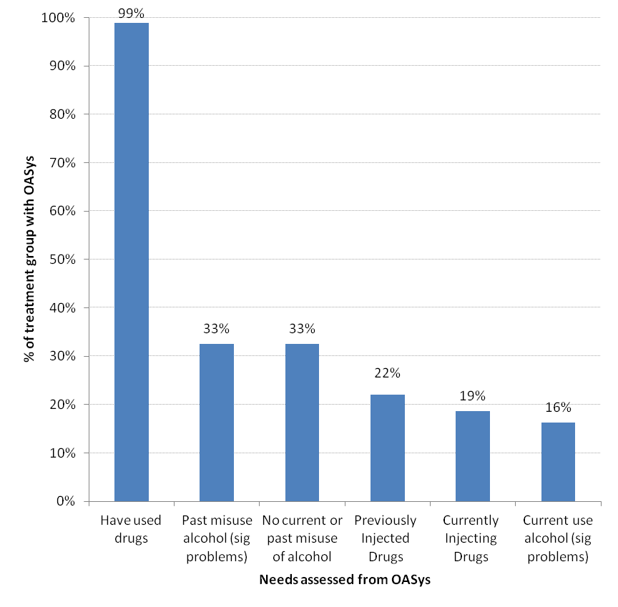
Chart B.3: Profile of treatment group - Comparison between current and previous substance misuse (for treatment group offenders with OASys record)

