Front Page
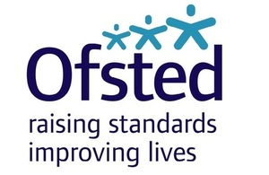

Teacher Track Wave 14 - Ofsted
Fieldwork Dates: 23/09/2015 - 02/10/2015

Conducted by YouGov for Ofsted

© Yougov plc 2015

