3.1 Absolute Poverty (p70)
 | Before Housing Costs | After Housing Costs
1961 | 80.3% | 81.4% | Title: Absolute Child Poverty 1961 to 2011-12 (based on an absolute poverty threshold of 60 per cent of 2010-11 equivalised median income)
1962 | 84.1% | 85.4%
1963 | 79.3% | 80.5%
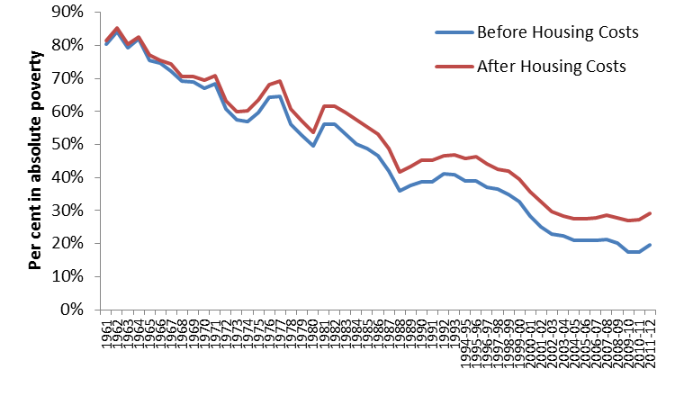
1964 | 81.9% | 82.5%
1965 | 75.5% | 77.0%
1966 | 74.6% | 75.5%
1967 | 72.2% | 74.4%
1968 | 69.2% | 70.5%
1969 | 68.9% | 70.7%
1970 | 67.1% | 69.5%
1971 | 68.4% | 70.9%
1972 | 60.9% | 63.1%
1973 | 57.5% | 60.0%
1974 | 57.0% | 60.3%
1975 | 59.8% | 63.6%
1976 | 64.2% | 68.0%
1977 | 64.5% | 69.2%
1978 | 56.2% | 60.8%
1979 | 52.9% | 57.3%
1980 | 49.7% | 53.8% | Data Source: Institute for Fiscal Studies http://www.ifs.org.uk/fiscalFacts/povertyStats (accessed 3 October 2013)
1981 | 56.2% | 61.6%
1982 | 56.2% | 61.6%
1983 | 53.1% | 59.7%
1984 | 50.1% | 57.5%
1985 | 48.8% | 55.2%
1986 | 46.7% | 53.2%
1987 | 42.1% | 48.7%
1988 | 36.0% | 41.7%
1989 | 37.5% | 43.2%
1990 | 38.7% | 45.3%
1991 | 38.8% | 45.2%
1992 | 41.1% | 46.5%
1993 | 41.0% | 46.8%
1994-95 | 39.0% | 45.9%
1995-96 | 38.9% | 46.3%
1996-97 | 37.2% | 44.1%
1997-98 | 36.4% | 42.6%
1998-99 | 34.9% | 41.9%
1999-00 | 32.7% | 39.5%
2000-01 | 28.4% | 35.8%
2001-02 | 25.1% | 32.7%
2002-03 | 23.0% | 29.8%
2003-04 | 22.4% | 28.4%
2004-05 | 21.0% | 27.4%
2005-06 | 21.1% | 27.6%
2006-07 | 20.9% | 27.8%
2007-08 | 21.3% | 28.7%
2008-09 | 20.2% | 27.7%
2009-10 | 17.5% | 26.9%
2010-11 | 17.5% | 27.3%
2011-12 | 19.5% | 29.2%

3.2 Relative Poverty (p70)
 | Before Housing Costs | After Housing Costs
1961 | 12.9% | 13.4% | Title: Relative Child Poverty 1961 to 2011-12
1962 | 13.6% | 13.6%
1963 | 15.5% | 15.0%
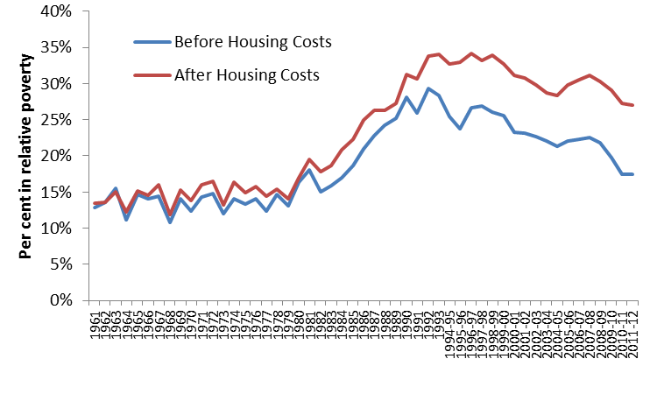
1964 | 11.1% | 12.2%
1965 | 14.7% | 15.2%
1966 | 14.1% | 14.5%
1967 | 14.4% | 16.0%
1968 | 10.8% | 11.9%
1969 | 14.1% | 15.3%
1970 | 12.4% | 13.8%
1971 | 14.3% | 16.0%
1972 | 14.8% | 16.5%
1973 | 12.0% | 13.2%
1974 | 14.0% | 16.3%
1975 | 13.3% | 14.9%
1976 | 14.0% | 15.7%
1977 | 12.3% | 14.4%
1978 | 14.6% | 15.4%
1979 | 13.1% | 14.1%
1980 | 16.3% | 16.9% | Data Source: Institute for Fiscal Studies http://www.ifs.org.uk/fiscalFacts/povertyStats (accessed 3 October 2013)
1981 | 18.1% | 19.5%
1982 | 15.0% | 17.8%
1983 | 15.9% | 18.7%
1984 | 16.9% | 20.8%
1985 | 18.6% | 22.3%
1986 | 20.9% | 24.9%
1987 | 22.8% | 26.3%
1988 | 24.2% | 26.3%
1989 | 25.2% | 27.3%
1990 | 28.1% | 31.3%
1991 | 25.9% | 30.7%
1992 | 29.3% | 33.8%
1993 | 28.4% | 34.0%
1994-95 | 25.4% | 32.7%
1995-96 | 23.7% | 32.9%
1996-97 | 26.7% | 34.1%
1997-98 | 26.9% | 33.2%
1998-99 | 26.0% | 33.9%
1999-00 | 25.6% | 32.7%
2000-01 | 23.3% | 31.1%
2001-02 | 23.1% | 30.8%
2002-03 | 22.6% | 29.8%
2003-04 | 22.1% | 28.7%
2004-05 | 21.3% | 28.4%
2005-06 | 22.0% | 29.8%
2006-07 | 22.3% | 30.5%
2007-08 | 22.5% | 31.1%
2008-09 | 21.8% | 30.3%
2009-10 | 19.7% | 29.1%
2010-11 | 17.5% | 27.3%
2011-12 | 17.4% | 27.0%

3.3 EU Poverty (p71)
 | 2005 | 2011
Romania |  | 32.9% | Title: Relative Child Poverty in the European Union, 2005 and 2011
Bulgaria | 18.0% | 28.9%
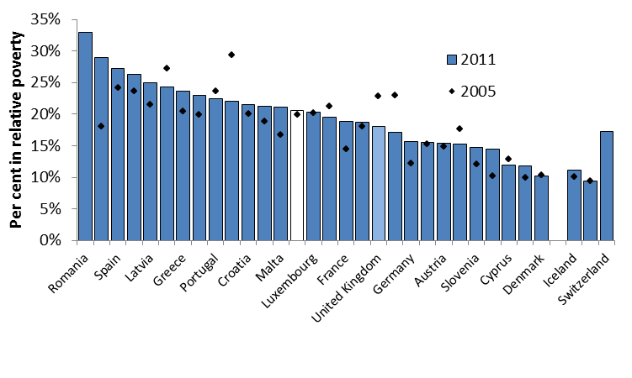
Spain | 24.2% | 27.2%
Italy | 23.6% | 26.3%
Latvia | 21.5% | 25.0%
Lithuania | 27.2% | 24.3%
Greece | 20.4% | 23.7%
Hungary | 19.9% | 23.0%
Portugal | 23.7% | 22.4%
Poland | 29.3% | 22.0%
Croatia | 20.0% | 21.5%
Slovakia | 18.9% | 21.2%
Malta | 16.7% | 21.1%
EU-28 | 19.9% | 20.6%
Luxembourg | 20.2% | 20.3%
Estonia | 21.3% | 19.5%
France | 14.4% | 18.8%
Belgium | 18.1% | 18.7% | Data Source: Number of under 18s living in households with less than 60 per cent of the median equivalised income after social transfers Eurostat (2013)
United Kingdom | 22.9% | 18.0%
Ireland | 23.0% | 17.1%
Germany | 12.2% | 15.6%
Netherlands | 15.3% | 15.5%
Austria | 14.9% | 15.4%
Czech Republic | 17.6% | 15.2%
Slovenia | 12.1% | 14.7%
Sweden | 10.2% | 14.5%
Cyprus | 12.8% | 11.9%
Finland | 10.0% | 11.8%
Denmark | 10.4% | 10.2%

Iceland | 10.1% | 11.2%
Norway | 9.4% | 9.4%
Switzerland |  | 17.3%

3.4 Families in the PRS (p89)
 | Proportion of families in the PRS
1984 | 6.9% | Title: Proportion of households with dependent children living in the private rented sector
1985
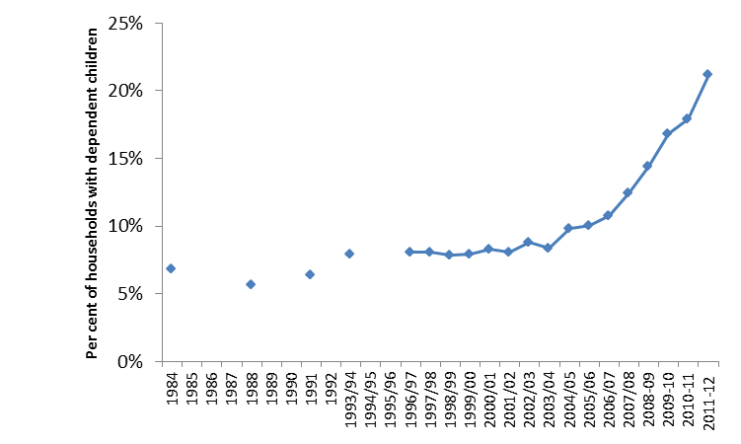
1986
1987
1988 | 5.7%
1989
1990
1991 | 6.4%
1992
1993/94 | 7.9%
1994/95
1995/96
1996/97 | 8.1%
1997/98 | 8.1%
1998/99 | 7.8%
1999/00 | 7.9%
2000/01 | 8.3%
2001/02 | 8.0% | Data Source: Tenure Trends and Cross Tenure Analysis: Table FT1241(S117) - Trends in Tenure Households with Dependent Children, Department for Communities and Local Government, with English Housing Survey 2011 to 2012: Household Report, Table 1.1, Department for Communities and Local Government (2013) for 2011-12 data
2002/03 | 8.8%
2003/04 | 8.3%
2004/05 | 9.8%
2005/06 | 10.1%
2006/07 | 10.8%
2007/08 | 12.4%
2008-09 | 14.4%
2009-10 | 16.8%
2010-11 | 17.9%
2011-12 | 21.2%

3.5 BHC Poverty Risks (p91)
 | Risk of relative poverty before housing costs
Single: full-time | 8% | Title: Risk of relative poverty before housing costs by employment status and family structure, 2011/12
Single: part-time | 17%
Single: not working | 34%
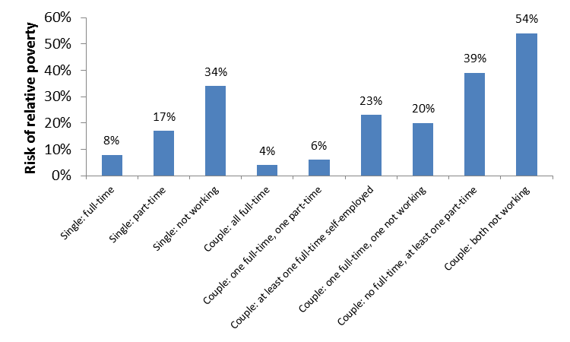
Couple: all full-time | 4%
Couple: one full-time, one part-time | 6%
Couple: at least one full-time self-employed | 23%
Couple: one full-time, one not working | 20%
Couple: no full-time, at least one part-time | 39%
Couple: both not working | 54%

Data Source: Households Below Average Income Survey, Department for Work and Pensions (2013)

3.6 Worklessness (p92)
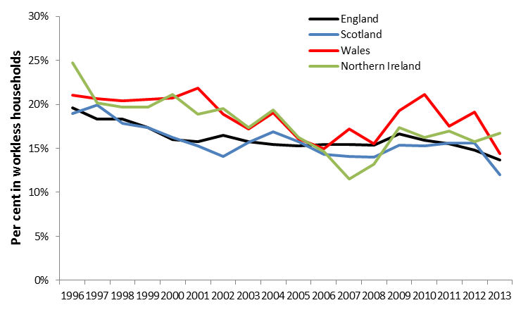
 | England | Scotland | Wales | Northern Ireland | Title: Proportion of children under the age of 16 living in workless households, 1996-2013
1996 | 19.6% | 18.9% | 21.0% | 24.7%
1997 | 18.3% | 20.0% | 20.7% | 20.2%
1998 | 18.3% | 17.9% | 20.4% | 19.7%
1999 | 17.4% | 17.4% | 20.5% | 19.7%
2000 | 16.0% | 16.2% | 20.8% | 21.1%
2001 | 15.7% | 15.3% | 21.8% | 18.9%
2002 | 16.5% | 14.1% | 18.9% | 19.5%
2003 | 15.8% | 15.7% | 17.2% | 17.3%
2004 | 15.4% | 16.9% | 19.0% | 19.3%
2005 | 15.3% | 15.8% | 16.1% | 16.2%
2006 | 15.4% | 14.3% | 14.9% | 14.7%
2007 | 15.4% | 14.1% | 17.2% | 11.5%
2008 | 15.4% | 14.0% | 15.5% | 13.2%
2009 | 16.6% | 15.4% | 19.3% | 17.4%
2010 | 15.9% | 15.3% | 21.1% | 16.3%
2011 | 15.5% | 15.6% | 17.5% | 16.9%
2012 | 14.8% | 15.6% | 19.1% | 15.7%
2013 | 13.6% | 12.0% | 14.4% | 16.7%

Data Source: Working and Workless Households, Office for National Statistics (2013)

3.7 Working Poverty Risks (p93)
 | Working Poverty Risk - Before Housing Costs | Working Poverty Risk - After Housing Costs
1996-97 | 15% | 20% | Title: Trends in relative poverty risks 1996-97 to 2011-12 for families where at least one adult is in employment
1997-98 | 16% | 20%
1998-99 | 16% | 21%
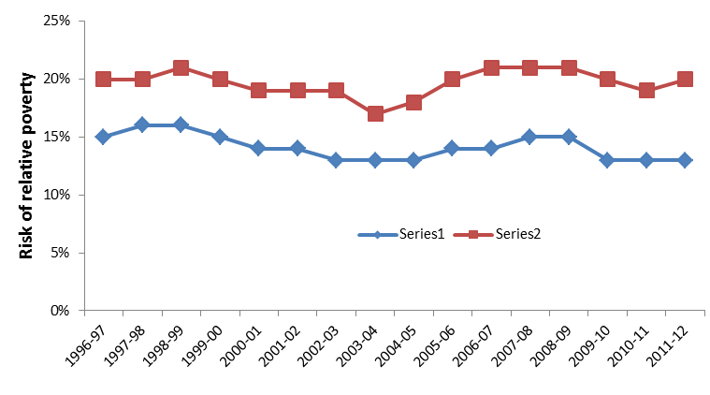
1999-00 | 15% | 20%
2000-01 | 14% | 19%
2001-02 | 14% | 19%
2002-03 | 13% | 19%
2003-04 | 13% | 17%
2004-05 | 13% | 18%
2005-06 | 14% | 20%
2006-07 | 14% | 21%
2007-08 | 15% | 21%
2008-09 | 15% | 21%
2009-10 | 13% | 20%
2010-11 | 13% | 19%
2011-12 | 13% | 20%

Data Source: Households Below Average Income Survey, Department for Work and Pensions (2013)

3.8 Working Poverty (p94)
 | Estimated proportion of all households in working poverty
Lone parent: FT | 4.4% | Title: Estimated composition of working poverty in the United Kingdom, 2011-12
Couple: all in FT | 6.3%
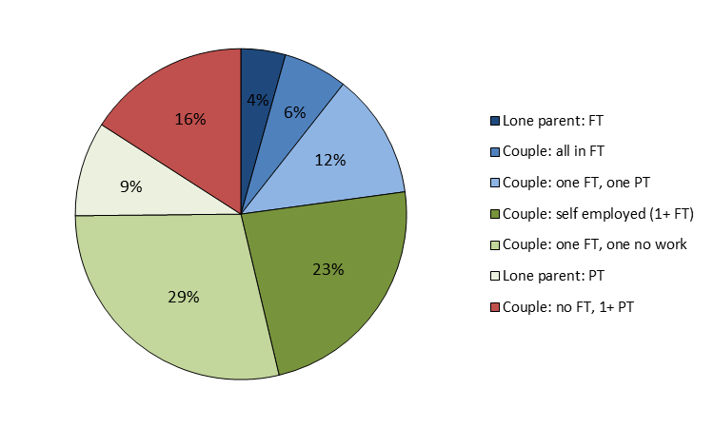
Couple: one FT, one PT | 12.2%
Couple: self employed (1+ FT) | 23.5%
Couple: one FT, one no work | 28.6%
Lone parent: PT | 9.2%
Couple: no FT, 1+ PT | 15.9%

Data Source: Households Below Average Income Survey, Department for Work and Pensions (2013)

3.9 OECD low pay (p94)
 | Per cent of full-time workers paid less than 2/3 of median full-time earnings
Korea | 25.9% | Title: Proportion of full-time workers in low paid employment, OECD 2010 (defined as less than two thirds of median full-time earnings)
United States | 25.3%
Israel | 22.3%
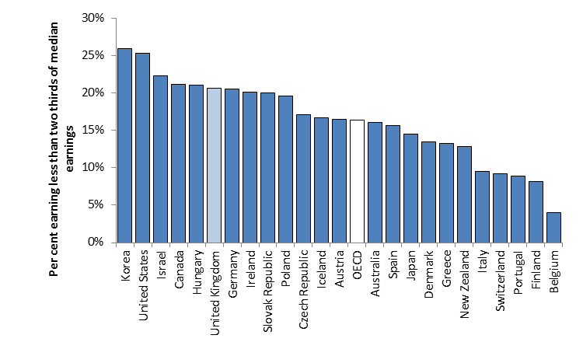
Canada | 21.1%
Hungary | 21.0%
United Kingdom | 20.6%
Germany | 20.5%
Ireland | 20.1%
Slovak Republic | 20.0%
Poland | 19.6%
Czech Republic | 17.1%
Iceland | 16.7%
Austria | 16.5%
OECD | 16.3%
Australia | 16.1%
Spain | 15.6%
Japan | 14.5%
Denmark | 13.4%
Greece | 13.3%
New Zealand | 12.8%
Italy | 9.5%
Switzerland | 9.2%
Portugal | 8.9%
Finland | 8.1%
Belgium | 4.0%

Data Source: Online OECD Employment Database Organisation for Economic Cooperation and Development (2013). Data is unavailable for France, the Netherlands, Norway and Sweden

3.10 Trends in low pay (p95)
Column1 | Low pay: below 2/3 median | Extreme low pay: below 1/2 median | Low pay: below the 'Living Wage'
1968 | 21.7% | 7.3% |  | Title: Trends in the Incidence of Low Pay 1968-2012
1969 | 21.7% | 8.1%
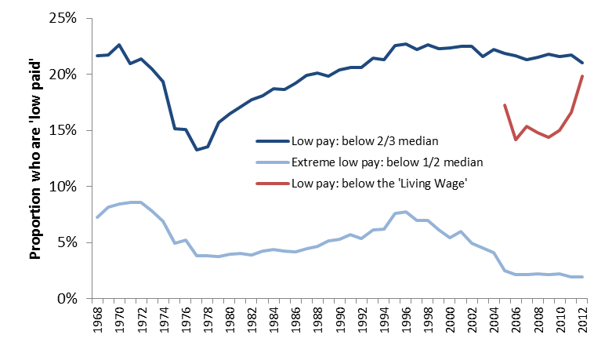
1970 | 22.7% | 8.5%
1971 | 21.0% | 8.6%
1972 | 21.4% | 8.6%
1973 | 20.4% | 7.8%
1974 | 19.4% | 6.9%
1975 | 15.2% | 5.0%
1976 | 15.1% | 5.2%
1977 | 13.2% | 3.8%
1978 | 13.6% | 3.9%
1979 | 15.7% | 3.8%
1980 | 16.5% | 4.0%
1981 | 17.1% | 4.1%
1982 | 17.7% | 3.9%
1983 | 18.1% | 4.3%
1984 | 18.7% | 4.4%
1985 | 18.6% | 4.3%
1986 | 19.2% | 4.2%
1987 | 19.9% | 4.5%
1988 | 20.1% | 4.7% |  |  | Data Source: Hurrell and Whitaker Low Pay Britain 2013 Resolution Foundation (2013)
1989 | 19.9% | 5.2%
1990 | 20.4% | 5.3%
1991 | 20.6% | 5.7%
1992 | 20.6% | 5.4%
1993 | 21.4% | 6.1%
1994 | 21.3% | 6.2%
1995 | 22.6% | 7.6%
1996 | 22.7% | 7.8%
1997 | 22.2% | 7.0%
1998 | 22.6% | 7.0%
1999 | 22.3% | 6.1%
2000 | 22.4% | 5.5%
2001 | 22.5% | 6.0%
2002 | 22.5% | 5.0%
2003 | 21.6% | 4.5%
2004 | 22.2% | 4.1%
2005 | 21.8% | 2.5% | 17.2%
2006 | 21.6% | 2.2% | 14.2%
2007 | 21.3% | 2.2% | 15.4%
2008 | 21.5% | 2.2% | 14.8%
2009 | 21.8% | 2.2% | 14.4%
2010 | 21.6% | 2.2% | 15.0%
2011 | 21.7% | 2.0% | 16.6%
2012 | 21.1% | 1.9% | 19.8%

3.11 IFS Relative Pov (p100)
 | Relative poverty - HBAI | Relative poverty - IFS projections | 2020-21 target
2000-01 | 23.3% |  |  | Title: Institute for Fiscal Studies Projections of Relative Child Poverty Before Housing Costs
2001-02 | 23.1%
2002-03 | 22.6%
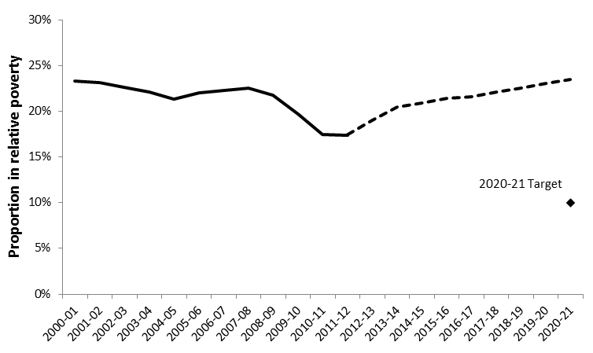
2003-04 | 22.1%
2004-05 | 21.3%
2005-06 | 22.0%
2006-07 | 22.3%
2007-08 | 22.5%
2008-09 | 21.8%
2009-10 | 19.7%
2010-11 | 17.5%
2011-12 | 17.4% | 17.5%
2012-13 |  | 19.0%
2013-14 |  | 20.5%
2014-15 |  | 20.9%
2015-16 |  | 21.4%
2016-17 |  | 21.6%
2017-18 |  | 22.1%
2018-19 |  | 22.6%
2019-20 |  | 23.0%
2020-21 |  | 23.5% | 10%

Data Source: Browne, Hood and Joyce, Child and Working Age Poverty in Northern Ireland from 2010 to 2010 IFS Paper R78, Institute for Fiscal Studies, 2013

3.12 IFS Absolute Pov (p100)
 | Absolute poverty - HBAI | Absolute poverty - IFS projections | 2020-21 target
2000-01 | 28.4% |  |  | Title: Institute for Fiscal Studies Projections of Relative Child Poverty Before Housing Costs
2001-02 | 25.1%
2002-03 | 23.0%
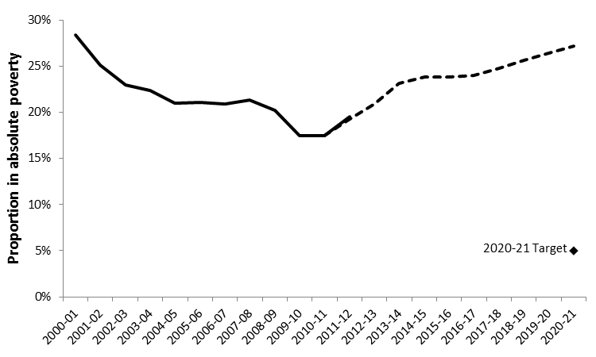
2003-04 | 22.4%
2004-05 | 21.0%
2005-06 | 21.1%
2006-07 | 20.9%
2007-08 | 21.3%
2008-09 | 20.2%
2009-10 | 17.5%
2010-11 | 17.5% | 17.5%
2011-12 | 19.5% | 19.3%
2012-13 |  | 20.9%
2013-14 |  | 23.1%
2014-15 |  | 23.8%
2015-16 |  | 23.8%
2016-17 |  | 24.0%
2017-18 |  | 24.8%
2018-19 |  | 25.6%
2019-20 |  | 26.4%
2020-21 |  | 27.2% | 5%

Data Source: Browne, Hood and Joyce, Child and Working Age Poverty in Northern Ireland from 2010 to 2010 IFS Paper R78, Institute for Fiscal Studies, 2013

3.13 IFS Nations (p101)
 | England and Wales | Scotland | Northern Ireland
2011-12 | 17.3% | 17.6% | 23.6% | Title: Institute for Fiscal Studies Projections for Relative Child Poverty Before Housing Costs, England and Wales, Scotland and Northern Ireland
2012-13 | 18.9% | 17.6% | 24.8%
2013-14 | 20.5% | 18.3% | 26.3%
2014-15 | 20.9% | 18.8% | 27.2%
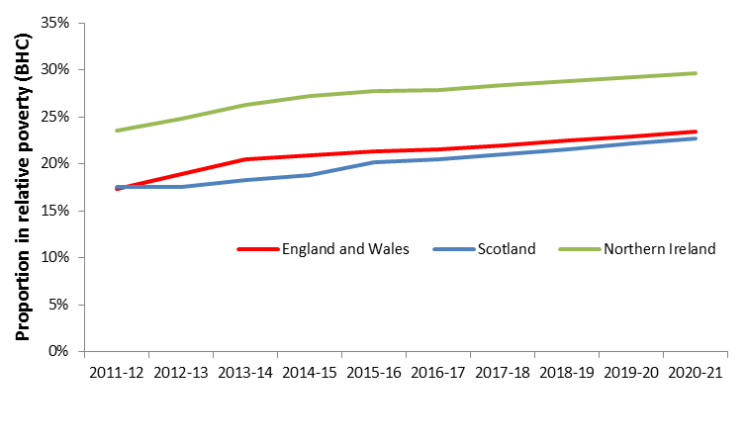
2015-16 | 21.3% | 20.2% | 27.8%
2016-17 | 21.5% | 20.5% | 27.9%
2017-18 | 22.0% | 21.1% | 28.4%
2018-19 | 22.5% | 21.6% | 28.8%
2019-20 | 22.9% | 22.2% | 29.3%
2020-21 | 23.4% | 22.7% | 29.7%

Data Source: Browne, Hood and Joyce, Child and Working Age Poverty in Northern Ireland from 2010 to 2010 IFS Paper R78, Institute for Fiscal Studies, 2013

