Stable Family (p51)
Proportion of children who have a stable family free from breakdown, and the proportion of such families reporting a good quality relationship.

- Data for this indicator is not available, instead a measurement is used for the percentage of children not living with both of their parents by age of child

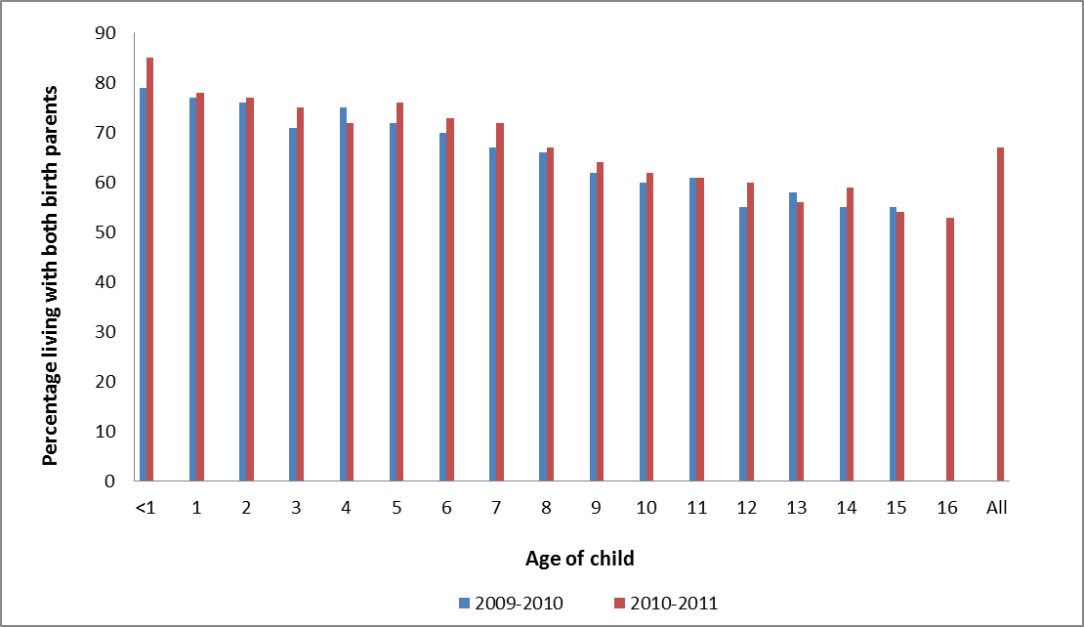
 | 2009-2010 |  |  | 2010-2011
Age | Living with both birth parents | Not living with both birth parents | Unweighted base | Living with both birth parents | Not living with both birth parents | Unweighted base

<1 | 79 | 21 | 1191 | 85 | 15 | 741

1 | 77 | 23 | 1110 | 78 | 22 | 883

2 | 76 | 24 | 1198 | 77 | 23 | 883

3 | 71 | 29 | 1178 | 75 | 25 | 920

4 | 75 | 25 | 1109 | 72 | 28 | 893

5 | 72 | 28 | 1082 | 76 | 24 | 860

6 | 70 | 30 | 1031 | 73 | 27 | 855

7 | 67 | 33 | 1017 | 72 | 28 | 809

8 | 66 | 34 | 1091 | 67 | 33 | 808

9 | 62 | 38 | 997 | 64 | 36 | 854

10 | 60 | 40 | 1115 | 62 | 38 | 812

11 | 61 | 39 | 1102 | 61 | 39 | 870

12 | 55 | 45 | 1049 | 60 | 40 | 885

13 | 58 | 42 | 1118 | 56 | 44 | 833

14 | 55 | 45 | 1061 | 59 | 41 | 890

15 | 55 | 45 | 1136 | 54 | 46 | 860

16 | .. | .. | .. | 53 | 47 | 931

All | .. | .. | .. | 67 | 33 | 14587

.. Data unavailable

Data Source: Department for Work and Pensions (2012 and 2013) Ad Hoc Statistical Analysis: Percentage of Children Living With Both Birth Parents

School Attainment (p52-53)
Extent to which disadvantaged children achieve the same educational outcomes as more advantaged background peers

Key stage 2: Percentage of pupils achieving level 4 or above in English and maths

 | 2005 | 2006 | 2007 | 2008 | 2009 | 2010 | 2011 | 2012

All other pupils | 73.3 | 73.8 | 74.8 | 76.4 | 75.7 | 77.1 | 77.9 | 82.5

FSM | 47.8 | 48.7 | 51.0 | 54.1 | 53.6 | 55.8 | 57.9 | 65.7

Attainment gap | 25.5 | 25.1 | 23.8 | 22.3 | 22.1 | 21.3 | 20.0 | 16.8

Note that 2012 data at key stage 2 is not comparable to earlier years due to changes in testing methods in English: we estimate about half of the decrease in the gap between 2011 and 2012 was due to the switch from reading and writing tests in 2011 to reading tests and writing teacher assessments in 2012.

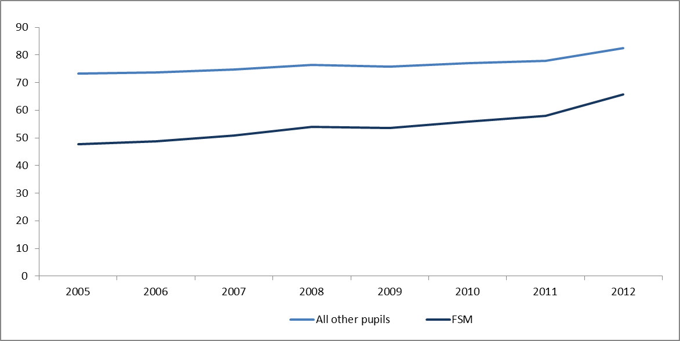

Key stage 4: percentage of pupils achieving A*-C in English and maths GCSEs

 | 2005 | 2006 | 2007 | 2008 | 2009 | 2010 | 2011 | 2012

All other pupils | 47.5 | 49.5 | 50.5 | 52.4 | 54.8 | 59.3 | 62.5 | 63.0

FSM | 19.0 | 21.5 | 22.3 | 24.4 | 27.1 | 31.7 | 35.1 | 36.8

Attainment gap | 28.5 | 28.0 | 28.2 | 28.0 | 27.7 | 27.6 | 27.4 | 26.2

Relative chance | 2.5 | 2.3 | 2.3 | 2.1 | 2.0 | 1.9 | 1.8 | 1.7

Note that 2011 and 2012 data includes English and maths iGCSEs as well as GCSEs.

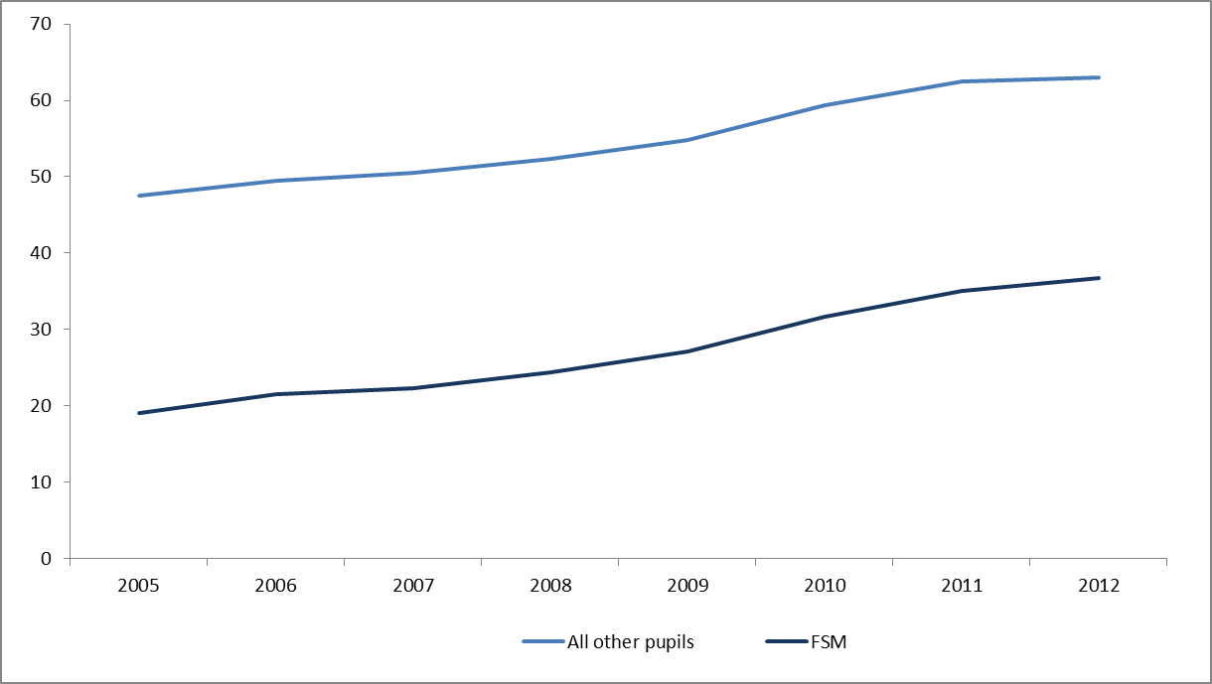

Data Source: Unpublished data from the Department for Education on Key Stage 2 and Key Stage 4 results

Young Offenders (p54)
Percentage of youth offenders who go on to reoffend.

 | 2000 | 2002 | 2003 | 2004 | 2005 | 12 months ending June 2006 | 12 months ending June 2007 | 12 months ending June 2008 | 12 months ending June 2009 | 12 months ending June 2010 | 12 months ending June 2011

Proportion of offenders who re-offend (%) | 33.7 | 33.4 | 34.3 | 33.6 | 33.6 | 33.7 | 33.1 | 32.7 | 32.6 | 34.1 | 36.0

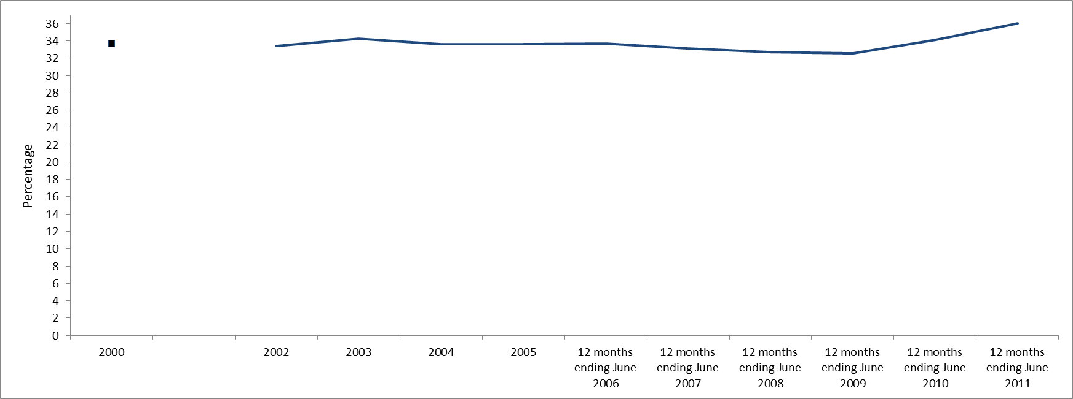

Data Source: Department for Work and Pensions (2013) Social Justice Outcomes Framework

LT Benefit Receipt (p55)
Proportion of benefit claimants who have received working-age benefits for at least 3 out of 4 past years, with a focus on those capable of work

 | Claimants in receipt of one or more of the main working-age DWP benefits as at 31 March (1) for a total period of at least three out of the preceding four years as a per cent of the population | Claiming ESA (Support Group), IB or IS (excluding lone parents), on 31 March of the relevant year for a total period of at least three out of the preceding four years as a per cent of the population | Claiming JSA, ESA (Assessment phase or WRAG) or lS for lone parents, on 31 March of the relevant year for a total period of at least three out of the preceding four years as a per cent of the population
2006 | 8.5 | 6.3 | 2.2
2007 | 8.4 | 6.2 | 2.2
2008 | 8.2 | 6.1 | 2
2009 | 8.1 | 6 | 2.1
2010 | 8.1 | 5.8 | 2.3
2011 | 8 | 5.6 | 2.4
2012 | 8.1 | 4.9 | 3.3

1) The main working age benefits include Jobseeker’s Allowance, Incapacity Benefit / Severe Disablement Allowance, Employment and Support Allowance, Income Support. Figures include some people working less than 16 hours and on one of the benefits listed.

Figures exclude those who would have been under 18 years old on 1 April 2008 or aged 60 or over on 31 March 2012.

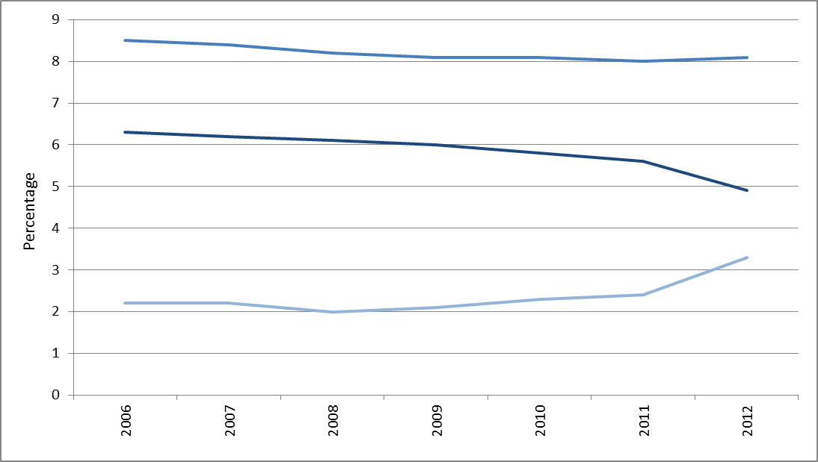

Data Source: Department for Work and Pensions (2013) Social Justice Outcomes Framework

Drug Treatment (p56)
Improved outcomes for those in drug/alcohol treatment

- Of those who have entered drug or alcohol treatment in the past three years: the proportion who have exited successfully and not returned during that time; the proportion who were in employment on the date that period ended; the proortion who had not been convicted with a criminal offence bythe date that period ended; the proportion who achieved all three of the above.

 | 2005-2008 | 2006-2009 | 2007-2010 | 2008-2011 | 2009-2012
Drug treatment | 16 | 22 | 27 | 33 | 39
Alcohol treatment |  |  |  | 39 | 42

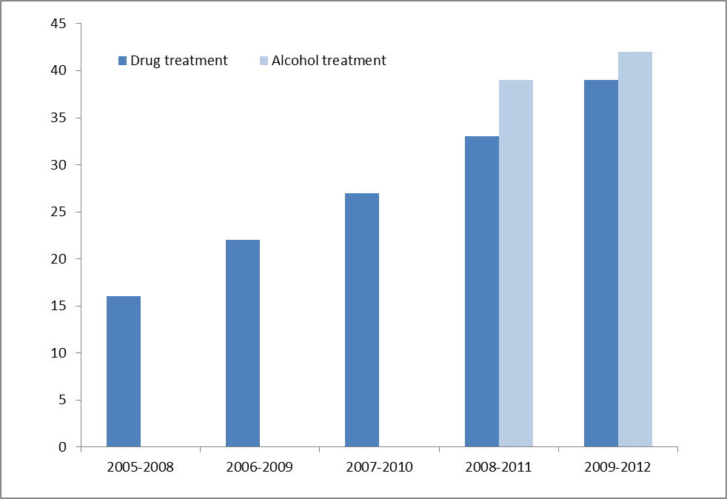

Percentage of clients

Data Source: Department for Work and Pensions (2013) Social Justice Outcomes Framework. Based on unpublished data underpinning Figure 5 provided to the Commission by the Department for Work and Pensions

Reoffending (p57)
Improved outcomes for ex-offenders

The proportion of ex-offenders who do not re-offend within 12 months

 | 2000 | 2001 | 2002 | 2003 | 2004 | 2005 | 2006 | 2007 | 2008 | 2009 | 2010

Percentage | 73.8 |  | 72.4 | 73.1 | 74.5 | 75.1 | 75.4 | 75.2 | 74.6 | 75.1 | 74.7

Data are not available for 2001 due to a problem with the archived data on Court Orders
Data cannot yet be reported against the indicators looking at work and benefit receipt
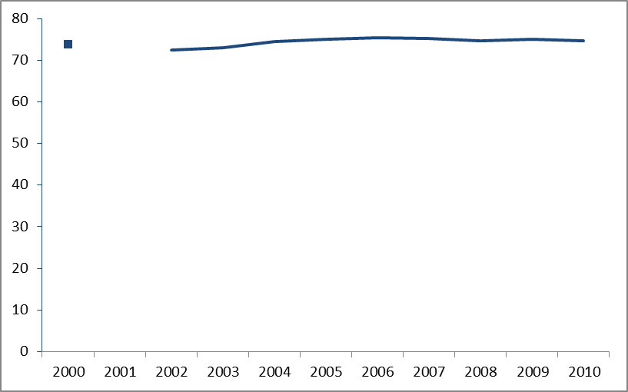

Data Source: Department for Work and Pensions (2013) Social Justice Outcomes Framework

