F2.6
Figure 2.6 Percentage of pupils achieving each PISA level in the 2012 mathematics assessment
 | < L1 | L1 | L2 | L3 | L4 | L5 | L6
OECD Average | 8.0219341109 | 14.982851961 | 22.463233345 | 23.738154174 | 18.152897506 | 9.3354046976 | 3.3055242058
England | 7.9652667292 | 13.682359908 | 22.792513106 | 24.543364907 | 18.66553185 | 9.2974516332 | 3.0535118665

 | OECD Average | England
< L1 | 8.0 | 8.0
L1 | 15.0 | 13.7
L2 | 22.5 | 22.8
L3 | 23.7 | 24.5
L4 | 18.2 | 18.7
L5 | 9.3 | 9.3
L6 | 3.3 | 3.1

F2.7
Figure 2.7 Percentage of pupils at each level in England for each mathematics subscale
 | <L 1 | L1 | L2 | L3 | L4 | L5 | L6
Interpret | 8.472662624 | 13.219172629 | 20.229475525 | 23.294326255 | 19.24864572 | 10.623618286 | 4.9120989606
Employ | 8.0465285565 | 14.574336485 | 22.362441866 | 24.980439569 | 18.384670997 | 8.975736791 | 2.6758457357
Formulate | 10.500824556 | 15.128563831 | 21.943619611 | 21.820850471 | 16.38458367 | 9.6174659165 | 4.6040919444
Space and shape | 11.899178627 | 17.149135139 | 23.487384934 | 22.57344773 | 14.801568552 | 7.2351121153 | 2.8541729031
Change and relationships | 8.4304271833 | 13.508835634 | 21.875709227 | 23.836410016 | 17.880920056 | 10.328615326 | 4.1390825581
Uncertainty and data | 7.039923547 | 13.088754352 | 20.911042069 | 24.237571937 | 20.050636838 | 10.522348493 | 4.1497227639
Quantity | 9.583178808 | 14.148733674 | 20.764789203 | 22.698025992 | 18.592930115 | 10.125597882 | 4.086744326
Mathematics overall | 7.9652667292 | 13.682359908 | 22.792513106 | 24.543364907 | 18.66553185 | 9.2974516332 | 3.0535118665

 | <L 1 | L1 | L2 | L3 | L4 | L5 | L6
Interpret | 8.5 | 13.2 | 20.2 | 23.3 | 19.2 | 10.6 | 4.9
Employ | 8.0 | 14.6 | 22.4 | 25.0 | 18.4 | 9.0 | 2.7
Formulate | 10.5 | 15.1 | 21.9 | 21.8 | 16.4 | 9.6 | 4.6
Space and shape | 11.9 | 17.1 | 23.5 | 22.6 | 14.8 | 7.2 | 2.9
Change and relationships | 8.4 | 13.5 | 21.9 | 23.8 | 17.9 | 10.3 | 4.1
Uncertainty and data | 7.0 | 13.1 | 20.9 | 24.2 | 20.1 | 10.5 | 4.1
Quantity | 9.6 | 14.1 | 20.8 | 22.7 | 18.6 | 10.1 | 4.1
Mathematics overall | 8.0 | 13.7 | 22.8 | 24.5 | 18.7 | 9.3 | 3.1

F7.1
Figure 7.1 Percentages at PISA mathematics levels
 | <L1 | #REF! | L1 | #REF! | L2 | #REF! | L3 | #REF! | L4 | #REF! | L5 | #REF!
Scotland | 4.9486660683 |  | 13.33927994 |  | 24.794770345 |  | 27.243224873 |  | 18.840706209 |  | 8.4755617339
England | 7.9652667292 |  | 13.682359908 |  | 22.792513106 |  | 24.543364907 |  | 18.66553185 |  | 9.2974516332
Northern Ireland | 8.579949026 |  | 15.542398202 |  | 23.805559617 |  | 24.293840297 |  | 17.485731353 |  | 8.1180971066
Wales | 9.5964441876 |  | 19.390740406 |  | 27.472688396 |  | 25.090978663 |  | 13.146004473 |  | 4.2904084342
OECD average | 8.0219341109 |  | 14.982851961 |  | 22.463233345 |  | 23.738154174 |  | 18.152897506 |  | 9.3354046976

 | <L1 | L1 | L2 | L3 | L4 | L5 | L6
Scotland | 4.9 | 13.3 | 24.8 | 27.2 | 18.8 | 8.5 | 2.4
England | 8.0 | 13.7 | 22.8 | 24.5 | 18.7 | 9.3 | 3.1
Northern Ireland | 8.6 | 15.5 | 23.8 | 24.3 | 17.5 | 8.1 | 2.2
Wales | 9.6 | 19.4 | 27.5 | 25.1 | 13.1 | 4.3 | 1.0
OECD average | 8.0 | 15.0 | 22.5 | 23.7 | 18.2 | 9.3 | 3.3

F7.2
Figure 7.2 Percentages at PISA science levels
 | <L1 | #REF! | L1 | #REF! | L2 | #REF! | L3 | #REF! | L4 | #REF! | L5 | #REF!
Scotland | 2.6732103687 | 0 | 9.3887079069 | 0 | 24.905869711 | 0 | 32.375301175 | 0 | 21.8330981 | 0 | 7.5231681915 | 0
England | 4.3318111906 | 0 | 10.592352234 | 0 | 21.895564716 | 0 | 28.018644831 | 0 | 23.403642805 | 0 | 9.8126729653 | 0
Northern Ireland | 4.6877245888 | 0 | 12.103844607 | 0 | 23.683625965 | 0 | 27.805063935 | 0 | 21.424411227 | 0 | 8.2653645825 | 0
Wales | 5.1694532996 | 0 | 14.155139276 | 0 | 27.141332367 | 0 | 29.525720204 | 0 | 18.382734863 | 0 | 4.8575736541 | 0
OECD average | 4.7671040616 | 0 | 12.986433341 | 0 | 24.548022404 | 0 | 28.826052325 | 0 | 20.481671592 | 0 | 7.2394014642 | 0

 | <L1 | L1 | L2 | L3 | L4 |  | L5 | L6
Scotland | 2.7 | 9.4 | 24.9 | 32.4 | 21.8 | 1.0 | 7.5 | 1.3
England | 4.3 | 10.6 | 21.9 | 28.0 | 23.4 | 1.1 | 9.8 | 1.9
Northern Ireland | 4.7 | 12.1 | 23.7 | 27.8 | 21.4 | 1.3 | 8.3 | 2.0
Wales | 5.2 | 14.2 | 27.1 | 29.5 | 18.4 | 0.9 | 4.9 | 0.8
OECD average | 4.8 | 13.0 | 24.5 | 28.8 | 20.5 | 0.2 | 7.2 | 1.2

F7.3
Figure 7.3 Percentages at PISA reading levels
 | <L1b | L1b | L1a | L2 | L3 | L4 | L5 | L6
Scotland | 0.47774520677 | 2.7467915701 | 9.2596964709 | 23.926722634 | 33.760048091 | 21.950817276 | 6.9382436425 | 0.93993510846
England | 1.5862912183 | 4.0485137354 | 11.1474267 | 23.090258818 | 29.506158594 | 21.50802523 | 7.7689236388 | 1.3444020664
Northern Ireland | 1.1044501951 | 4.1075036477 | 11.471645039 | 24.425012503 | 29.809711554 | 20.787051291 | 7.1106534877 | 1.1839722821
Wales | 1.0358075615 | 4.8518400635 | 14.734811448 | 28.507651707 | 29.836747575 | 16.324293676 | 4.2152568364 | 0.49359113288
OECD average | 1.3203337442 | 4.381955317 | 12.259437179 | 23.45945619 | 29.096824812 | 21.03739125 | 7.3242901108 | 1.120311397

 | <L1b | L1b | L1a | L2 | L3 | L4 | L5 | L6
Scotland | 0.5 | 2.7 | 9.3 | 23.9 | 33.8 | 22.0 | 6.9 | 0.9
England | 1.6 | 4.0 | 11.1 | 23.1 | 29.5 | 21.5 | 7.8 | 1.3
Northern Ireland | 1.1 | 4.1 | 11.5 | 24.4 | 29.8 | 20.8 | 7.1 | 1.2
Wales | 1.0 | 4.9 | 14.7 | 28.5 | 29.8 | 16.3 | 4.2 | 0.5
OECD average | 1.3 | 4.4 | 12.3 | 23.5 | 29.1 | 21.0 | 7.3 | 1.1

F8.1
Figure 8.1 Percentage of pupils achieving each PISA level in the 2012 problem solving assessment

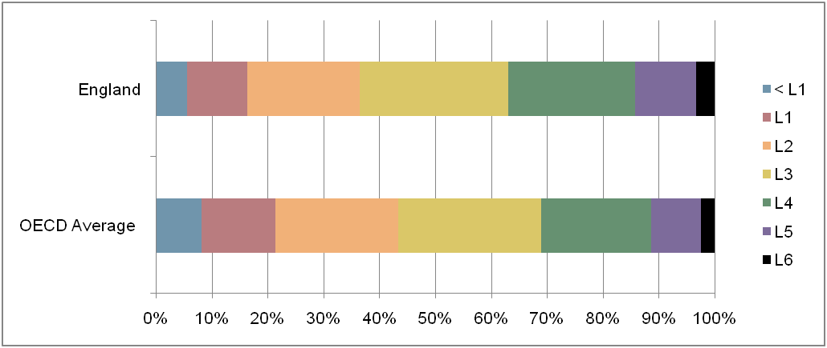

 | OECD Average | England
< L1 | 8.2 | 5.5
L1 | 13.2 | 10.8
L2 | 22.0 | 20.2
L3 | 25.6 | 26.5
L4 | 19.6 | 22.7
L5 | 8.9 | 10.9
L6 | 2.5 | 3.3

