Low birth weight (p32)
Low birth weight - gap between social classes 1-4 and 5-8

 | 1999 | 2000 | 2001 | 2002 | 2003 | 2004 | 2005 | 2006 | 2007 | 2008 | 2009 | 2010 | 2011

More advantaged groups (NS-SEC 1-4) | 7.4 | 7.3 | 7.3 | 6.6 | 6.6 | 6.6 | 6.4 | 6.6 | 6.3 | 6.5 | 6.4 | 6.2 | 6.5

Less advantaged groups (NS-SEC 5-8) | 9.5 | 8.1 | 10.1 | 8.5 | 8.5 | 8.2 | 8.6 | 8.1 | 7.7 | 7.8 | 7.2 | 7.2 | 7.1

Gap | 2.1 | 0.8 | 2.8 | 1.9 | 1.9 | 1.6 | 2.2 | 1.5 | 1.4 | 1.3 | 0.8 | 1.0 | 0.6

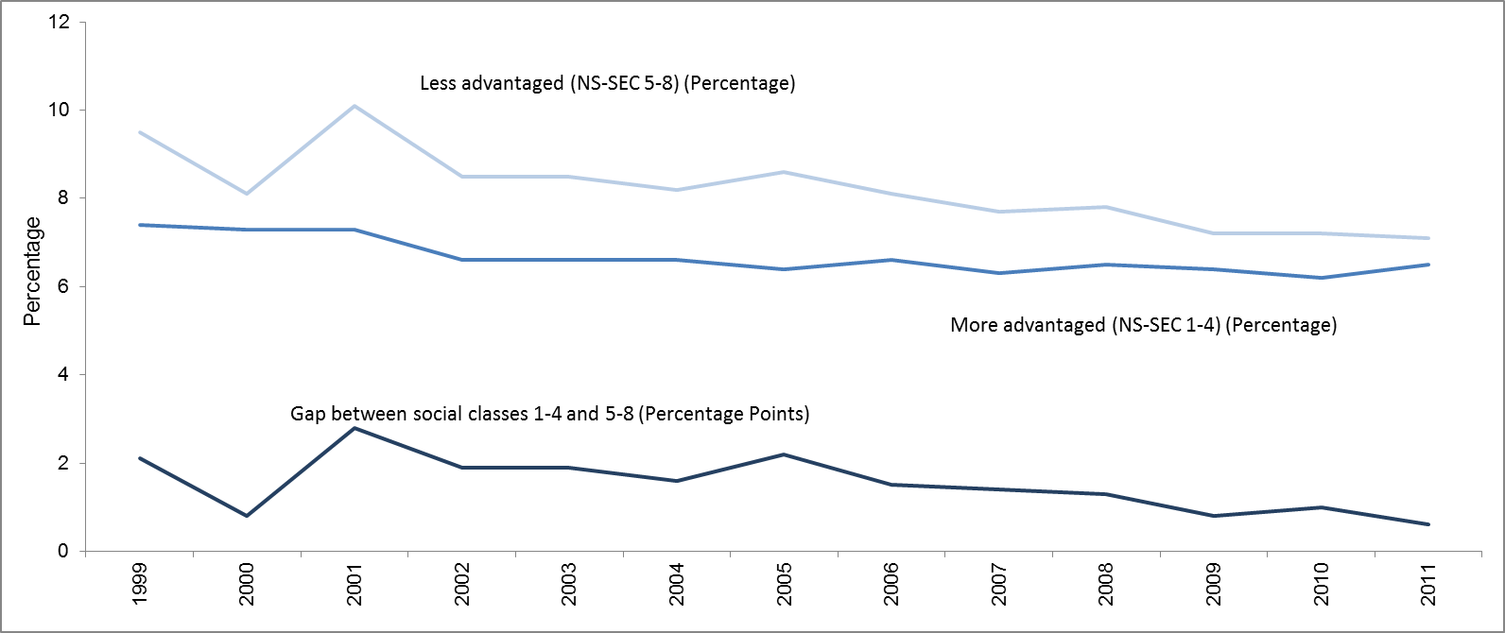

Data Source: Office for National Statistics (2012): Childhood, infant and perinatal mortality in England and Wales

School readiness - EYFS (p34)
School readiness - proportion of children achieving a ‘good level of development’ in Early Years Foundation Stage, by FSM eligibility

 | 2006-2007 | 2007-2008 | 2008-2009 | 2009-2010 | 2010-2011 | 2011-2012

Free school meals | 27.9 | 31.5 | 34.5 | 39.5 | 43.7 | 48.2

All other pupils | 49.1 | 52.1 | 54.8 | 59.0 | 62.1 | 67.0

Gap | 21.1 | 20.6 | 20.3 | 19.5 | 18.4 | 18.8

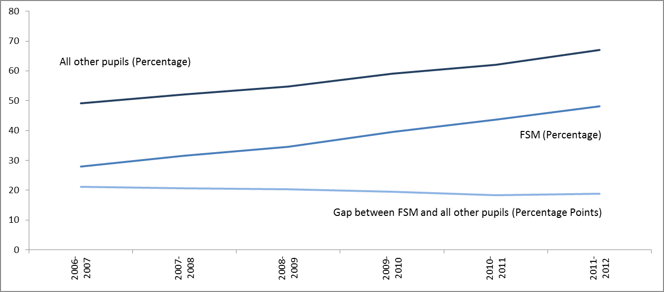

Data Source: Department for Education (2012), Early Years Foundation Stage Profile by Pupil Characteristics in England

School - Age 11 (p36)
Social Mobility: Indicator 20

Attainment at 11 – proportion of children achieving level 4 in both English and Maths (‘basics’) at end of KS2 by FSM eligibility.

 | 2005 | 2006 | 2007 | 2008 | 2009 | 2010 | 2011 | 2012

All other pupils | 73.3 | 73.8 | 74.8 | 76.4 | 75.7 | 77.1 | 77.9 | 82.5

FSM | 47.8 | 48.7 | 51.0 | 54.1 | 53.6 | 55.8 | 57.9 | 65.7

Attainment gap | 25.5 | 25.1 | 23.8 | 22.3 | 22.1 | 21.3 | 20.0 | 16.8

Relative chance | 1.5 | 1.5 | 1.5 | 1.4 | 1.4 | 1.4 | 1.3 | 1.3

Note that 2012 data at key stage 2 is not comparable to earlier years due to changes in testing methods in English: we estimate about half of the decrease in the gap between 2011 and 2012 was due to the switch from reading and writing tests in 2011 to reading tests and writing teacher assessments in 2012.

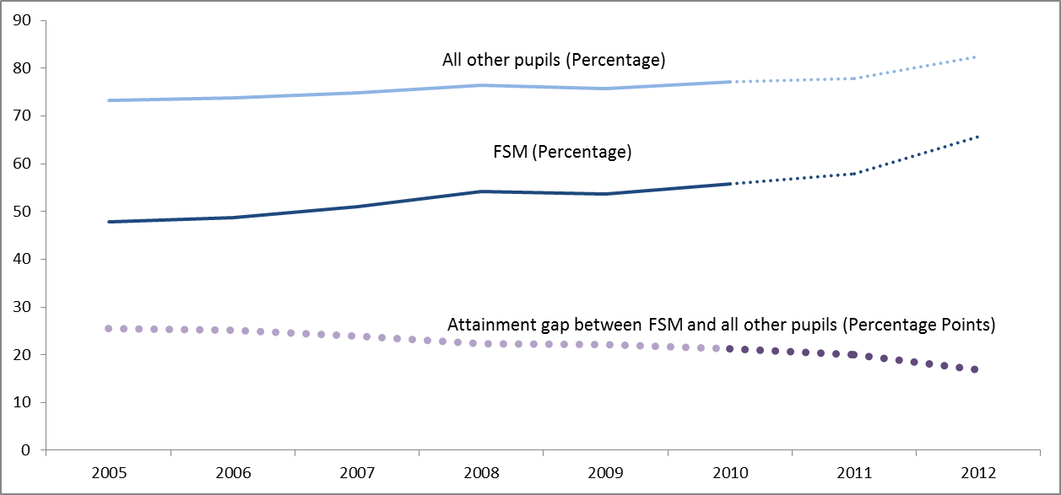

Data Source: Unpublished data from the Department for Education

School - Age 16 FSM (p37)
Attainment at 16 – proportion of children achieving A*-C in English and maths, by free school meal eligibility

 | 2005 | 2006 | 2007 | 2008 | 2009 | 2010 | 2011 | 2012

All other pupils | 47.5 | 49.5 | 50.5 | 52.4 | 54.8 | 59.3 | 62.5 | 63.0

FSM | 19.0 | 21.5 | 22.3 | 24.4 | 27.1 | 31.7 | 35.1 | 36.8

Attainment gap | 28.5 | 28.0 | 28.2 | 28.0 | 27.7 | 27.6 | 27.4 | 26.2

Relative Chance | 2.5 | 2.3 | 2.3 | 2.1 | 2.0 | 1.9 | 1.8 | 1.7

Note that 2011 and 2012 data includes English and maths iGCSEs as well as GCSEs.
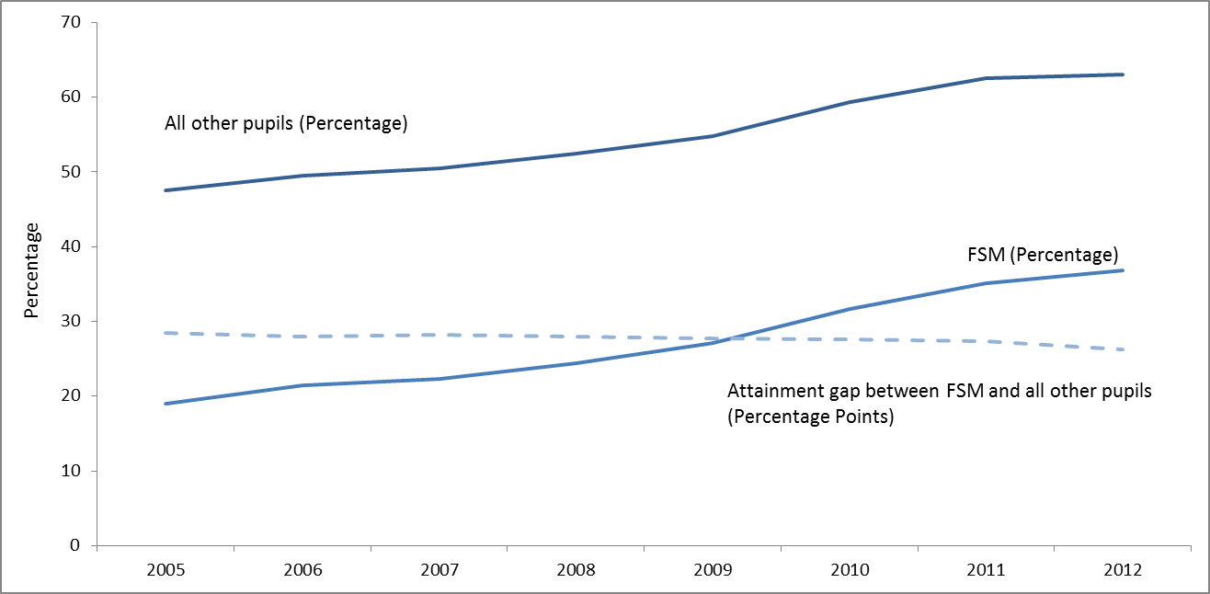

Data Source: Unpublished data from the Department for Education

School - Age 16 School (p38)
Attainment at 16 – proportion of children achieving A*-C in English and maths by 10% most advantaged and least advantaged schools

 | 2009-2010 | 2010-2011 | 2011-2012

Most deprived 10% | 36.9 | 42.9 | 44.3

Least deprived 10% | 80.0 | 83.3 | 81.5

Gap | 43.1 | 40.3 | 37.2

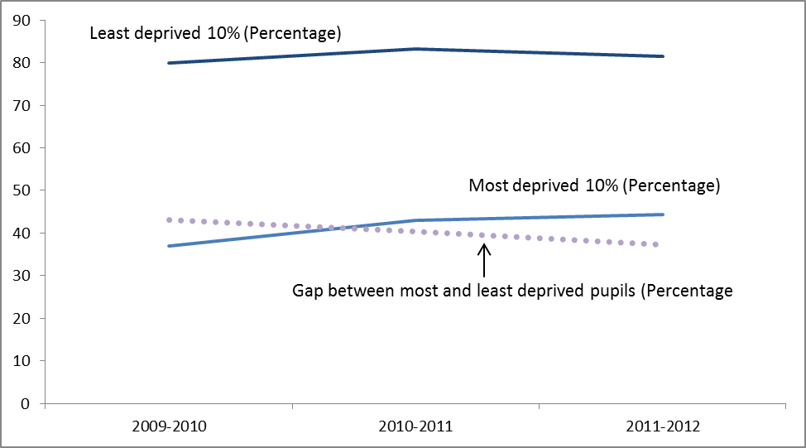

Data Source: HM Government, Social Mobility Indicators (https://www.gov.uk/government/publications/social-mobility-indicators) and Department for Education (2013) GCSE and Equivalent Attainment by Pupil Characteristics in England

School - Age 19 (p39-41)
Attainment at 19 by FSM at 15

Level 3 at 19 through 2+ A-levels/ International Baccalaureate

 | 19 in..
 | 2005 | 2006 | 2007 | 2008 | 2009 | 2010 | 2011 | 2012

Eligible for FSM | 14.3 | 14.4 | 14.0 | 13.7 | 14.3 | 14.7 | 15.2 | 15.6

Not eligible for FSM | 37.0 | 36.3 | 35.8 | 34.9 | 35.2 | 35.5 | 36.8 | 37.5

Gap | 22.7 | 21.9 | 21.8 | 21.3 | 20.9 | 20.8 | 21.7 | 21.9

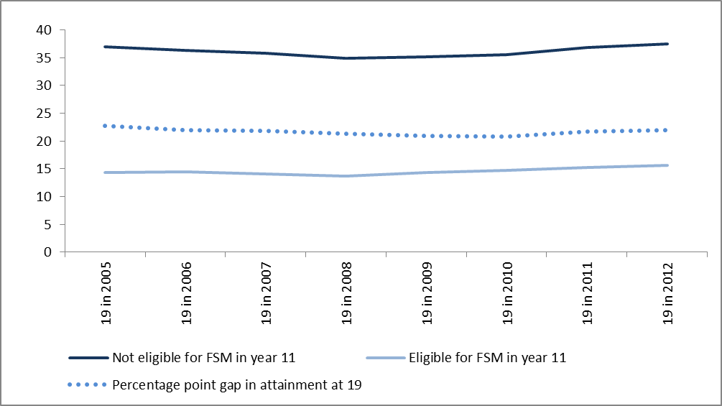

Level 3 at 19 through other qualifications

 | 19 in..
 | 2005 | 2006 | 2007 | 2008 | 2009 | 2010 | 2011 | 2012

Eligible for FSM | 5.5 | 6.6 | 8.7 | 10.8 | 12.4 | 14.9 | 16.7 | 18.4

Not eligible for FSM | 9.3 | 10.9 | 12.6 | 14.7 | 16.1 | 18.3 | 19.8 | 20.7

Gap | 3.8 | 4.3 | 3.9 | 3.9 | 3.7 | 3.4 | 3.1 | 2.3

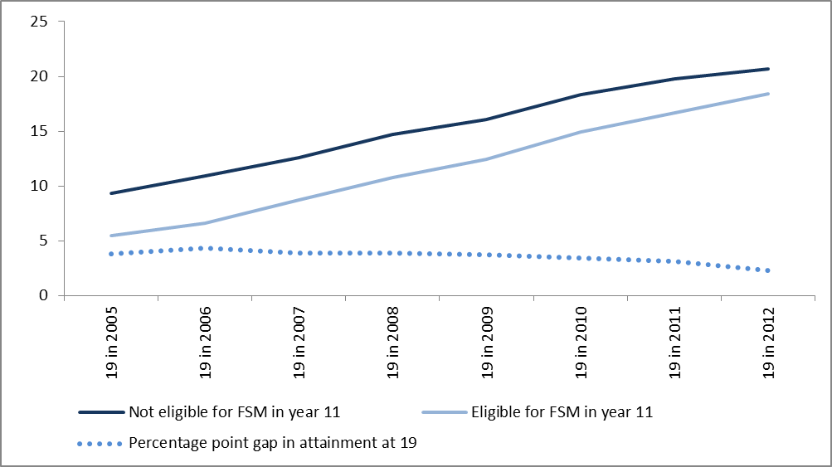

Proportion of children in maintained schools at age 15 who achieve level 3 qualifications (at least 2 A-Levels or equivalent) by age 19, by free school meal eligibility at age 15

 | 19 in..
 | 2005 | 2006 | 2007 | 2008 | 2009 | 2010 | 2011 | 2012

Eligible for FSM | 19.9 | 20.9 | 22.7 | 24.5 | 26.8 | 29.6 | 31.9 | 34.0

Not eligible for FSM | 46.3 | 47.2 | 48.4 | 49.7 | 51.3 | 53.8 | 56.6 | 58.1

Gap | 26.4 | 26.3 | 25.7 | 25.2 | 24.6 | 24.2 | 24.8 | 24.2

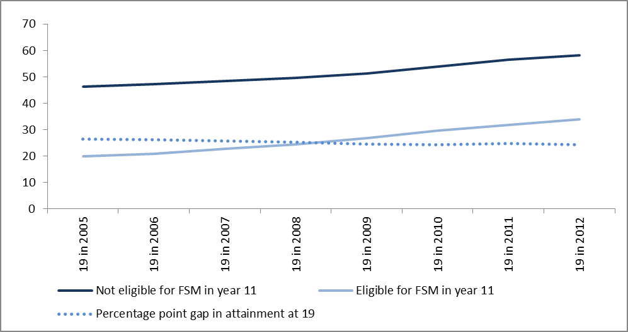

Data Source: Department for Education (2013) Attainment by Young People in England Using Matched Administrative Data by Age 19 in 2012

School - Age 19 AAB (p42)
High attainment by school type – proportion of children studying A-levels at 17 who get AAB in three "facilitating subjects" by school type.

 | 2008-2009 | 2009-2010 | 2010-2011 | 2011-2012

State Schools | 5.8 | 6.3 | 7.0 | 8.4

Independent Schools | 22.3 | 22.3 | 23.1 | 23.1

Gap | 16.5 | 16.0 | 16.1 | 14.7

Note: "Facilitating Subjects" include Mathematics and Further Mathematics, English (Literature), Physics, Biology, Chemistry, Geography, History, Languages (Classical and Modern)

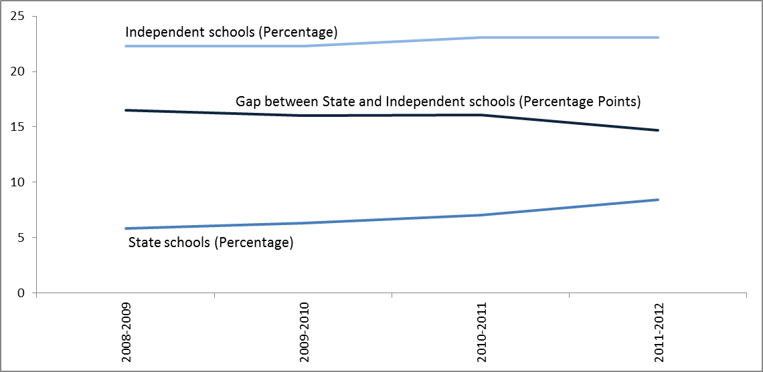

Data Source:
HM Government (2013) Social Mobility Indicators https://www.gov.uk/government/publications/social-mobility-indicators and Department for Education (2013) Revised A-Level and equivalent results in England

18-24 Education (p43)
Proportion of 18-24 year olds participating in part-time or full time education or training

Year | 1992 | 1993 | 1994 | 1995 | 1996 | 1997 | 1998 | 1999 | 2000 | 2001 | 2002 | 2003 | 2004 | 2005 | 2006 | 2007 | 2008 | 2009 | 2010 | 2011 | 2012

% of 18-24 Population | 32.8 | 34.8 | 35.3 | 38.8 | 39.1 | 41.9 | 43.0 | 43.7 | 46.0 | 44.7 | 45.9 | 45.8 | 45.5 | 44.4 | 44.0 | 44.1 | 44.0 | 45.1 | 43.8 | 45.2 | 44.4

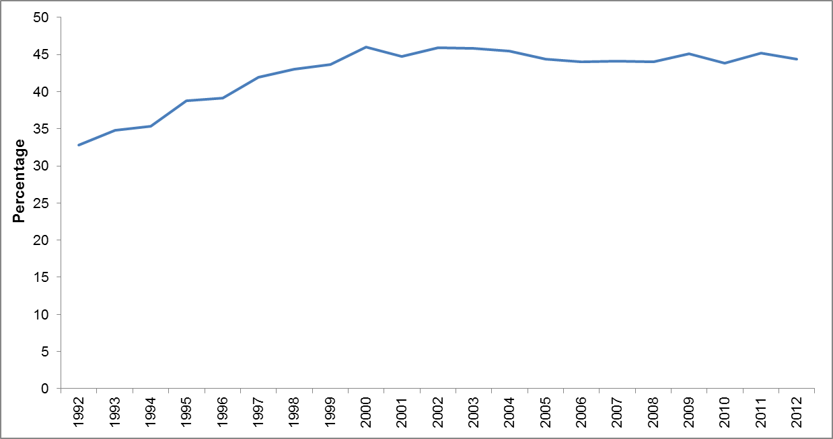

Data Source: Unpublished data from the Department for Business, Innovation and Skills

Notes:
1) Age refers to academic age, which is the respondent's age at the preceding 31 August.
2) All estimates should be viewed in conjunction with their Confidence Intervals. Confidence Intervals indicate how accurate an estimate is.
For example, a 95% CI of +/- 1,000 means that the true value is between 1,000 above the estimate and 1,000 below the estimate, for 95% of estimates.
3) All estimates are taken from the Labour Force Survey.
4) All estimates refer to Q4 calendar quarters.
5) Numbers are rounded to the nearest 1,000.
6) The Labour Force Survey has not been reweighted to reflect the Census 2011 population estimates.

18-24 Work (p44)
Transition to the labour market: Proportion of 18-24 year olds not in full-time education who are inactive or unemployed

Levels | Apr-Jun 1992 | Jul-Sep 1992 | Oct-Dec 1992 | Jan-Mar 1993 | Apr-Jun 1993 | Jul-Sep 1993 | Oct-Dec 1993 | Jan-Mar 1994 | Apr-Jun 1994 | Jul-Sep 1994 | Oct-Dec 1994 | Jan-Mar 1995 | Apr-Jun 1995 | Jul-Sep 1995 | Oct-Dec 1995 | Jan-Mar 1996 | Apr-Jun 1996 | Jul-Sep 1996 | Oct-Dec 1996 | Jan-Mar 1997 | Apr-Jun 1997 | Jul-Sep 1997 | Oct-Dec 1997 | Jan-Mar 1998 | Apr-Jun 1998 | Jul-Sep 1998 | Oct-Dec 1998 | Jan-Mar 1999 | Apr-Jun 1999 | Jul-Sep 1999 | Oct-Dec 1999 | Jan-Mar 2000 | Apr-Jun 2000 | Jul-Sep 2000 | Oct-Dec 2000 | Jan-Mar 2001 | Apr-Jun 2001 | Jul-Sep 2001 | Oct-Dec 2001 | Jan-Mar 2002 | Apr-Jun 2002 | Jul-Sep 2002 | Oct-Dec 2002 | Jan-Mar 2003 | Apr-Jun 2003 | Jul-Sep 2003 | Oct-Dec 2003 | Jan-Mar 2004 | Apr-Jun 2004 | Jul-Sep 2004 | Oct-Dec 2004 | Jan-Mar 2005 | Apr-Jun 2005 | Jul-Sep 2005 | Oct-Dec 2005 | Jan-Mar 2006 | Apr-Jun 2006 | Jul-Sep 2006 | Oct-Dec 2006 | Jan-Mar 2007 | Apr-Jun 2007 | Jul-Sep 2007 | Oct-Dec 2007 | Jan-Mar 2008 | Apr-Jun 2008 | Jul-Sep 2008 | Oct-Dec 2008 | Jan-Mar 2009 | Apr-Jun 2009 | Jul-Sep 2009 | Oct-Dec 2009 | Jan-Mar 2010 | Apr-Jun 2010 | Jul-Sep 2010 | Oct-Dec 2010 | Jan-Mar 2011 | Apr-Jun 2011 | Jul-Sep 2011 | Oct-Dec 2011 | Jan-Mar 2012 | Apr-Jun 2012 | Jul-Sep 2012 | Oct-Dec 2012 | Jan-Mar 2013 | Apr-Jun 2013

Percentage | 28.0 | 27.7 | 28.6 | 29.1 | 29.4 | 29.0 | 29.3 | 28.7 | 28.4 | 28.7 | 28.1 | 27.9 | 27.5 | 26.9 | 27.0 | 27.1 | 26.9 | 26.7 | 26.5 | 25.8 | 24.6 | 24.9 | 23.8 | 23.9 | 24.1 | 23.3 | 24.0 | 23.0 | 23.5 | 23.1 | 23.1 | 23.4 | 23.5 | 23.0 | 23.3 | 23.5 | 22.4 | 22.8 | 23.0 | 23.2 | 23.1 | 23.2 | 23.1 | 24.3 | 23.9 | 23.6 | 23.5 | 22.7 | 23.3 | 24.1 | 24.3 | 24.0 | 24.7 | 24.6 | 25.7 | 25.4 | 25.8 | 25.6 | 25.9 | 25.9 | 26.0 | 25.5 | 24.9 | 25.4 | 25.8 | 26.4 | 27.1 | 29.0 | 30.1 | 31.2 | 30.3 | 31.5 | 30.3 | 30.3 | 31.7 | 30.3 | 30.7 | 31.9 | 31.9 | 31.6 | 31.9 | 30.5 | 29.6 | 30.2 | 30.9

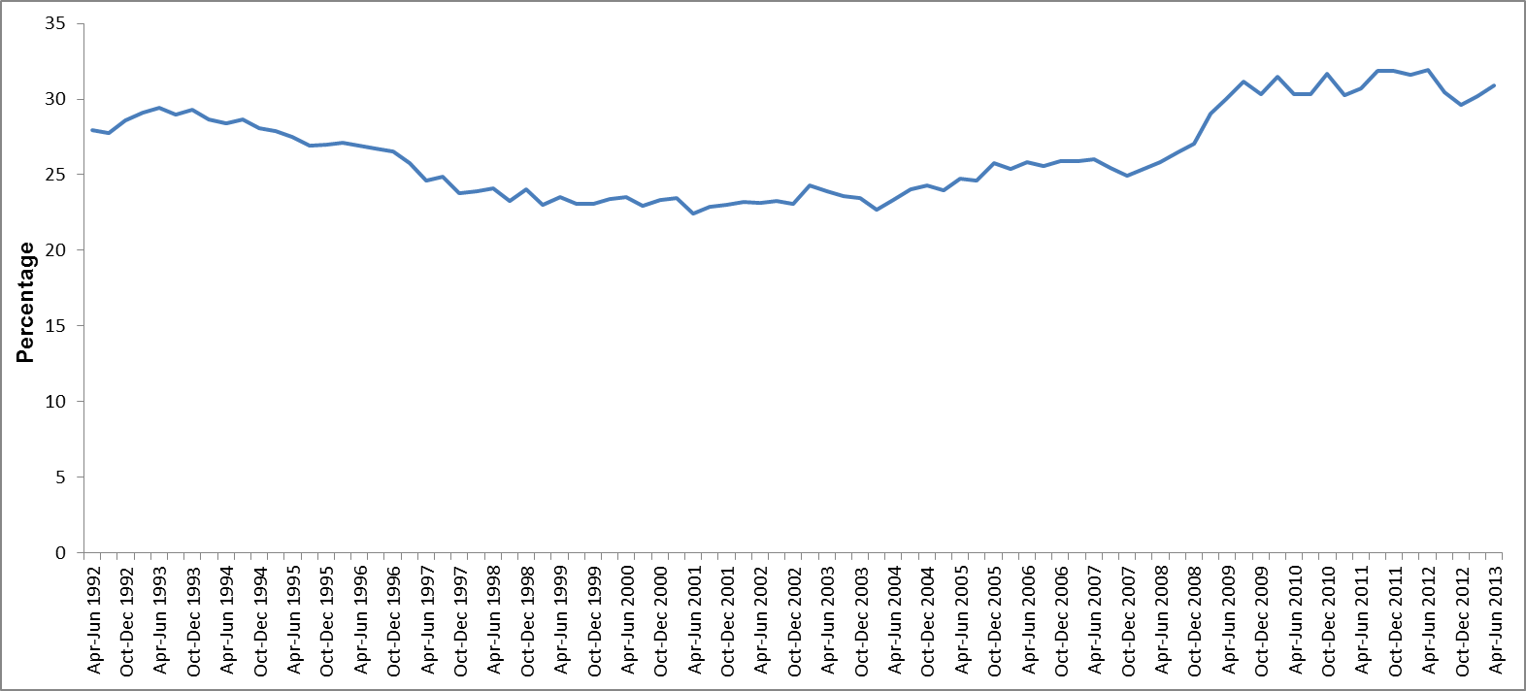

Data Source: Office for National Statistics (2013) Labour Market Statistics

HE - FSM (p45)
Progression of pupils aged 15 to HE at 19 – FSM at 15, non-FSM age 15 and gap.

Estimated % who entered HE | 2005/06 | 2006/07 | 2007/08 | 2008/09 | 2009/10 | 2010/11

Eligible for free school meals | 13.5 | 14.1 | 15.2 | 17.2 | 18.4 | 19.9

Not eligible for free school meals | 32.8 | 33.3 | 33.3 | 35.0 | 36.3 | 37.7

Gap (pp) | 19.3 | 19.2 | 18.1 | 17.8 | 17.9 | 17.8

All | 30.0 | 30.6 | 30.8 | 32.6 | 33.8 | 35.2

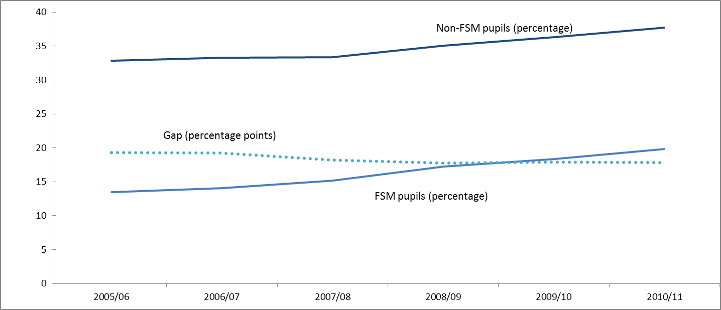

Percentage

Data Source: Department for Business, Innovation and Skills (2013) Widening Participation in Higer Education

Selec HE - School Type (p46)
HE participation in the most selective institutions by school type – proportion of A level students going to most selective universities by type of school.

Progressed to HE by age 19 in: | 2007/08 | 2008/09 | 2009/10 | 2010/11

State | 24.8 | 25.6 | 25.9 | 23.8

Independent | 63.2 | 62.4 | 65.0 | 63.7

Gap | 38.5 | 36.8 | 39.1 | 39.9

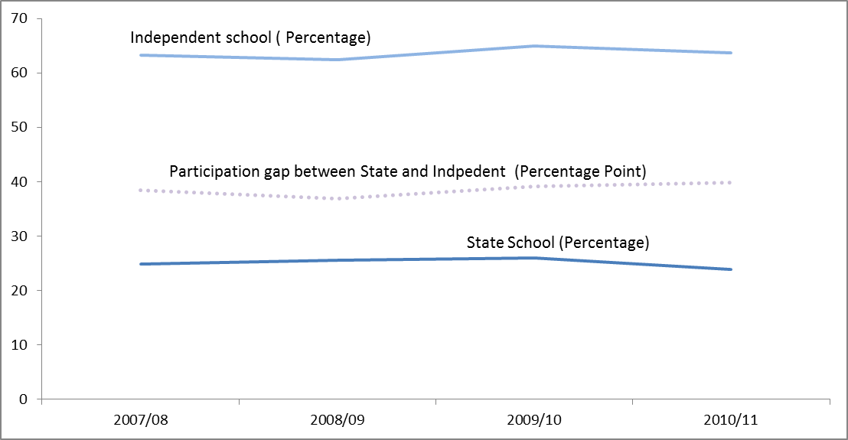

Data Source: Department for Business, Innovation and Skills (2013) Widening Participation in Higer Education

Graduate destinations (p47)
HE – graduate destinations; proportion of graduates in full-time employment six months after graduating who are in graduate jobs by social background

 | 05-06 | 06/07 | 07-08 | 08-09 | 09-10 | 10-11* | 11-12

Most advantaged groups (SOC 1-3) | 64 | 69 | 69 | 68 | 70 | 72 | 71

Less advantaged groups (SOC 4-9) | 61 | 65 | 65 | 64 | 65 | 66 | 67

Gap | 3 | 4 | 4 | 3 | 5 | 6 | 4

A change to the UCAS question on occupation in 2008-09 means that 2010-11 figures are not comparable to earlier and later years

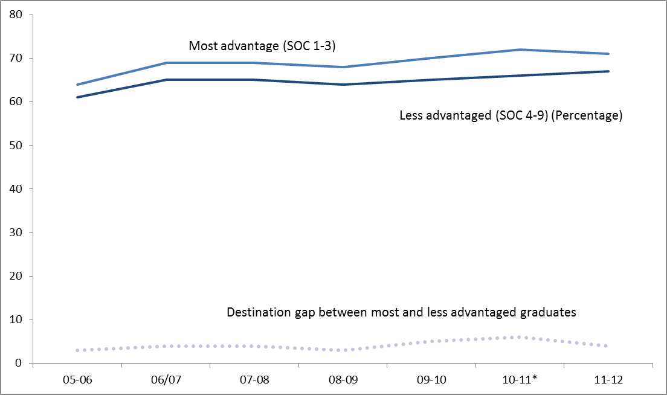

Data Source: Department for Business, Innovation and Skills (2013) Widening Participation in Higer Education

Access to Professions (p48)
Access to the professions-proportion of the working age population in higher-level occupations by social background

Data is not yet available by social background. The below is the proportion of working age population in higher-level occupations (defined here as NS-SEC 1-2)

 | Apr-Jun 2001 | Jul-Sep 2001 | Oct-Dec 2001 | Jan-Mar 2002 | Apr-Jun 2002 | Jul-Sep 2002 | Oct-Dec 2002 | Jan-Mar 2003 | Apr-Jun 2003 | Jul-Sep 2003 | Oct-Dec 2003 | Jan-Mar 2004 | Apr-Jun 2004 | Jul-Sep 2004 | Oct-Dec 2004 | Jan-Mar 2005 | Apr-Jun 2005 | Jul-Sep 2005 | Oct-Dec 2005 | Jan-Mar 2006 | Apr-Jun 2006 | Jul-Sep 2006 | Oct-Dec 2006 | Jan-Mar 2007 | Apr-Jun 2007 | Jul-Sep 2007 | Oct-Dec 2007 | Jan-Mar 2008 | Apr-Jun 2008 | Jul-Sep 2008 | Oct-Dec 2008 | Jan-Mar 2009 | Apr-Jun 2009 | Jul-Sep 2009 | Oct-Dec 2009 | Jan-Mar 2010 | Apr-Jun 2010 | Jul-Sep 2010 | Oct-Dec 2010 | Jan-Mar 2011 | Apr-Jun 2011 | Jul-Sep 2011 | Oct-Dec 2011 | Jan-Mar 2012 | Apr-Jun 2012 | Jul-Sep 2012 | Oct-Dec 2012 | Jan-Mar 2013 | Apr-Jun 2013

NS-SEC (1-2) | 37.8 | 38.0 | 38.4 | 38.7 | 38.7 | 38.7 | 39.2 | 39.3 | 39.3 | 39.3 | 39.5 | 39.9 | 40.0 | 40.0 | 40.0 | 40.3 | 40.3 | 40.4 | 40.6 | 41.1 | 41.1 | 40.7 | 40.7 | 40.7 | 40.6 | 40.5 | 41.0 | 41.0 | 41.2 | 41.2 | 41.3 | 41.6 | 41.8 | 42.0 | 42.2 | 42.1 | 41.9 | 41.7 | 41.9 | 41.8 | 41.5 | 41.0 | 41.1 | 41.3 | 41.5 | 41.6 | 42.0 | 42.4 | 42.3

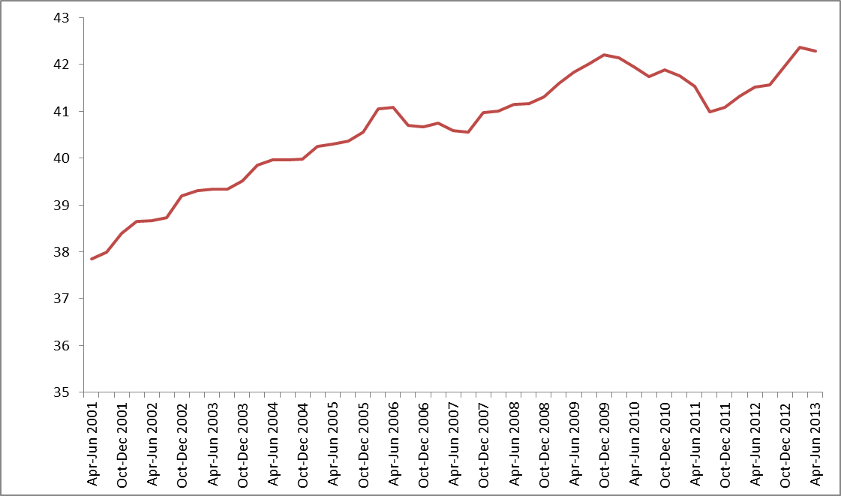

Data Source: Office for National Statistics (2013) Labour Force Survey: Table EMP 11 (Employment by Socio-Economic Classification)

Progression (p49)
Progression in the Labour Market

Proportion of the lowest earners (defined as those in the bottom 20% of earners at age 25-30) who experience wage progression over the course of a decade (defined as being 20 percentiles or higher in the earnings distribution at age 34-39).

Movement along the earnings distribution | 2000-2009 | 2001-2010 | 2002-2011 | 2003-2012

20 or more percentiles | 12.4 | 12.7 | 11.7 | 12.2

less than 20 percentiles | 39.1 | 40.7 | 41.0 | 39.1

Evidence indeterminate** | 48.4 | 46.7 | 47.3 | 48.7

** The evidence indeterminate group are those who were aged 25-30 and in the bottom quintile in 2003 but had dropped out of the Annual Survey of Hours and Earnings by 2012. This could be for a variety of reasons including a switch to self-employment, temporary
or longer-term unemployment or inactivity and migration.

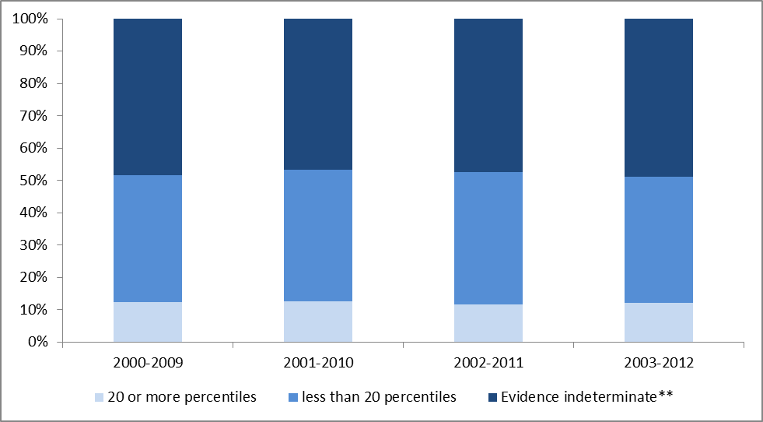

Data Source: Department for Work and Pensions (2013) Business Plan Transformation Measures https//www.gov.uk/government/publications/dwp-business-plan-transparency-measures

