5 - Constituency Map
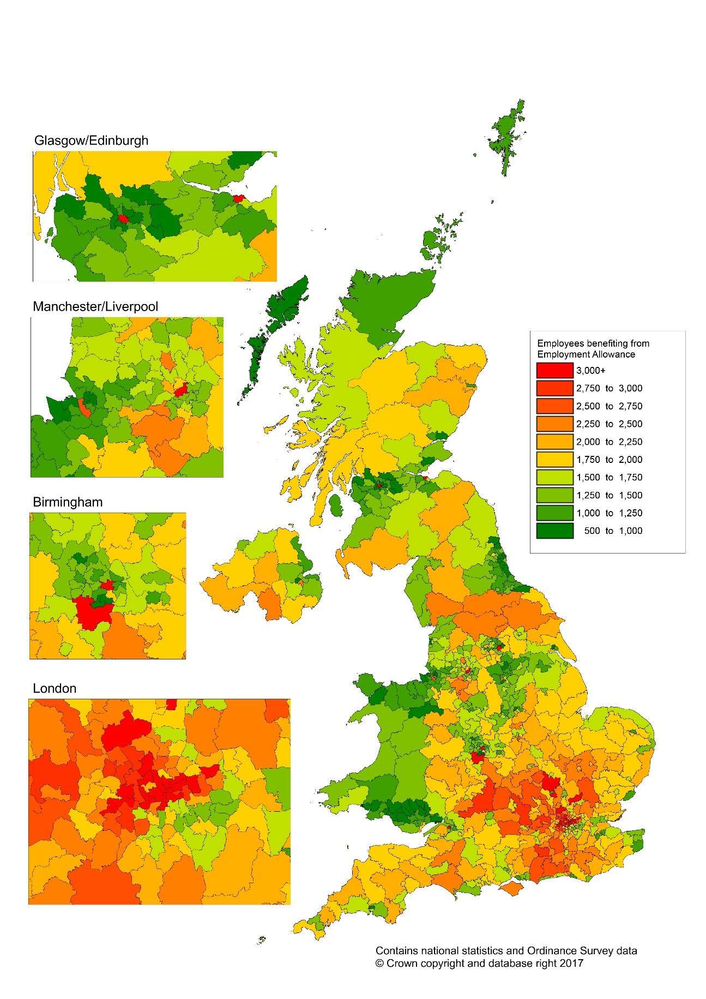
HM Revenue and Customs
Employment Allowance take-up statistics: 2016-17

5 | Constiituency Map

