Notes

High Needs: place allocations for the 2015 to 2016 (2015/16) Academic Year
This publication includes high needs place allocation data for institutions funded by the Education Funding Agency (EFA) for the 2015/16 academic year. We have published this breakdown in the interests of transparency and to promote collaboration between local authorities and institutions.
It is important to recognise that these are allocated place volumes rather than individual placements for the academic year 2015/16.
The spreadsheet shows the allocated high needs place numbers for pre-16, 16 to 18 and 19 to 24 high needs places in further education (FE) (including commercial and charitable providers-CCPs), maintained mainstream schools and mainstream academies, maintained special schools and special academies, maintained Alternative Provision (AP) schools and AP academies, free schools, non-maintained special schools (NMSS) and special post-16 institutions (SPI).
Students aged 16 to 19 on Apprenticeships and most students aged 19+ (students aged 19 to 24 with a learning difficulty assessment and/or education, health and care plan are funded by the EFA) are funded by the Skills Funding Agency; details of those allocations are given on their website.
The 2015/16 academic year high needs place numbers are those places eligible for EFA funding based on a roll-forward of the 2014/15 academic year allocated place volumes by institution; these have then been updated to reflect the outcome of the 2015/16 high needs exceptional case process following, where relevant, submissions from local authorities (schools, academies, FE and CCP) and institutions (NMSS and SPI), and other agreed changes to free schools. Institution details are correct as at 01 September 2015.
These numbers are the allocated volumes for the 2015/16 academic year. The 2015/16 academic year for post-16 (including pre-16 NMSS) allocations covers the period 1 August 2015 to 31 July 2016. The 2015/16 academic year for pre-16 (excluding NMSS) allocations covers the period 1 September 2015 to 31 August 2016.
Place funding allocated to institutions is not specific to individual students or individual local authorities and we recognise that further discussions have, and will continue to take place, between institutions and local authorities. Therefore, institutions are free to fill the places they have been allocated in the order that local authorities agree and commission those places.
Technical notes - High Needs places data sheet
You can easily filter the data to any of the fields in the data file . The header row (row 4) shows the column descriptors with the data directly under. In the bottom right of each field descriptor you can see a small downward pointing arrow - this is the button to activate the drop-down for the filter. When you press this button a filter list will appear. This will allow you to select all data, or any combination (whether single or multiple items). When you have made your selection - press OK. Each filter is cumulative - so when you have set one filter, the other filters may have a smaller selection. It is important to reset the filters when you want to make a new selection otherwise you may not see all of the data. In the example below you can see all institution categories of the 'Academy' type are selected. The sub-total for each column is displayed above the header row (in row 3) - this total will change based on how the data is filtered but it will not change the overall column totals which are displayed in row 2.
Each Institution has an associated 'Category' (column D), indicating the type of institution.
'2015/16 - Schools - Pre-16 Total Places' (column L) shows the allocated pre-16 places, '2015/16 - Schools - Total 16-18 Places' (column O) shows the allocated post-16 places in schools/academies, '2015/16 Post Schools - Total Places' (column S) shows the allocated post-16 places in FE/CCP and Special Post-16 Institutions and '2015/16 - Total High Needs Places' (column T) shows the overall number of allocated places. The Unique Provider Identification Number (UPIN), is used by EFA to identify an institution on internal systems and databases.
Regions and EFA Territories
Region Descriptor EFA Territory
EE East of England South
EM East Midlands Central & SW
GL Greater London South
NE North East North
NW North West North
SE South East South
SW South West Central & SW
WM West Midlands Central & SW
YH Yorkshire and the Humber North
NL National Contract National

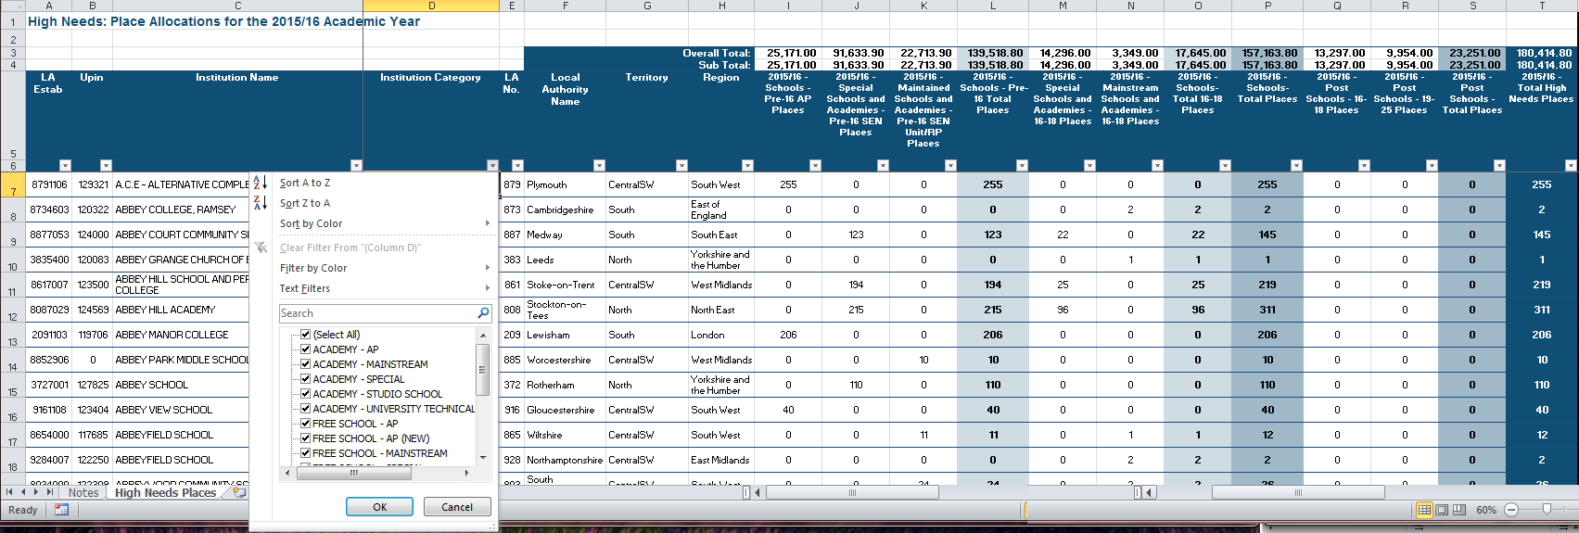

Please send any enquiries to: | enquiries.EFA@education.gsi.gov.uk

 |  | © Crown copyright 2015

