Notes
High needs student numbers recorded in the 2014/15 ILR R14 return (post-16 only) and the January 2015 Census (Pre-16 and Post-16).

This publication includes:
Post-16 high needs student numbers recorded in the 2014/15 ILR R14 data return submitted by institutions from the 23rd October 2015
Pre-16 and 16-18 year old high needs places for special academies and non-maintained special schools (NMSS) recorded in the January 2015 Census
Allocated post-16 high needs places for institutions funded by the Education Funding Agency (EFA) and who return ILR data for the 2014 to 2015 (2014/15) and 2015 to 2016 (2015/16) academic years (does not include higher education institutions that only submit HESA returns).
Allocated pre-16 and 16-18 year old high needs places for special academies and NMSS funded by the Education Funding Agency (EFA) and who return Census data for the 2014/15 and 2015/16 academic years.
We have published this data in the interests of transparency, to promote collaboration between local authorities and institutions and to inform the commissioning dialogue for the 2016 to 2017 (2016/17) academic year as set out in the Place change request technical note 2016/17, which is available at the link below:

https://www.gov.uk/government/publications/high-needs-funding-arrangements-2016-to-2017

There are two spreadsheets:
ILR Actuals & allocation. places
This spreadsheet shows the total allocated high needs place numbers for 2014/15 and a breakdown of the student numbers recorded in the 2014/15 ILR-R14 data return submitted by institutions for 16 to 18 and 19 to 24 year olds in further education (FE), including commercial and charitable providers (CCP), sixth form colleges and special post -16 institutions (SPI).
Census Actuals & allocation. places
This spreadsheet shows the total allocated high needs place numbers for 2014/15 and the total number of actuals student numbers recorded in the January 2015 census submitted by special academies and NMSS for pre-16 and 16 to 18 year olds .
Students aged 16 to 19 on Apprenticeships and most students aged 19+ (students aged 19 to 24 with a learning difficulty assessment and/or education, health and care plan are funded by the EFA) are funded by the Skills Funding Agency; details of those allocations are given on their website.

The rows have been colour coded to highlight changes to institutions as well as new institutions or institutions that do not have a High Needs allocation. Colour coding for the rows is as follows:
 |  | New institution for 2015/16
 |  | No High Needs Allocation
 |  | Change (Such as merger or upin change)

Technical notes - 2014/15 ILR R14 against allocated data sheet
You can easily filter the data to any of the fields in the data file . The header row (row 5) shows the column descriptors with the data directly under. In the bottom right of each field descriptor you can see a small downward pointing arrow - this is the button to activate the drop-down for the filter. When you press this button a filter list will appear. This will allow you to select all data, or any combination (whether single or multiple items). When you have made your selection - press OK. Each filter is cumulative - so when you have set one filter, the other filters may have a smaller selection. It is important to reset the filters when you want to make a new selection otherwise you may not see all of the data. In the example below you can see all institution categories of the 'Agricultural & Horticultural College' type are selected. The sub-total for each column is displayed above the header row (in row 3) - this total will change based on how the data is filtered but it will not change the overall column totals which are displayed in row 2.

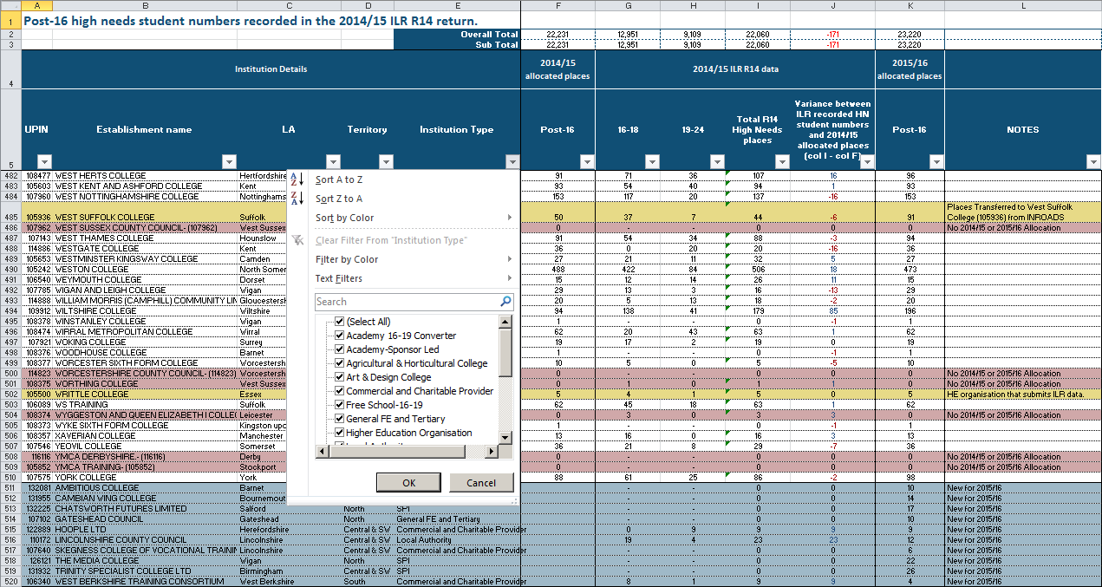

Total allocated places for 2014/15 can be seen in column F with a breakdown of actual student numbers from the R14 data return for 16-18 and 19-24 year olds in columns G and H with the overall total in column I. The variance between actual and allocated number s can be seen in column J. The allocated place numbers for 2015/16 are recorded in Column K. The Unique Provider Identification Number (UPIN), is used by EFA to identify an institution on internal systems and databases.

Technical notes - January 2015 census against allocated data sheet
You can easily filter the data to any of the fields in the data file . The header row (row 5) shows the column descriptors with the data directly under. In the bottom right of each field descriptor you can see a small downward pointing arrow - this is the button to activate the drop-down for the filter. When you press this button a filter list will appear. This will allow you to select all data, or any combination (whether single or multiple items). When you have made your selection - press OK. Each filter is cumulative - so when you have set one filter, the other filters may have a smaller selection. It is important to reset the filters when you want to make a new selection otherwise you may not see all of the data. In the example below you can see all institution categories are selected. The sub-total for each column is displayed above the header row (in row 3) - this total will change based on how the data is filtered but it will not change the overall column totals which are displayed in row 2.

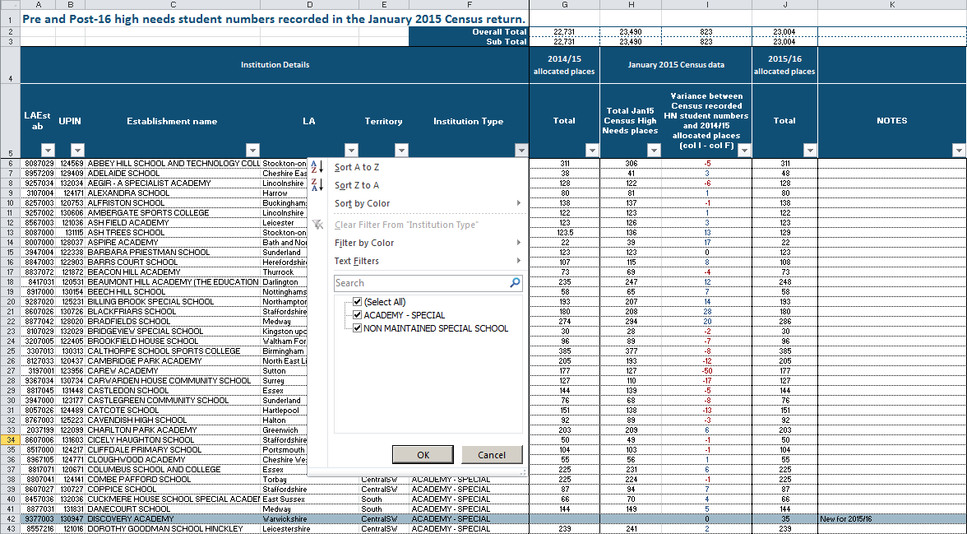

Total allocated places for 2014/15 can be seen in column G with the total actual student numbers from the January 2015 Census data return for pre-16 and 16-18 year olds in column H. The variance between actual and allocated number s can be seen in column J. The allocated place numbers for 2015/16 are recorded in Column I. The LA Establishment number is shown in column A. The Unique Provider Identification Number (UPIN), is used by EFA to identify an institution on internal systems and databases.

Regions and EFA Territories
Region Descriptor EFA Territory
EE East of England South
EM East Midlands Central & SW
GL Greater London South
NE North East North
NW North West North
SE South East South
SW South West Central & SW
WM West Midlands Central & SW
YH Yorkshire and the Humber North
NL National Contract National

Please send any enquiries to: | enquiries.EFA@education.gsi.gov.uk

 |  |  | © Crown copyright 2015

