Table 13a
 | Table 13a: Casualties by time of day, Great Britain 2012/13p
 | HOUR in DAY | NUMBER OF INCIDENTS | FATAL FIRE RELATED | HOSPITAL SERIOUS INJURIES | HOSPITAL SLIGHT INJURIES | FIRST AID | PRECAUTIONARY CHECK RECOMMENDED
 | 11-12 | 6,039 | 20 | 35 | 136 | 142 | 68
 | 12-13 | 7,179 | 13 | 35 | 144 | 163 | 104
 | 13-14 | 8,258 | 10 | 37 | 167 | 176 | 120
 | 14-15 | 8,603 | 16 | 42 | 152 | 175 | 92
 | 15-16 | 10,277 | 17 | 31 | 175 | 173 | 105
 | 16-17 | 12,098 | 14 | 27 | 168 | 195 | 127
 | 17-18 | 14,024 | 10 | 40 | 234 | 253 | 141
 | 18-19 | 15,531 | 10 | 31 | 205 | 262 | 138
 | 19-20 | 16,086 | 10 | 54 | 201 | 273 | 131
 | 20-21 | 15,755 | 14 | 41 | 220 | 204 | 139
 | 21-22 | 13,741 | 12 | 24 | 189 | 200 | 138
 | 22-23 | 10,811 | 16 | 40 | 184 | 159 | 112
 | 23-00 | 8,340 | 12 | 46 | 179 | 131 | 118
 | 00-01 | 6,796 | 8 | 34 | 172 | 131 | 101
 | 01-02 | 5,679 | 22 | 36 | 205 | 133 | 111
 | 02-03 | 4,651 | 22 | 24 | 163 | 73 | 77
 | 03-04 | 3,947 | 22 | 18 | 156 | 98 | 76
 | 04-05 | 3,264 | 10 | 33 | 108 | 65 | 70
 | 05-06 | 2,775 | 10 | 21 | 108 | 44 | 58
 | 06-07 | 2,616 | 17 | 15 | 81 | 51 | 40
 | 07-08 | 3,013 | 18 | 20 | 83 | 55 | 48
 | 08-09 | 3,814 | 16 | 22 | 117 | 72 | 45
 | 09-10 | 4,367 | 15 | 35 | 121 | 103 | 63
 | 10-11 | 4,928 | 16 | 15 | 113 | 113 | 76
 | Average Hour, rounded | 8,020 | 10 | 30 | 160 | 140 | 100
 | p=provisional

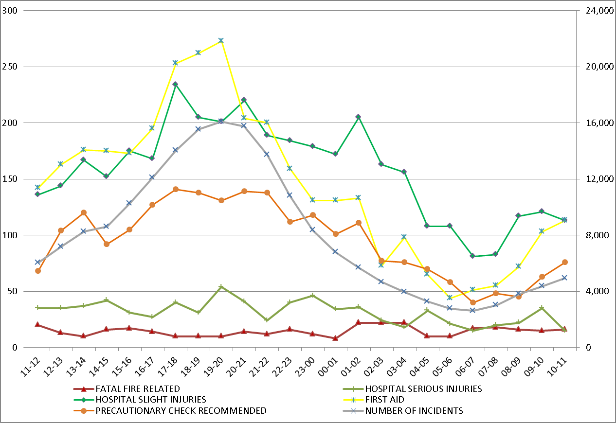

Number of Incidents

Casualties

Definitions and Technical Notes for these tables may be found in the pdf document, pages numbered 46 to 51
https://www.gov.uk/government/organisations/department-for-communities-and-local-government/series/fire-statistics-great-britain

Table 13b
 | Table 13b: Casualties by month of year, Great Britain 2012/13p
 | Months | NUMBER OF INCIDENTS | FATAL FIRE RELATED | HOSPITAL SERIOUS INJURIES | HOSPITAL SLIGHT INJURIES | FIRST AID | PRECAUTIONARY CHECK RECOMMENDED
 | April | 18,247 | 32 | 67 | 296 | 263 | 188
 | May | 16,761 | 24 | 62 | 292 | 271 | 181
 | June | 12,451 | 31 | 82 | 393 | 307 | 212
 | July | 14,544 | 39 | 36 | 317 | 295 | 199
 | August | 12,298 | 33 | 57 | 314 | 321 | 222
 | September | 15,514 | 8 | 62 | 268 | 299 | 176
 | October | 14,361 | 33 | 47 | 264 | 230 | 157
 | November | 17,712 | 33 | 68 | 413 | 297 | 202
 | December | 19,552 | 34 | 84 | 327 | 300 | 220
 | January | 17,754 | 29 | 68 | 316 | 275 | 189
 | February | 15,621 | 30 | 53 | 301 | 291 | 181
 | March | 17,777 | 24 | 70 | 280 | 295 | 171

 | Average Hour, rounded | 16,050 | 30 | 60 | 320 | 290 | 190
 | p = provisional

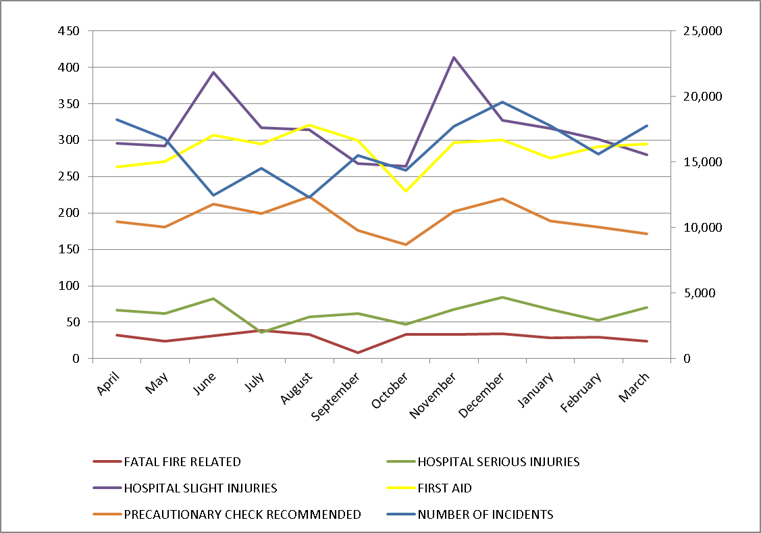

Number of Incidents
Casualties

Definitions and Technical Notes for these tables may be found in the pdf document, pages numbered 46 to 51
https://www.gov.uk/government/organisations/department-for-communities-and-local-government/series/fire-statistics-great-britain

