Contents

Vocational and Other Qualifications Quarterly: January to March (quarter 1) 2021
 |  | England

Table 1 | Number of certificates awarded by qualification type

Table 2 | Number of certificates awarded by qualification level

Table 3 | Number of certificates awarded by sector subject area

Table 4 | Number of certificates awarded in the past 5 years

Table 5 | Number of certificates awarded in this quarter by second-tier sector subject area

Table 6 | The 50 qualifications with the highest number of certificates issued in this quarter

Table 7 | The 50 awarding organisations with the highest number of certificates issued in this quarter

Table 8 | The 50 awarding organisations with the highest number of certificates issued in the 12 months to this quarter end

Notes | Notes accompanying this release

Reference: Ofqual/21/6799/1
Release date: 10 June 2021
Head of Profession: Vikas Dhawan
Contact: data.analytics@ofqual.gov.uk

Certificates by type
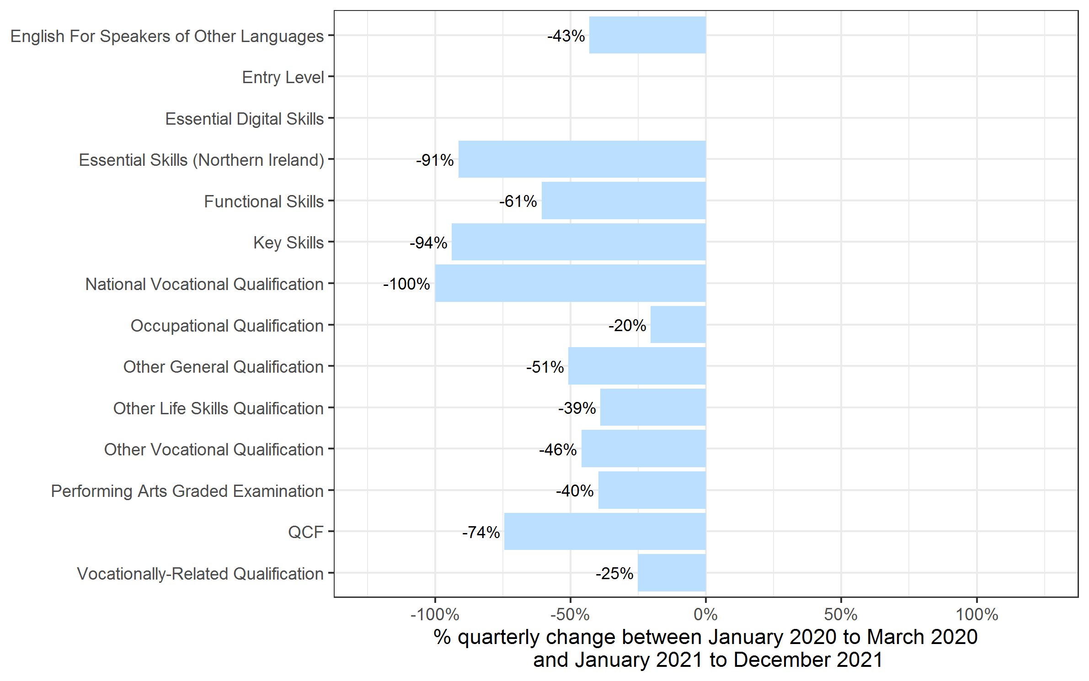
Number of certificates awarded by qualification type
Comparison with the same quarter previous year and previous 12 months

Qualification Type | Quarterly comparison: Jan to Mar 2020 | Quarterly comparison: Jan to Mar 2021 | Annual comparison: Apr 2020 to Mar 2021 | Annual comparison: Apr 2020 to Mar 2021
English For Speakers of Other Languages | 81,690 | 46,485 | 375,155 | 249,895
Entry Level | 0 | 0 | 470 | 0
Essential Digital Skills | 0 | 180 | 0 | 265
Essential Skills (Northern Ireland) | 35 | 0~ | 185 | 40
Functional Skills | 86,315 | 33,925 | 548,515 | 369,980
Key Skills | 50 | 0~ | 1,785 | 20
National Vocational Qualification | 0~ | 0 | 0~ | 0
Occupational Qualification | 145,550 | 115,745 | 669,550 | 494,365
Other General Qualification | 7,915 | 3,890 | 373,180 | 392,565
Other Life Skills Qualification | 53,085 | 32,400 | 290,700 | 181,335
Other Vocational Qualification | 120,650 | 65,135 | 480,270 | 241,165
Performing Arts Graded Examination | 79,160 | 47,665 | 490,295 | 182,855
QCF | 45 | 10 | 1,535 | 80
Vocationally-Related Qualification | 329,520 | 246,620 | 2,269,645 | 1,668,910
Total | 904,015 | 592,070 | 5,501,285 | 3,781,465

 |  |  |  |  | Note: The bar for Essential Digital Skills is not shown because, due to small numbers, the percentage changes would not be meaningful.

Certificates by Level
Number of certificates awarded by qualification level
Comparison with the same quarter previous year and previous 12 months
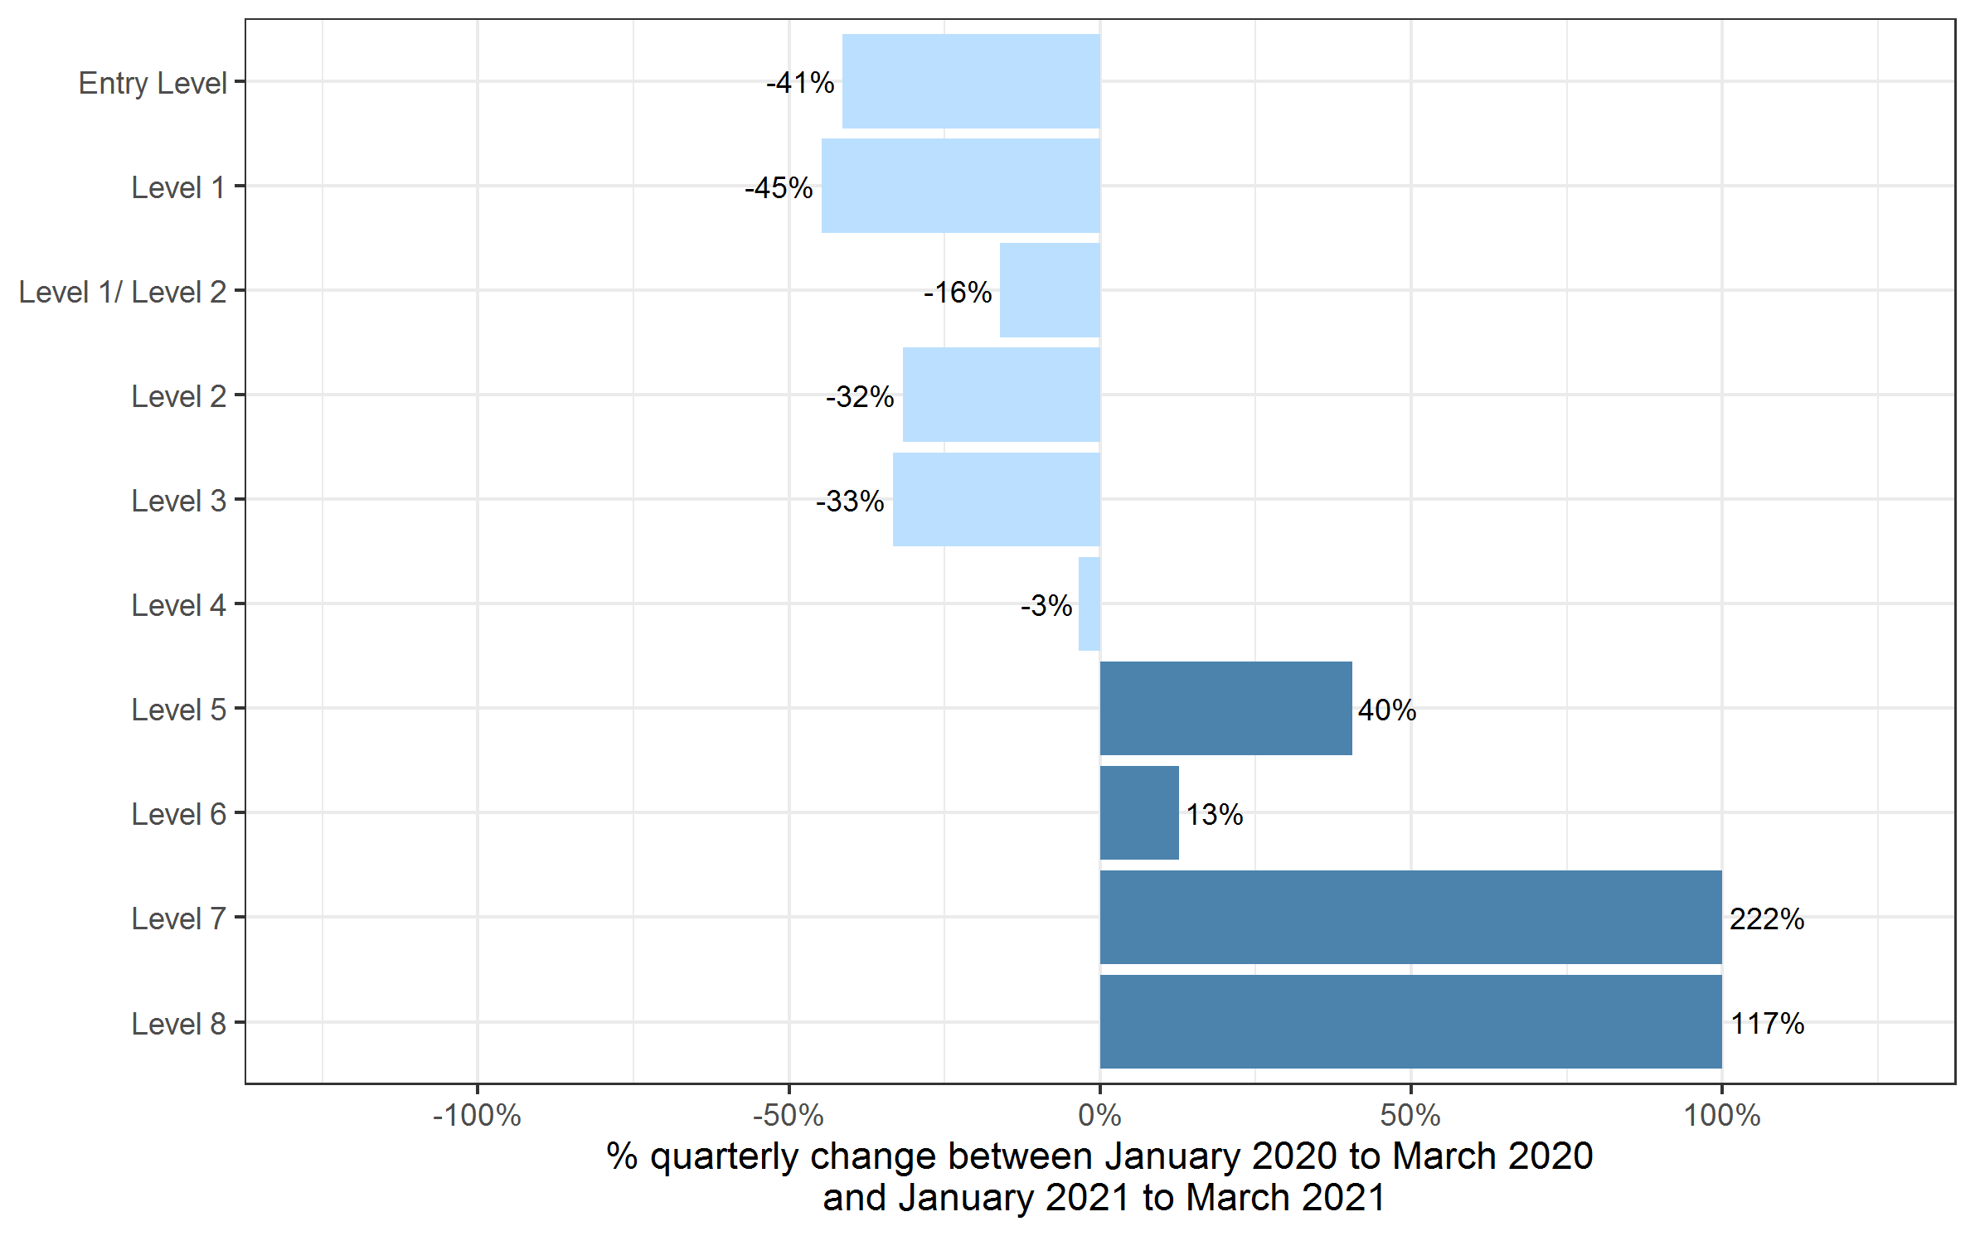

Qualification Level | Quarterly comparison: Jan to Mar 2020 | Quarterly comparison: Jan to Mar 2021 | Annual comparison: Apr 2020 to Mar 2021 | Annual comparison: Apr 2020 to Mar 2021
Entry Level | 107,320 | 62,925 | 658,900 | 462,975
Level 1 | 217,585 | 120,205 | 1,202,110 | 651,785
Level 1/ Level 2 | 2,465 | 2,070 | 317,520 | 397,465
Level 2 | 314,440 | 214,605 | 1,716,920 | 1,123,320
Level 3 | 232,245 | 154,815 | 1,452,375 | 1,004,225
Level 4 | 15,640 | 15,105 | 78,470 | 65,100
Level 5 | 9,235 | 12,970 | 49,480 | 52,015
Level 6 | 3,345 | 3,770 | 16,965 | 14,915
Level 7 | 1,740 | 5,590 | 8,455 | 9,550
Level 8 | 5 | 15 | 100 | 115
Total | 904,015 | 592,070 | 5,501,285 | 3,781,465

 |  |  |  |  | Note: the percentage changes for Level 7 and Level 8 were greater than the ranges shown on the chart and have therefore been restricted to 100% to better aid interpretation of the rest of the chart.

Certificates by SSA
Number of certificates awarded by sector subject area
Comparison with the same quarter previous year and previous 12 months
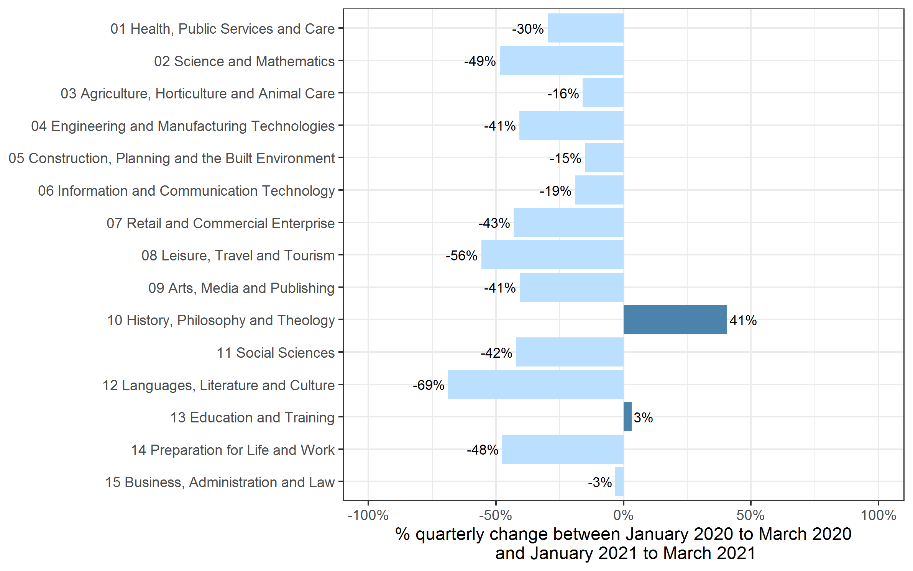

Sector Subject Area Code With Description | Quarterly comparison: Jan to Mar 2020 | Quarterly comparison: Jan to Mar 2021 | Annual comparison: Apr 2020 to Mar 2021 | Annual comparison: Apr 2020 to Mar 2021
01 Health, Public Services and Care | 248,635 | 174,575 | 1,148,285 | 805,975
02 Science and Mathematics | 3,445 | 1,775 | 112,575 | 114,285
03 Agriculture, Horticulture and Animal Care | 13,930 | 11,700 | 88,070 | 67,380
04 Engineering and Manufacturing Technologies | 51,480 | 30,470 | 291,070 | 191,665
05 Construction, Planning and the Built Environment | 67,875 | 57,685 | 373,905 | 259,845
06 Information and Communication Technology | 23,545 | 19,085 | 190,205 | 137,795
07 Retail and Commercial Enterprise | 65,135 | 37,055 | 347,485 | 228,835
08 Leisure, Travel and Tourism | 38,900 | 17,215 | 341,035 | 242,420
09 Arts, Media and Publishing | 86,985 | 51,540 | 749,760 | 408,400
10 History, Philosophy and Theology | 30 | 45 | 13,525 | 10,205
11 Social Sciences | 120 | 70 | 15,840 | 15,550
12 Languages, Literature and Culture | 17,750 | 5,535 | 117,450 | 65,580
13 Education and Training | 17,570 | 18,120 | 85,695 | 80,615
14 Preparation for Life and Work | 208,910 | 109,460 | 1,224,410 | 818,260
15 Business, Administration and Law | 59,710 | 57,745 | 401,975 | 334,660
Total | 904,015 | 592,070 | 5,501,285 | 3,781,465

Historical trends
Number of certificates awarded in the past 5 years
Quarterly and 12 months to quarter end
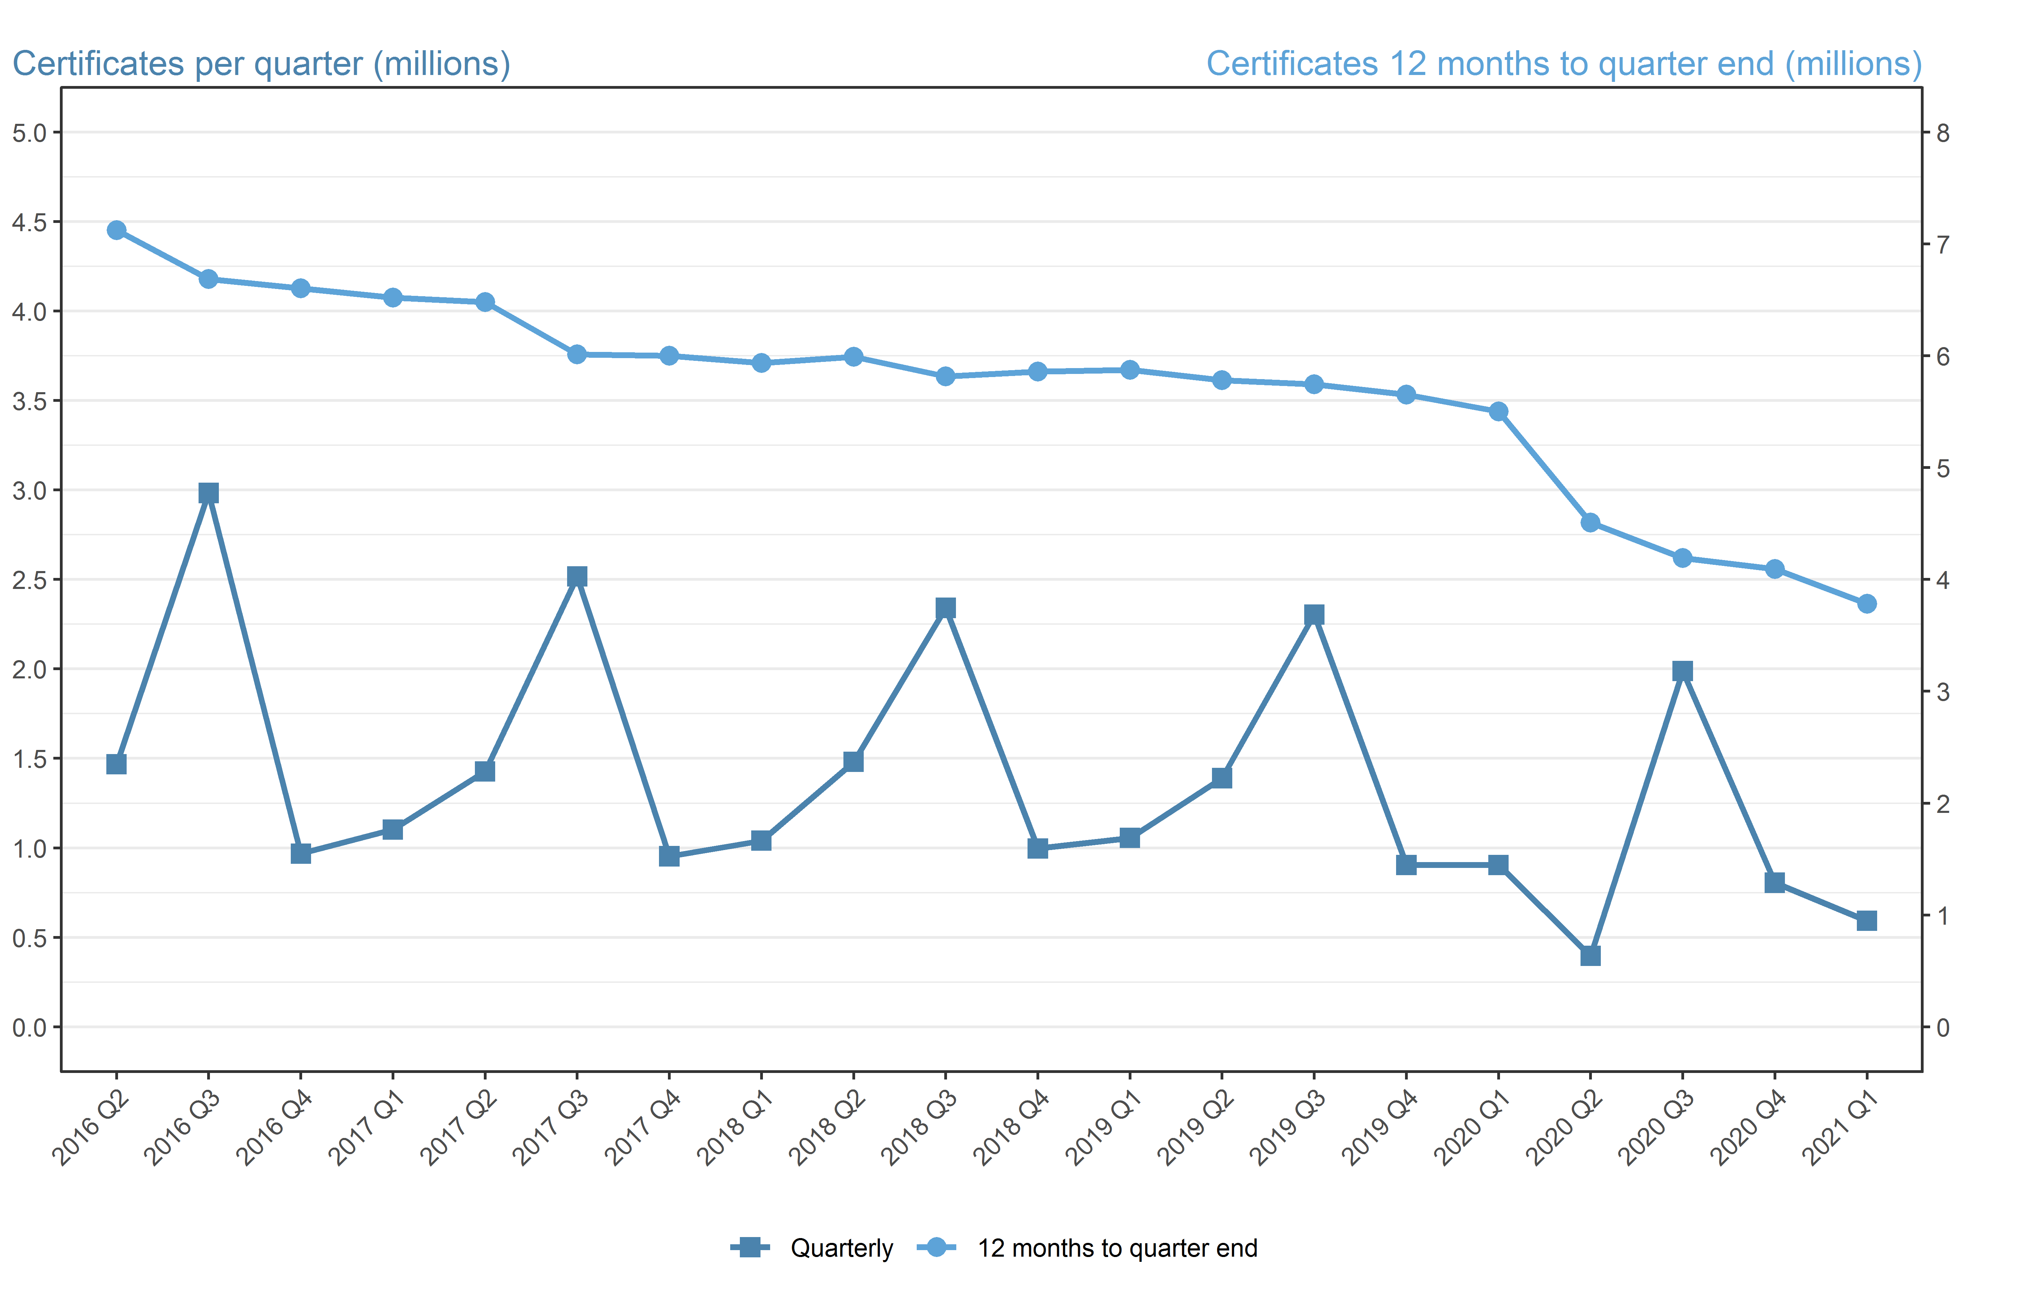

Period | Quarterly | 12 months to quarter end
Apr to Jun 2016 | 1,467,455 | 7,122,840
Jul to Sep 2016 | 2,983,365 | 6,685,340
Oct to Dec 2016 | 967,835 | 6,603,545
Jan to Mar 2017 | 1,102,380 | 6,521,035
Apr to Jun 2017 | 1,427,520 | 6,481,105
Jul to Sep 2017 | 2,516,320 | 6,014,060
Oct to Dec 2017 | 952,960 | 5,999,185
Jan to Mar 2018 | 1,040,485 | 5,937,290
Apr to Jun 2018 | 1,480,100 | 5,989,870
Jul to Sep 2018 | 2,341,205 | 5,814,755
Oct to Dec 2018 | 996,535 | 5,858,330
Jan to Mar 2019 | 1,055,335 | 5,873,180
Apr to Jun 2019 | 1,389,200 | 5,782,275
Jul to Sept 2019 | 2,303,850 | 5,744,920
Oct to Dec 2019 | 904,220 | 5,652,605
Jan to Mar 2020 | 904,015 | 5,501,285
Apr to Jun 2020 | 396,365 | 4,508,450
Jul to Sept 2020 | 1,988,120 | 4,192,720
Oct to Dec 2020 | 804,915 | 4,093,415
Jan to Mar 2021 | 592,070 | 3,781,465

