Title


 |  |  | Green Homes Grant
 |  |  | Local Authority Delivery Scheme (GHG LAD)
 |  |  | Statistics

Please direct all press enquiries to Press Officer 020 7215 5975

Responsible Statistician |  | Responsible Statistician
Nick Dann |  | Shamil Popat
EnergyEfficiency.Stats@beis.gov.uk |  | EnergyEfficiency.Stats@beis.gov.uk
0300 068 6838 |  | 020 7215 4647

This workbook was updated on: | 27-May-21
The next update for these statistics is: | 24-Jun-21

Data covered in this release is for all applications to the end of March 2021.

Charts
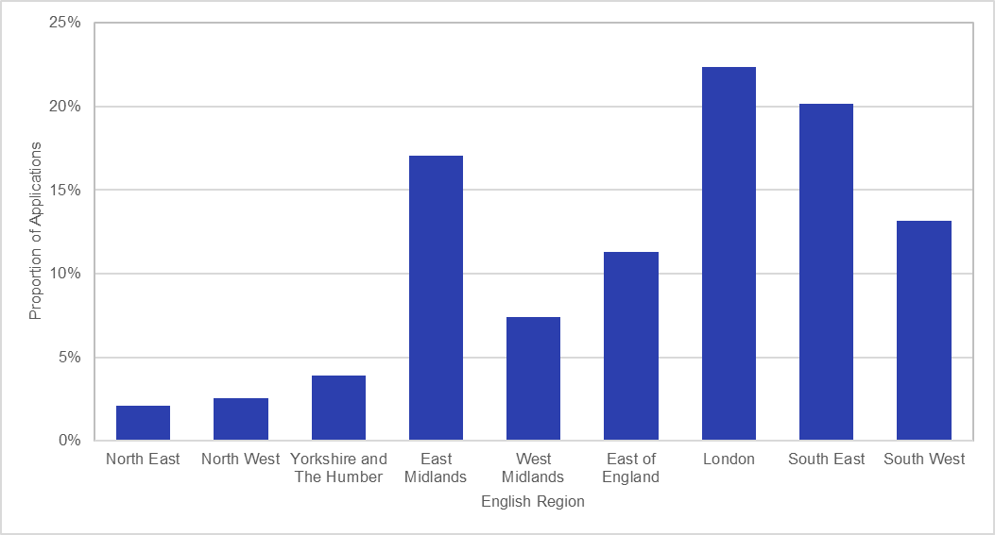
Chart 1: Total Number of Measures Installed by Measure Type, for measures installed to end of March 2021 | Chart 2: Proportion of Measures Installed by English Region, for measures installed to end of March 2021

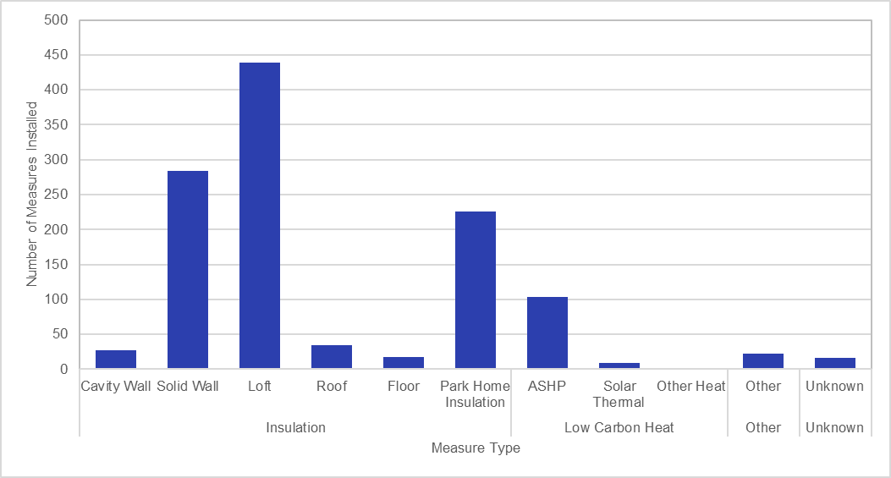
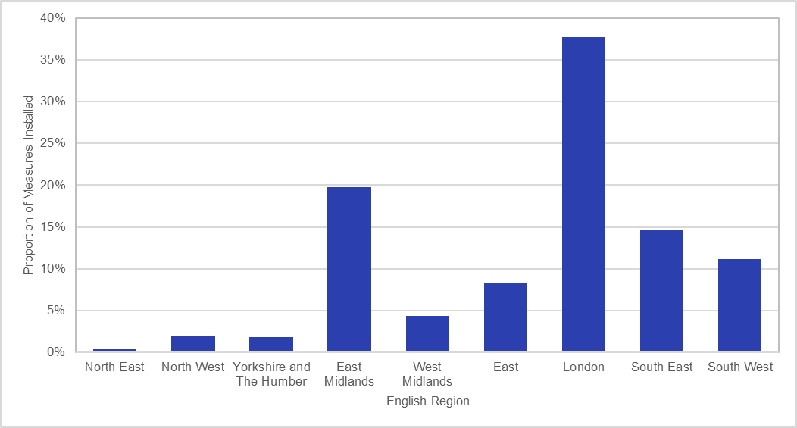

Chart 3: Proportion of Signed-Up Households by Region, for applications to end of March 2021

