Information
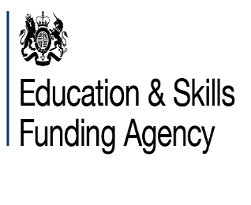
Dedicated schools grant (DSG): 2021 to 2022 supplementary funding allocations for maintained nursery schools
This file gives details of the 2021 to 2022 financial year supplementary funding for maintained nursery schools calculations which form part of the early years block in the DSG allocations
Please note that Isles of Scilly and City of London are not included within this file.
In December 2020 we said that for 2021 to 2022, part of the supplementary funding allocations were published as indicative, and part as conditional. Specifically, we said that the maintained nursery school supplementary funding allocations for September 2021 to March 2022 were conditional and might be subject to change, so local authorities should have treated them as unconfirmed. In April 2021, the Government announced that these allocations are now confirmed, and no longer 'conditional'. MNS supplementary funding allocations for the full financial year 2021-22 should therefore be treated in the same way as the rest of the allocations for the early years block. They are indicative and will be updated to take account of actual attendance, in the same way as the other entitlements. That is the only adjustment that will be made to these figures. The technical guidance published in March 2021 sets out the funding allocation methodology for 2021-22, including how final allocation for each local authority will be calculated. This guidance can be found at the following link:
https://www.gov.uk/government/publications/early-years-funding-spring-2021-and-financial-year-2021-to-2022
This spreadsheet contains the following worksheet:
MNS Allocations: | Maintained nursery schools supplementary funding for each local authority
Further information regarding maintained nursery schools supplementary funding is available at the following link:
https://www.gov.uk/government/publications/dedicated-schools-grant-dsg-2021-to-2022
Publication date: 22nd April 2021

