Contents

Vocational and Other Qualifications Quarterly: October to December (quarter 4) 2020
 |  | England

Table 1 | Number of certificates awarded by qualification type

Table 2 | Number of certificates awarded by qualification level

Table 3 | Number of certificates awarded by sector subject area

Table 4 | Number of certificates awarded in the past 5 years

Table 5 | Number of certificates awarded in this quarter by second-tier sector subject area

Table 6 | The 50 qualifications with the highest number of certificates issued in this quarter

Table 7 | The 50 awarding organisations with the highest number of certificates issued in this quarter

Table 8 | The 50 awarding organisations with the highest number of certificates issued in the 12 months to this quarter end

Notes | Notes accompanying this release

Reference: Ofqual/21/6753/1
Release date: 4 March 2021
Head of Profession: Vikas Dhawan
Contact: data.analytics@ofqual.gov.uk

Certificates by type
Number of certificates awarded by qualification type
Comparison with the same quarter previous year and previous 12 months

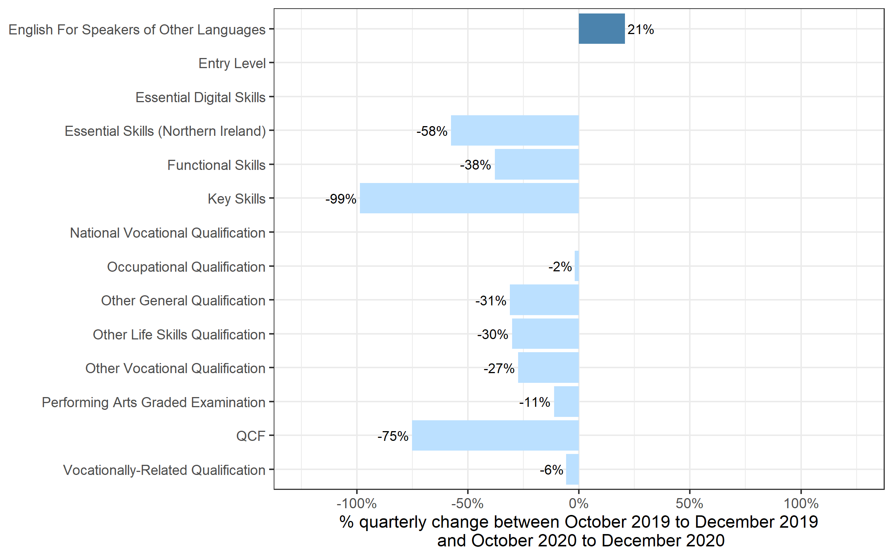
 | Quarterly comparison |  | Annual Comparison

Qualification Type | Oct to Dec 2019 | Oct to Dec 2020 | Jan 2019 to Dec 2019 | Jan 2020 to Dec 2020
English For Speakers of Other Languages | 55,535 | 67,015 | 386,325 | 285,095
Entry Level | 0 | 0 | 470 | 0
Essential Digital Skills | 0 | 85 | 0 | 85
Essential Skills (Northern Ireland) | 35 | 15 | 195 | 75
Functional Skills | 66,735 | 41,425 | 582,255 | 422,370
Key Skills | 210 | 0~ | 1,745 | 65
National Vocational Qualification | 0 | 0 | 0~ | 0~
Occupational Qualification | 144,640 | 141,865 | 681,635 | 524,150
Other General Qualification | 2,710 | 1,870 | 371,930 | 396,630
Other Life Skills Qualification | 59,810 | 41,770 | 294,895 | 202,010
Other Vocational Qualification | 114,035 | 82,820 | 490,295 | 296,340
Performing Arts Graded Examination | 107,465 | 95,390 | 492,150 | 214,350
QCF | 140 | 35 | 2,795 | 120
Vocationally-Related Qualification | 352,910 | 332,575 | 2,347,920 | 1,751,710
Total | 904,220 | 804,870 | 5,652,605 | 4,092,995

 |  |  |  |  | Note: The bar for Essential Digital Skills qualifications are not shown because, due to small numbers, the percentage changes would not be meaningful

Certificates by Level
Number of certificates awarded by qualification level
Comparison with the same quarter previous year and previous 12 months

 | Quarterly comparison |  | Annual comparison
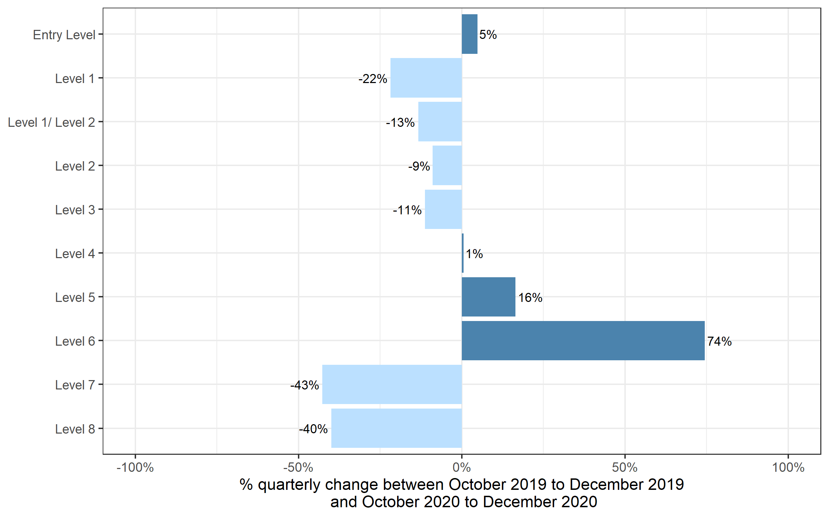
Qualification Level | Oct to Dec 2019 | Oct to Dec 2020 | Jan 2019 to Dec 2019 | Jan 2020 to Dec 2020
Entry Level | 75,815 | 79,485 | 681,605 | 507,370
Level 1 | 225,430 | 176,295 | 1,234,695 | 749,165
Level 1/ Level 2 | 1,355 | 1,175 | 316,130 | 397,865
Level 2 | 320,950 | 292,410 | 1,764,980 | 1,223,140
Level 3 | 247,860 | 220,025 | 1,497,825 | 1,081,315
Level 4 | 16,480 | 16,575 | 80,375 | 65,600
Level 5 | 11,500 | 13,390 | 51,405 | 48,275
Level 6 | 2,350 | 4,095 | 17,035 | 14,490
Level 7 | 2,425 | 1,390 | 8,380 | 5,670
Level 8 | 50 | 30 | 180 | 110
Total | 904,220 | 804,870 | 5,652,605 | 4,092,995

Certificates by SSA
Number of certificates awarded by sector subject area
Comparison with the same quarter previous year and previous 12 months

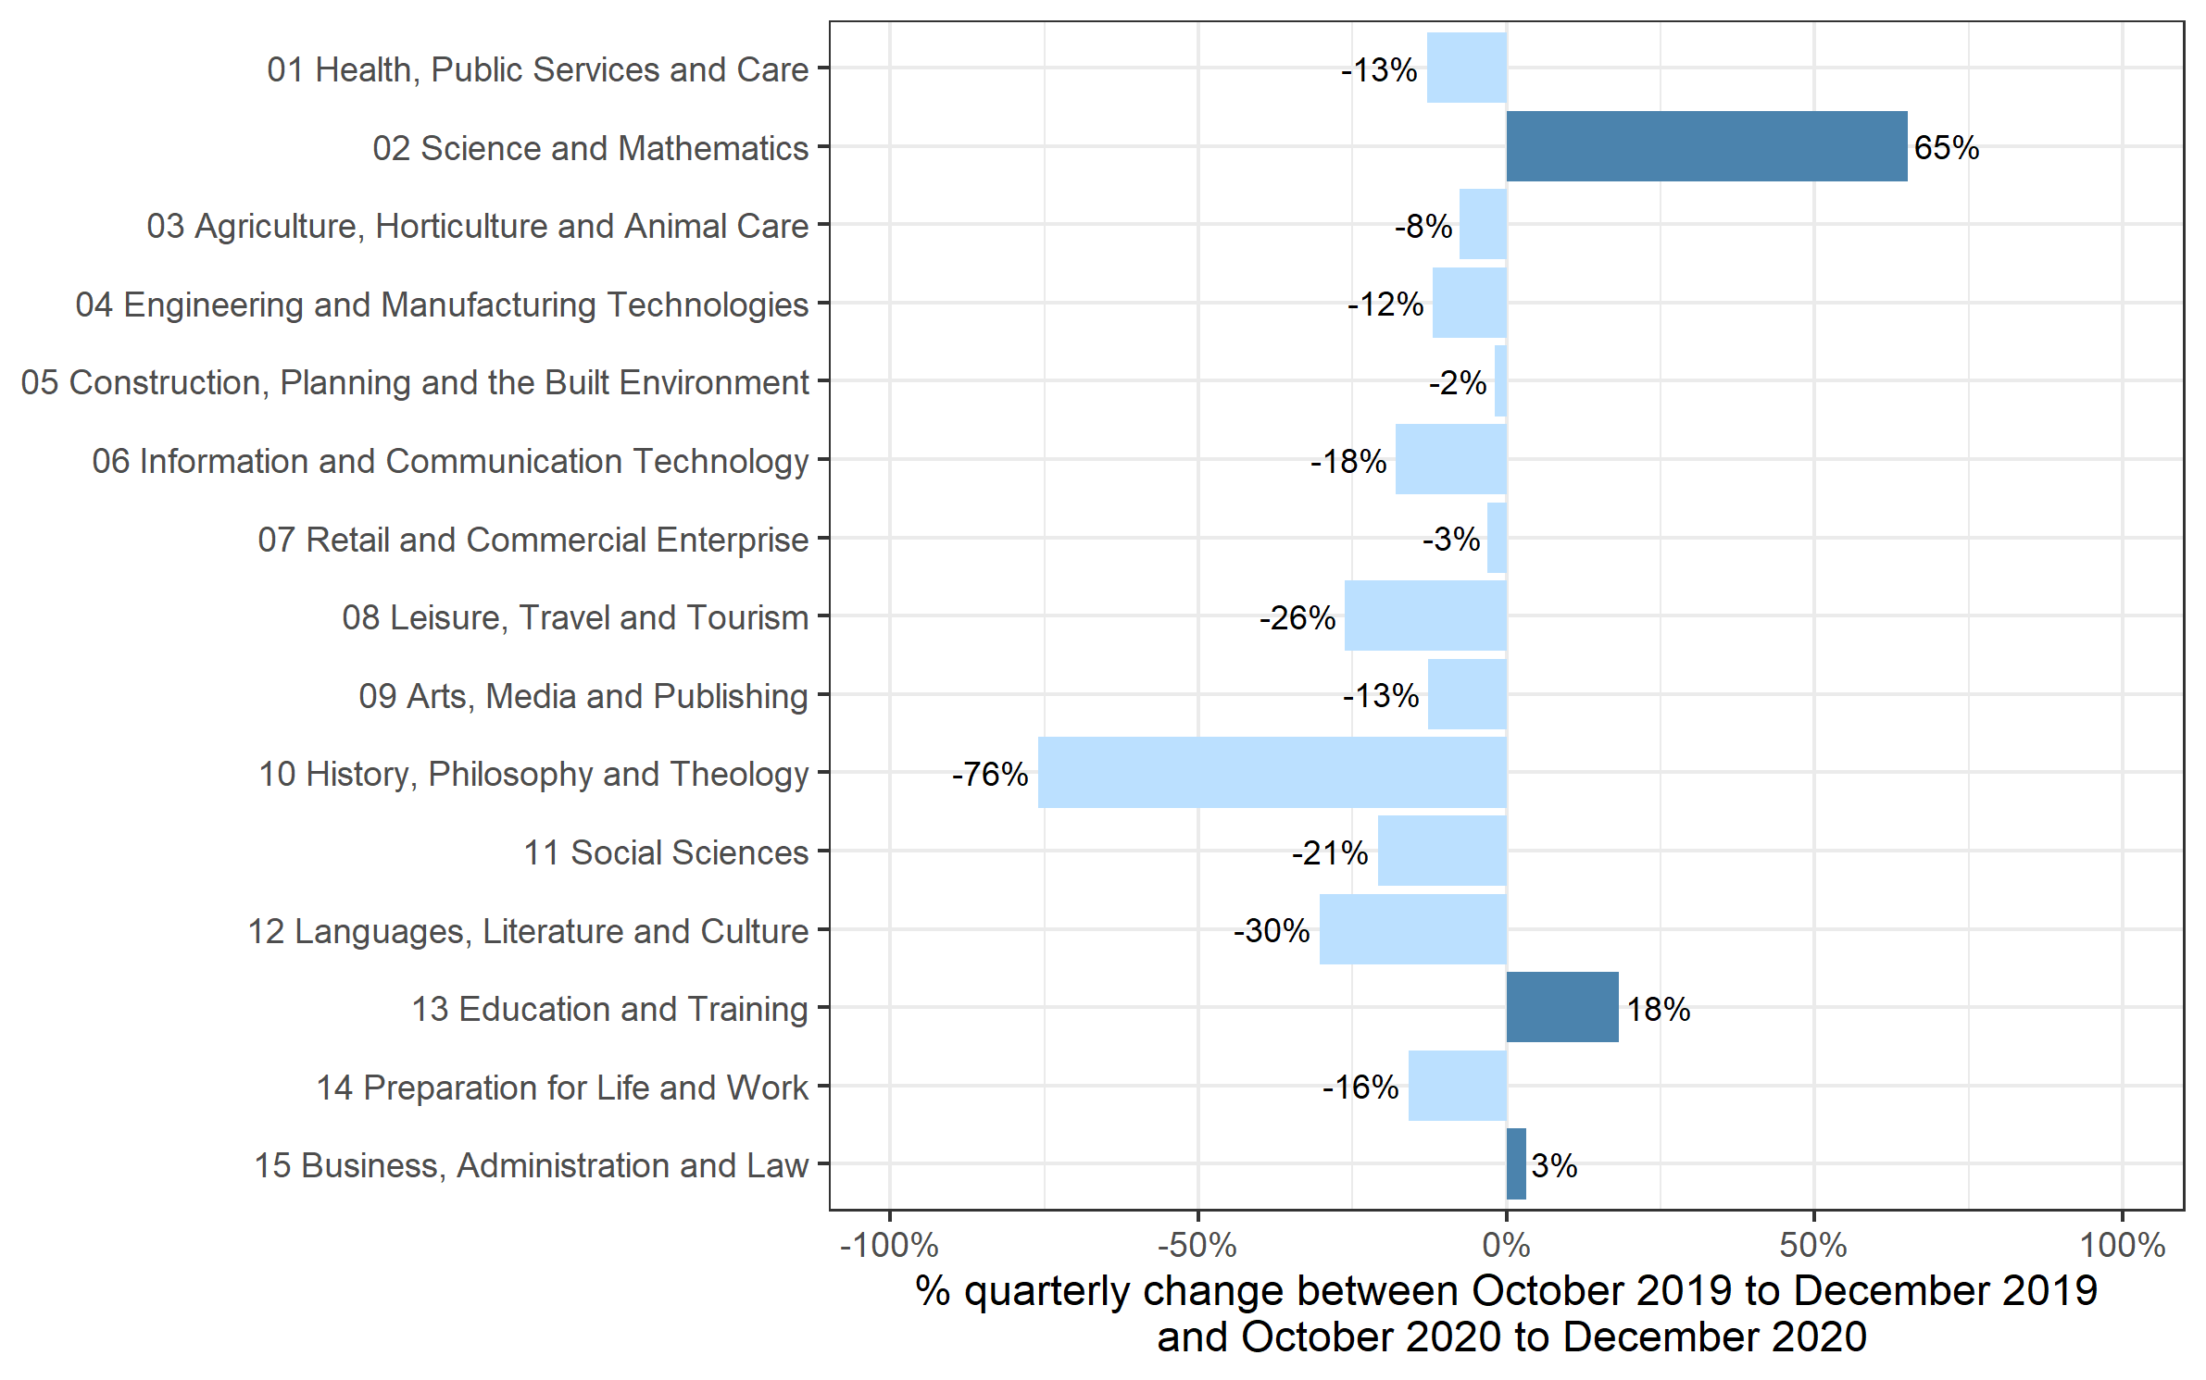
 | Quarterly comparison |  | Annual comparison

Sector Subject Area Code With Description | Oct to Dec 2019 | Oct to Dec 2020 | Jan 2019 to Dec 2019 | Jan 2020 to Dec 2020
01 Health, Public Services and Care | 239,945 | 208,920 | 1,166,120 | 879,625
02 Science and Mathematics | 2,355 | 3,885 | 112,320 | 115,960
03 Agriculture, Horticulture and Animal Care | 16,605 | 15,345 | 88,530 | 69,610
04 Engineering and Manufacturing Technologies | 51,305 | 45,190 | 295,135 | 212,675
05 Construction, Planning and the Built Environment | 73,580 | 72,120 | 403,660 | 270,035
06 Information and Communication Technology | 22,780 | 18,695 | 193,160 | 142,265
07 Retail and Commercial Enterprise | 65,405 | 63,370 | 357,710 | 256,915
08 Leisure, Travel and Tourism | 47,530 | 35,060 | 342,915 | 264,105
09 Arts, Media and Publishing | 118,220 | 103,235 | 762,710 | 443,860
10 History, Philosophy and Theology | 980 | 235 | 13,595 | 10,190
11 Social Sciences | 65 | 55 | 15,840 | 15,600
12 Languages, Literature and Culture | 18,340 | 12,775 | 122,085 | 77,795
13 Education and Training | 16,140 | 19,080 | 88,880 | 80,020
14 Preparation for Life and Work | 164,230 | 138,000 | 1,275,620 | 917,710
15 Business, Administration and Law | 66,750 | 68,905 | 414,325 | 336,625
Total | 904,220 | 804,870 | 5,652,605 | 4,092,995

Historical trends
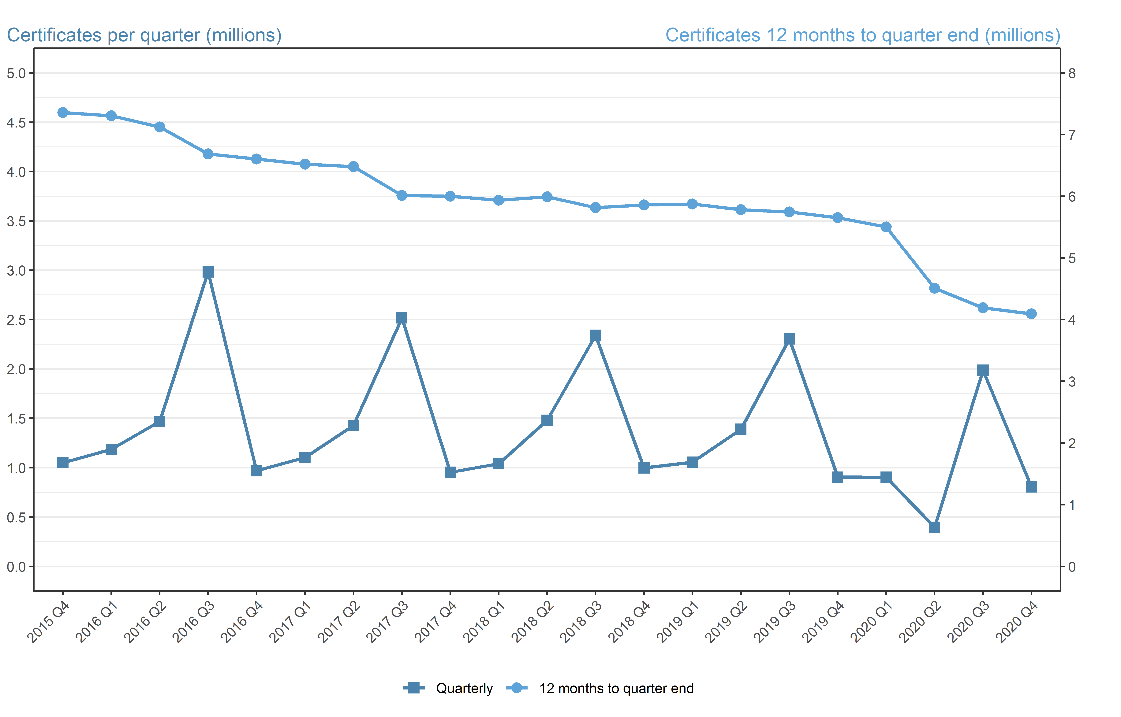
Number of certificates awarded in the past 5 years
Quarterly and 12 months to quarter end

Period | Quarterly | 12 months to quarter end
Jan to Mar 2016 | 1,184,885 | 7,305,245
Apr to Jun 2016 | 1,467,455 | 7,122,840
Jul to Sep 2016 | 2,983,365 | 6,685,340
Oct to Dec 2016 | 967,835 | 6,603,545
Jan to Mar 2017 | 1,102,380 | 6,521,035
Apr to Jun 2017 | 1,427,520 | 6,481,105
Jul to Sep 2017 | 2,516,320 | 6,014,060
Oct to Dec 2017 | 952,960 | 5,999,185
Jan to Mar 2018 | 1,040,485 | 5,937,290
Apr to Jun 2018 | 1,480,100 | 5,989,870
Jul to Sep 2018 | 2,341,205 | 5,814,755
Oct to Dec 2018 | 996,535 | 5,858,330
Jan to Mar 2019 | 1,055,335 | 5,873,180
Apr to Jun 2019 | 1,389,200 | 5,782,275
Jul to Sept 2019 | 2,303,850 | 5,744,920
Oct to Dec 2019 | 904,220 | 5,652,605
Jan to Mar 2020 | 903,965 | 5,501,235
Apr to Jun 2020 | 396,050 | 4,508,085
Jul to Sep 2020 | 1,988,110 | 4,192,345
Oct to Dec 2020 | 804,870 | 4,092,995

