Contents


Supplementary data for the 2019/20 National Minimum Wage Enforcement statistics report

Contents
The tables and figures below correspond with references used in the 2019/20 National Minimum Wage Enforcement statistics summary report.

Table 1. | Minimum wage investigations summary (2009/10 - 2019/20)
Figure 1a. | Minimum wage investigations: arrears and workers identified (2009/10 - 2019/20)
Figure 1b. | Minimum wage investigations: arrears identified and penalties issued compared to HMRC enforcement budget (2014/15 - 2019/20)
Figure 1c. | Minimum wage investigations: average arrears per case and per worker (2009/10 - 2019/20)
Table 2. | Minimum wage investigations: arrears and workers identified, by banded arrears per case (2017/18 - 2019/20)
Table 3. | Minimum wage investigations: highest value of arrears and penalties (2009/10 - 2019/20)
Table 4. | Minimum wage investigations by sector (2019/20)
Table 5. | Minimum wage investigations by workplace region (2019/20)
Figure 5a. | Minimum wage cases closed (2019/20)
Figure 5b. | Minimum wage cases closed where arrears were identified (2019/20)
Figure 5c. | Total workers identified (2019/20)
Figure 5d. | Minimum wage arrears identified (2019/20)
Figure 5e. | Minimum wage penalties issued (2019/20)
Table 6. | Minimum wage enforcement by gender (2009/10 - 2019/20)
Tables 7a and 7b. | Targeted minimum wage investigations (2014/15 - 2019/20)
Tables 8a and 8b. | Complaint-led minimum wage investigations (2014/15 - 2019/20)
Table 9. | Targeted and Complaint-led investigations (2014/15 - 2019/20)
Figure 9a. | Targeted and Complaint-led enforcement: arrears identified (2014/15 - 2019/20)
Figure 9b. | Targeted and Complaint-led enforcement: workers identified (2014/15 - 2019/20)
Table 10. | Minimum wage investigations by Notice of Underpayment or Self-Correction (2019/20)
Tables 11a and 11b. | Apprenticeship and Internship minimum wage cases (2015/16 - 2019/20)
Table 12. | Minimum wage prosecutions (2007/8 - 2019/20)
Table 13. | Minimum wage calls received by Acas (2015/16 - 2019/20)
Table 14. | Minimum wage calls received by Acas, by key topic and caller (2015/16 - 2019/20)
Tables 15a and 15b. | Estimated number of jobs paid below the minimum wage by rate (April 2020), and estimated Minmum Wage underpayment over time (2016 - 2020)
Table 16. | Estimated number of jobs paid below the minimum wage by region (April 2020)
Figure 16. | Lower-bound estimates of jobs paid below the minimum wage by region (April 2020)
Table 17. | Estimated number of jobs paid below and covered by the minimum wage, by parliamentary constituency (2020)
Table 18. | Estimated number of jobs paid below the minimum wage by Low Pay Sector (April 2020)
Figure 18. | Estimated number of jobs paid below the minimum wage by Low Pay Sector (April 2020)
Table 19. | Estimated National Living Wage underpayment in 10p pay band (April 2020)
Figure 19. | Etimates of National Living Wage underpayment in 10p pay band (April 2020)

The Department welcomes any comments, queries or feedback on this release:
enquiries@beis.gov.uk

Department for Business, Energy and Industrial Strategy
1 Victoria Street
Westminster
London
SW1H 0ET

0207 215 5000

Figure 1a
Figure 1a. Minimum wage investigations: arrears and workers identified (2009/10 - 2019/20)

 | Arrears | SCCS Arrears | Workers
2009/10 | £4,390,023 | £0 | 19,245
2010/11 | £3,818,396 | £0 | 22,919
2011/12 | £3,582,685 | £0 | 17,371
2012/13 | £3,974,008 | £0 | 26,519
2013/14 | £4,645,547 | £0 | 22,610
2014/15 | £3,291,529 | £0 | 26,318
2015/16 | £10,281,396 | £0 | 58,080
2016/17 | £10,918,047 | £0 | 98,150
2017/18 | £15,615,609 | £0 | 201,785
2018/19 | £18,372,007 | £6,075,912 | 221,581
2019/20* | £20,581,253 | £255,356 | 263,350

 | Source: BEIS/HMRC enforcement data

 | Notes:
 | 1. An additional 30 cases were originally closed in 2015/16 but the employer notified HMRC of additional arrears in 2016/17. The arrears in these cases are included in the arrears total for 2016/17.
 | 2. There are an additional 11 cases originally closed prior to 2018/19 which notified further arrears in 2018/19. These cases are included in the arrears total for 2018/19
 | *There are an additional 8 cases originally closed prior to 2019/20 which notified further arrears in 2019/20. These cases are included in the arrears total for 2019/20.

Figure 1b
Figure 1b. Minimum wage investigations: arrears identified and penalties issued compared to HMRC enforcement budget (2014/15 - 2019/20)

 | Total Arrears | Total value of Penalties | HMRC enforcement budget
2014/15 | £3,291,529 | £934,660 | £9,200,000
2015/16 | £10,281,396 | £1,780,500 | £13,200,000
2016/17 | £10,918,047 | £3,892,381 | £20,000,000
2017/18 | £15,615,609 | £14,070,621 | £25,300,000
2018/19 | £24,447,919 | £17,134,737 | £26,200,000
2019/20* | £20,836,609 | £18,453,289 | £26,300,000

 | Source: BEIS/HMRC enforcement data

 | Notes:
 | 1. An additional 30 cases were originally closed in 2015/16 but the employer notified HMRC of additional arrears in 2016/17. The arrears in these cases are included in the arrears total for 2016/17.
 | 2. There are an additional 11 cases originally closed prior to 2018/19 which notified further arrears in 2018/19. These cases are included in the arrears total for 2018/19
 | 3. Arrears from the Social Care Compliance Scheme (SCCS) are included in this graph
 | *There are an additional 8 cases originally closed prior to 2019/20 which notified further arrears in 2019/20. These cases are included in the arrears total for 2019/20.

Figure 1c
Figure 1c. Minimum wage investigations: average arrears per case and per worker (2009/10 - 2019/20)

 | Average number of workers per case | Average arrears per worker | Average arrears per case
2009/10 | 5 | £228 | £1,205
2010/11 | 8 | £167 | £1,316
2011/12 | 7 | £206 | £1,414
2012/13 | 16 | £150 | £2,343
2013/14 | 16 | £205 | £3,193
2014/15 | 12 | £125 | £1,493
2015/16 | 22 | £177 | £3,855
2016/17 | 37 | £111 | £4,083
2017/18 | 84 | £77 | £6,501
2018/19 | 73 | £110 | £8,101
2019/20* | 78 | £79 | £6,172

 | Source: BEIS/HMRC enforcement data

 | Notes:
 | 1. Arrears from the Social Care Compliance Scheme (SCCS) are included in this graph
 | 2. An additional 30 cases were originally closed in 2015/16 but the employer notified HMRC of additional arrears in 2016/17. The arrears in these cases are included in the arrears total for 2016/17.
 | 3. There are an additional 11 cases originally closed prior to 2018/19 which notified further arrears in 2018/19. These cases are included in the arrears total for 2018/19
 | * There are an additional 8 cases originally closed prior to 2019/20 which notified further arrears in 2019/20. These cases are included in the arrears total for 2019/20.

Figure 5a
Figure 5a.

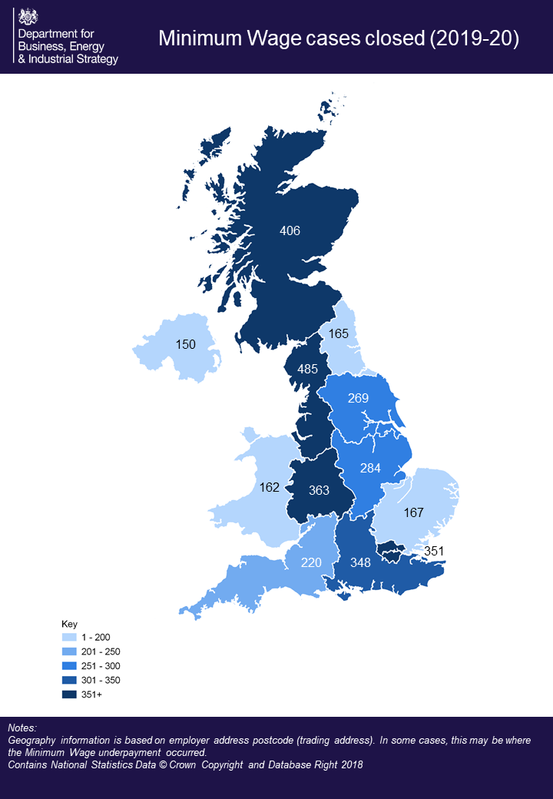

 | Notes
 | Geography information is based on employer address postcode (trading address). In some cases, this may be where the minimum wage underpayment occurred.
 | Figures in the millions are rounded to the nearest one hundred thousand (£X.Xm), and may therefore differ to the figures provided in Table 5 in the accompanying excel data
 | Contains National Statistics Data© Crown Copyright and Database Right 2018

 | Source: BEIS/HMRC enforcement data

Figure 5b
Figure 5b.

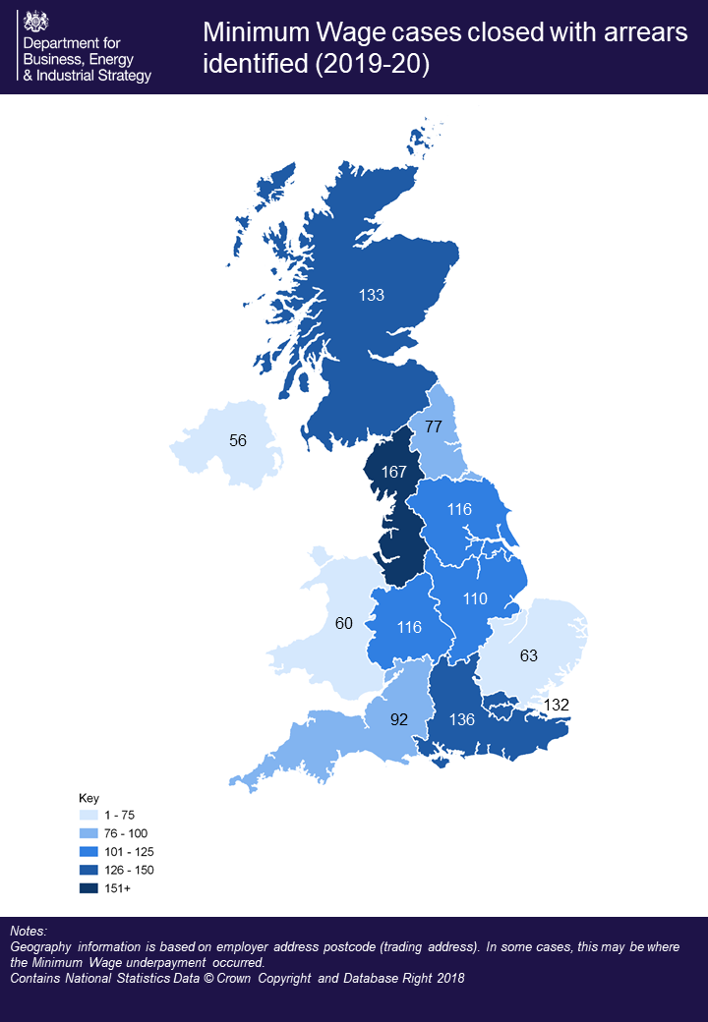

 | Notes
 | Geography information is based on employer address postcode (trading address). In some cases, this may be where the minimum wage underpayment occurred.
 | Figures in the millions are rounded to the nearest one hundred thousand (£X.Xm), and may therefore differ to the figures provided in Table 5 in the accompanying excel data
 | Contains National Statistics Data© Crown Copyright and Database Right 2018

 | Source: BEIS/HMRC enforcement data

Figure 5c
Figure 5c.

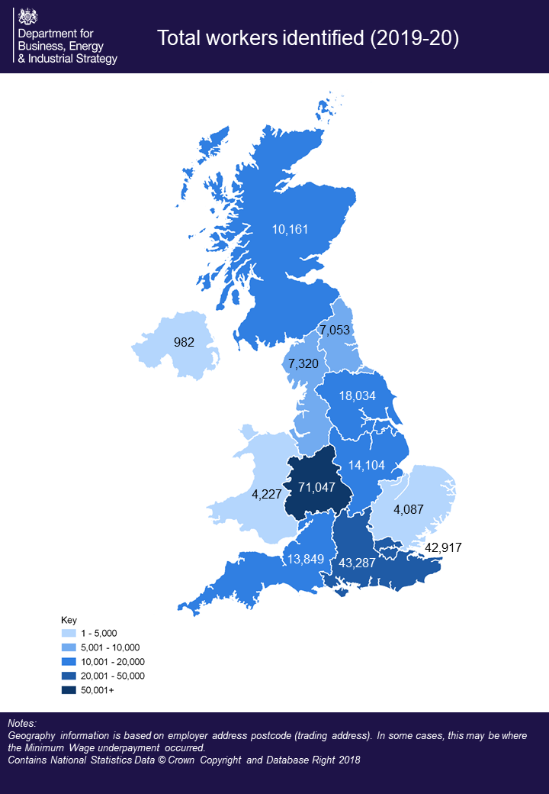

 | Notes
 | Geography information is based on employer address postcode (trading address). In some cases, this may be where the minimum wage underpayment occurred.
 | Figures in the millions are rounded to the nearest one hundred thousand (£X.Xm), and may therefore differ to the figures provided in Table 5 in the accompanying excel data
 | Contains National Statistics Data© Crown Copyright and Database Right 2018

 | Source: BEIS/HMRC enforcement data

Figure 5d
Figure 5d.

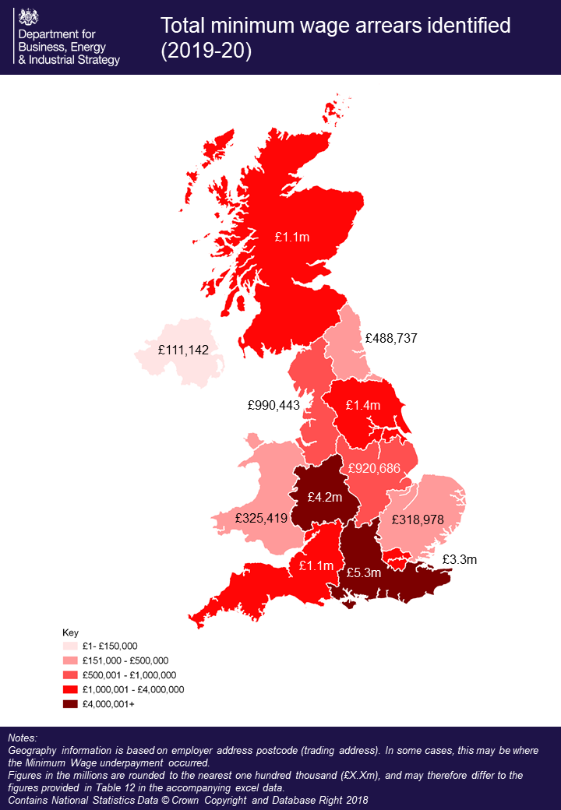

 | Notes
 | Geography information is based on employer address postcode (trading address). In some cases, this may be where the minimum wage underpayment occurred.
 | Figures in the millions are rounded to the nearest one hundred thousand (£X.Xm), and may therefore differ to the figures provided in Table 5 in the accompanying excel data
 | Contains National Statistics Data© Crown Copyright and Database Right 2018

 | Source: BEIS/HMRC enforcement data

Figure 5e
Figure 5e.

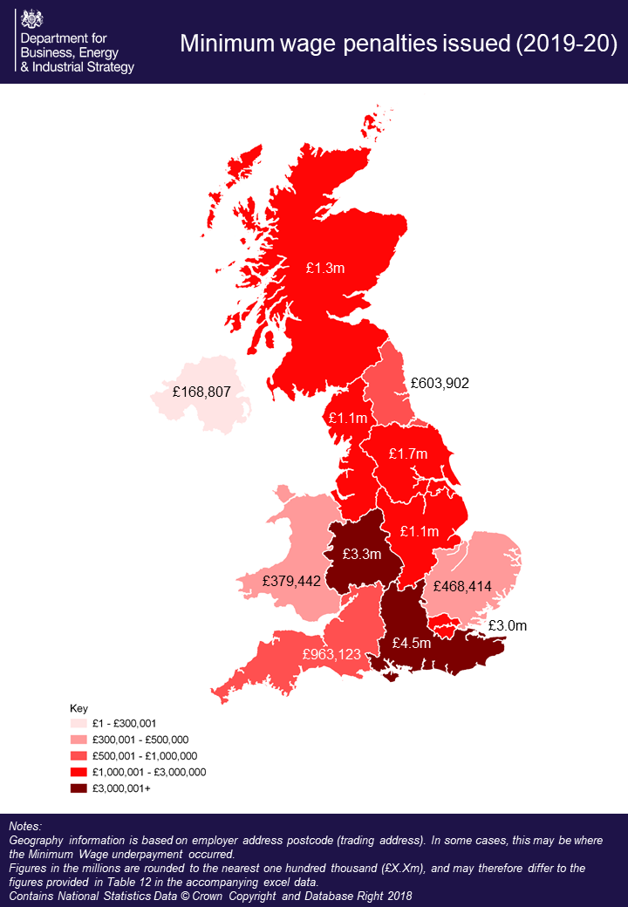

 | Notes
 | Geography information is based on employer address postcode (trading address). In some cases, this may be where the minimum wage underpayment occurred.
 | Figures in the millions are rounded to the nearest one hundred thousand (£X.Xm), and may therefore differ to the figures provided in Table 5 in the accompanying excel data
 | Contains National Statistics Data© Crown Copyright and Database Right 2018

 | Source: BEIS/HMRC enforcement data

Figure 9a
Figure 9a. Targeted and Complaint-led enforcement: arrears identified (2014/15 - 2019/20)
 | Targeted enforcement | Complaint-led enforcement
2014/15 | £579,385 | £2,712,144
2015/16 | £6,984,043 | £3,297,353
2016/17 | £5,181,343 | £5,736,704
2017/18 | £3,800,083 | £11,815,526
2018/19 | £9,936,606 | £14,511,313
2019/20 | £15,829,949 | £5,006,660

 | Source: BEIS/HMRC enforcement data

Figure 9b
Figure 9b. Targeted and Complaint-led enforcement: workers identified (2014/15 - 2019/20)
 | Targeted enforcement | Complaint-led enforcement
2014/15 | 5,247 | 21,071
2015/16 | 43,486 | 14,594
2016/17 | 68,290 | 29,860
2017/18 | 64,453 | 137,332
2018/19 | 96,577 | 125,004
2019/20 | 212,499 | 50,851

 | Source: BEIS/HMRC enforcement data

Figure 16
Figure 16. Estimates of jobs paid below the minimum wage by region (April 2020)
 | Number of jobs paid below relevant minimum wage | % of all jobs paid below relevant minimum wage
South East | 47,000 | 1.3%
North West and Merseyside | 39,000 | 1.6%
Eastern | 37,000 | 1.7%
Yorks & Humber | 35,000 | 1.9%
South West | 36,000 | 1.9%
London | 31,000 | 0.9%
West Midlands | 28,000 | 1.5%
East Midlands | 26,000 | 1.7%
Scotland | 26,000 | 1.2%
North East | 18,000 | 2.2%
Wales | 16,000 | 1.5%

 |  | Source: BEIS analysis of Annual Survey of Hours and Earnings 2020

 | Source: BEIS analysis of Annual Survey of Hours and Earnings 2020

 | Notes:
 | 1. Figures are rounded to the nearest thousand
 | 2. This covers underpayment across all minimum wage rates
 | 3. The figures shown exclude furloughed workers, and are therefore an underestimate of non-compliance. For more detail, please see "Measuring non-compliance with the minimum wage" in the accompanying report.

Figure 18
Figure 18. Estimated jobs paid below the minimum wage by Low Pay Sector (April 2020)

 | Number of jobs paid below relevant minimum wage | % of all jobs paid below relevant minimum wage
Hospitality | 38,000 | 8.1%
Retail | 38,000 | 2.4%
Cleaning and maintenance | 38,000 | 5.6%
Childcare | 23,000 | 8.2%
Transport | 14,000 | 4.2%
Social care | 27,000 | 3.1%
Office work | 14,000 | 3.6%
Storage | 12,000 | 2.5%
Non-food processing | 6,000 | 2.4%
Hair and beauty | 2,000 | 15.4%
Leisure | 3,000 | 2.7%
Food processing | 5,000 | 1.4%
Security and enforcement | 2,000 | 1.6%
Agriculture | 6,000 | 3.2%
Call centres | 3,000 | 4.5%
Textiles | - | 0.0%
Non low-paying sectors | 119,000 | 0.7%

 | Source: BEIS analysis of Annual Survey of Hours and Earnings 2020

 | Notes:
 | 1. Figures are rounded to the nearest thousand
 | 2. This covers underpayment across all minimum wage rates
 | 3. The figures shown exclude furloughed workers, and are therefore an underestimate of non-compliance. For more detail, please see "Measuring non-compliance with the minimum wage" in the accompanying report.

Figure 19
Figure 19. Estimates of National Living Wage underpayment in 10p pay band (April 2020)

 | Underpaid by 1p | Underpaid by 2-3p | Underpaid by 4-5p | Underpaid by 6-7p | Underpaid by 8-9p
 | 18937.746356 | 36479.049111 | 15897.224885 | 3478.1001864 | 3519.0661876
£0.10 to £0.20 | 0 | 0 | 0 | 0 | 0 | 18072.33579
£0.21 to £0.30 | 0 | 0 | 0 | 0 | 0 | 14493.260635
£0.31 to £0.40 | 0 | 0 | 0 | 0 | 0 | 12050.893602
£0.41 to £0.50 | 0 | 0 | 0 | 0 | 0 | 11446.45886
£0.51 to £0.60 | 0 | 0 | 0 | 0 | 0 | 27410.810979
£0.61 to £0.70 | 0 | 0 | 0 | 0 | 0 | 6081.4291549
£0.71 to £0.80 | 0 | 0 | 0 | 0 | 0 | 9358.1162047
£0.81 to £0.90 | 0 | 0 | 0 | 0 | 0 | 4718.925187
£0.91 to £1.00 | 0 | 0 | 0 | 0 | 0 | 4413.7825303
£1.01 to £1.10 | 0 | 0 | 0 | 0 | 0 | 10196.287062
£1.11 to £1.20 | 0 | 0 | 0 | 0 | 0 | 7769.6123129
£1.21 to £1.30 | 0 | 0 | 0 | 0 | 0 | 7618.1309784
£1.31 to £1.40 | 0 | 0 | 0 | 0 | 0 | 6408.0751595
£1.41 to £1.50 | 0 | 0 | 0 | 0 | 0 | 4555.254802
£1.51 to £1.60 | 0 | 0 | 0 | 0 | 0 | 5457.69758
£1.61 to £1.70 | 0 | 0 | 0 | 0 | 0 | 5421.5035005
£1.71 to £1.80 | 0 | 0 | 0 | 0 | 0 | 5157.0258
£1.81 to £1.90 | 0 | 0 | 0 | 0 | 0 | 2688.1027666
£1.91 to £2.00 | 0 | 0 | 0 | 0 | 0 | 3718.0094743
£2.01 to £2.10 | 0 | 0 | 0 | 0 | 0 | 1618.1946148
£2.11 to £2.20 | 0 | 0 | 0 | 0 | 0 | 2684.0949672
£2.21 to £2.30 | 0 | 0 | 0 | 0 | 0 | 1398.1881311
£2.31 to £2.40 | 0 | 0 | 0 | 0 | 0 | 2148.4164363
£2.41 to £2.50 | 0 | 0 | 0 | 0 | 0 | 1598.8456975
£2.51 to £2.60 | 0 | 0 | 0 | 0 | 0 | 1533.5543425
£2.61 to £2.70 | 0 | 0 | 0 | 0 | 0 | 1558.3826634
£2.71 to £2.80 | 0 | 0 | 0 | 0 | 0 | 1217.968726
£2.81 to £2.90 | 0 | 0 | 0 | 0 | 0 | 1310.4682166
£2.91 to £3.00 | 0 | 0 | 0 | 0 | 0 | 473.04033054
£3.01+ | 0 | 0 | 0 | 0 | 0 | 35777.80721

 | Source: BEIS analysis of Annual Survey of Hours and Earnings 2020

 | Notes:
 | 1. Figures are rounded to the nearest hundred
 | 2. This table covers underpayment across all the National Living Wage (NLW) rate, which applies only to workers aged 25 years and over. The NLW was set at £8.72 in 2020.
 | 3. The figures shown exclude furloughed workers, and are therefore an underestimate of non-compliance. For more detail, please see "Measuring non-compliance with the minimum wage" in the accompanying report.

 | Source: BEIS analysis of Annual Survey of Hours and Earnings 2020

 | Notes:
 | 1. Figures are rounded to the nearest hundred
 | 2. This table covers underpayment across all the National Living Wage (NLW) rate, which applies only to workers aged 25 years and over. The NLW was set at £8.72 in 2020.
 | 3. The upper-bound graph has two additional spikes at 80% of the 2020 NLW and 80% of the 2019 NLW because it includes furloughed workers

