Title


 |  |  | Green Homes Grant Vouchers (GHGV)
 |  |  | Statistics

Please direct all press enquiries to Press Officer 020 7215 5975

Responsible Statistician |  | Responsible Statistician
Helene Clark |  | Billy Cole
EnergyEfficiency.Stats@beis.gov.uk |  | EnergyEfficiency.Stats@beis.gov.uk
020 7215 1259 |  | 020 7215 1927

This workbook was updated on: | 18-Feb-21
The next update for these statistics is: | 18-Mar-21

Data covered in this release is for all applications to the end of January 2021.

Charts
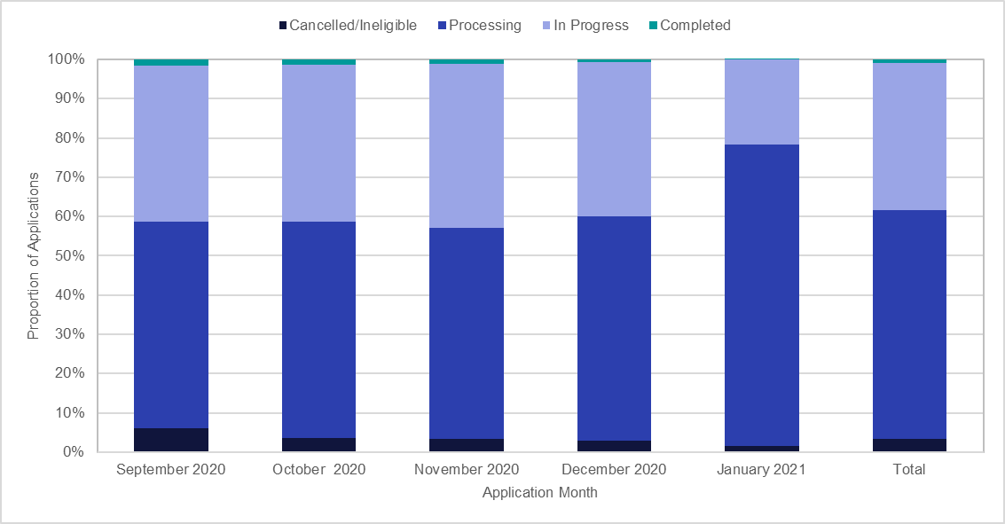
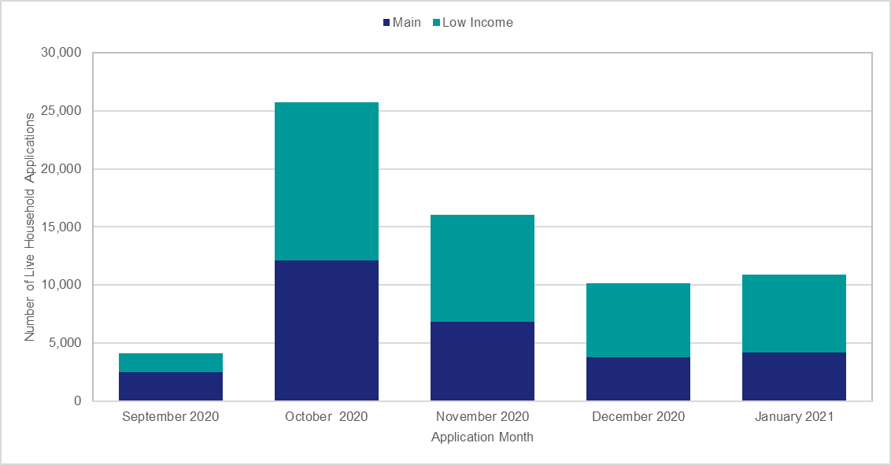
Chart 1: Household Application Processing by Application Month, for applications to end of January 2021 | Chart 2: Voucher Application Processing by Application Month, for applications to end of January 2021
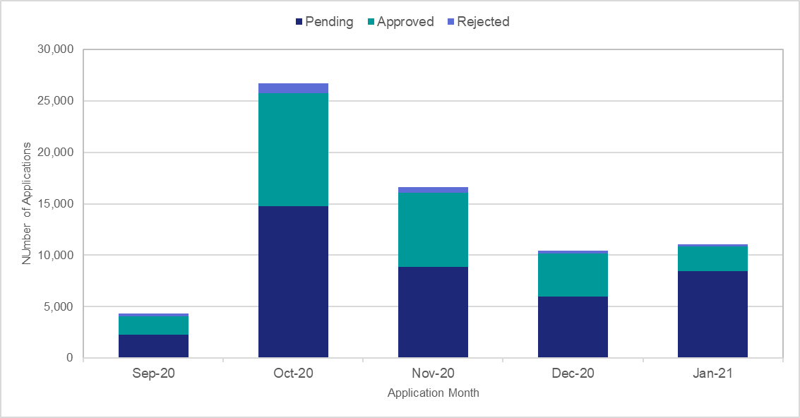
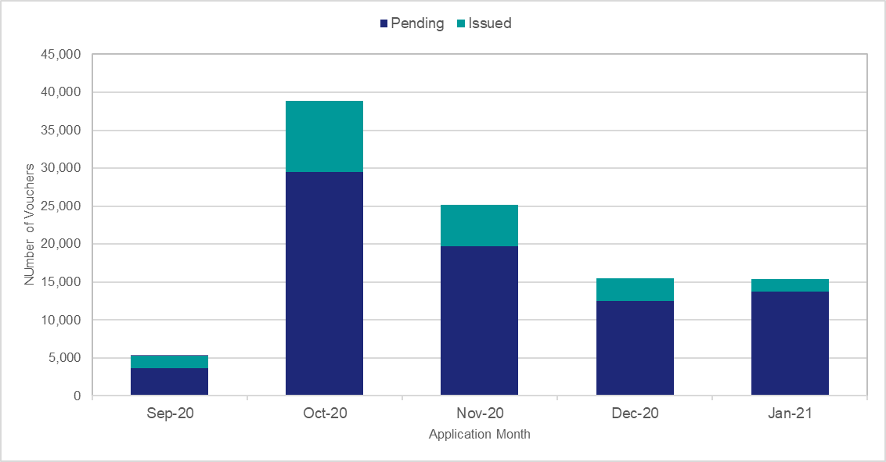

Chart 3: Number of Measures Installed by Measure Type, for applications to end of January 2021 | Chart 4: Proportion of Measures Installed by English Region, for applications to end of January 2021

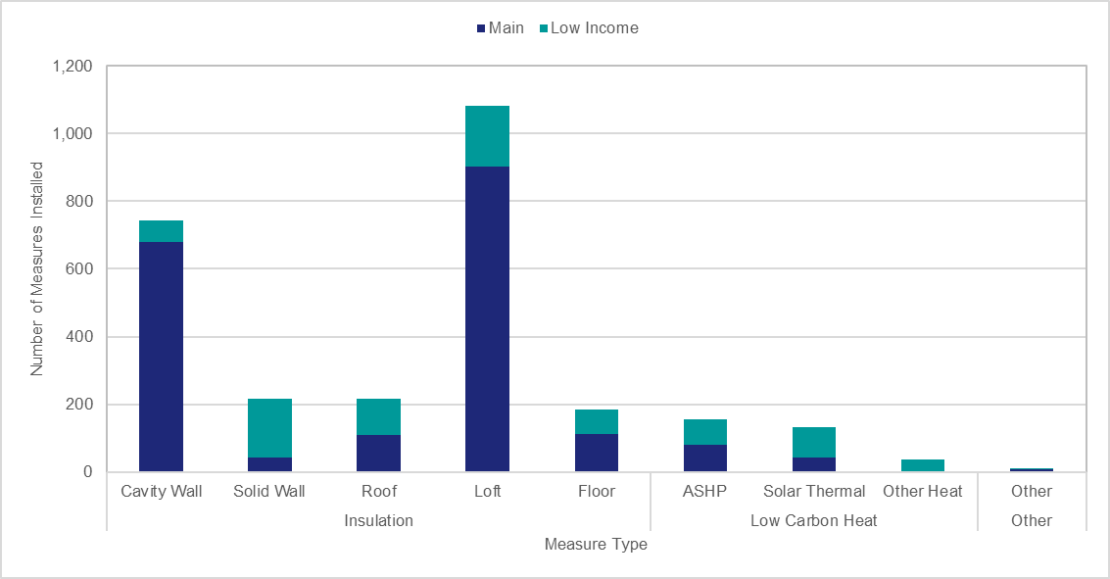
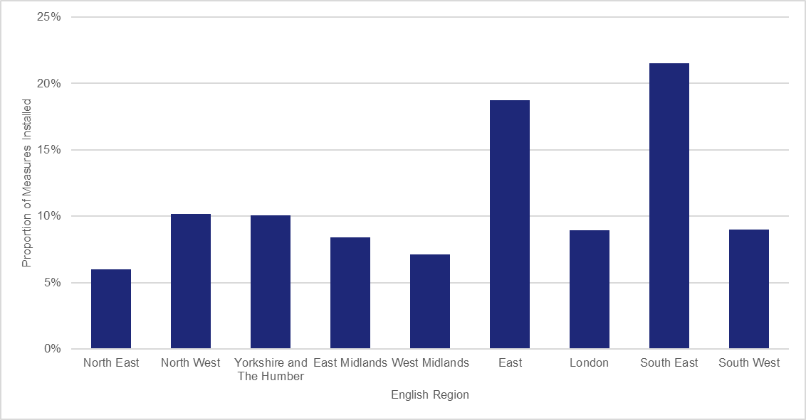

Chart 5: Number of Vouchers Applied for and Issued by Measure Group, for applications to end of January 2021 | Chart 6: Number of Vouchers Applied for and Issued by Region, for applications to end of January 2021

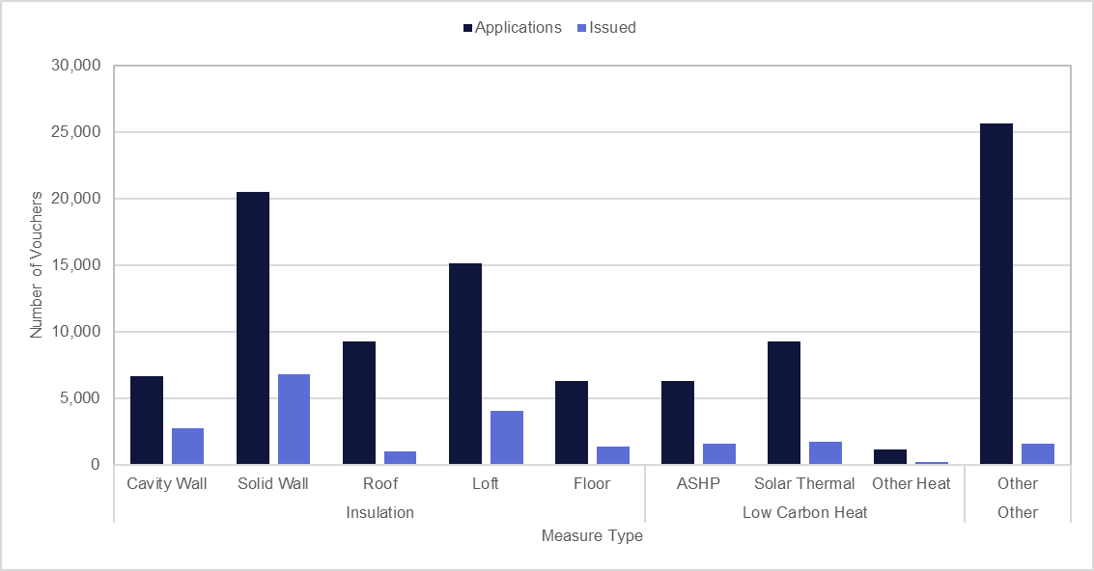
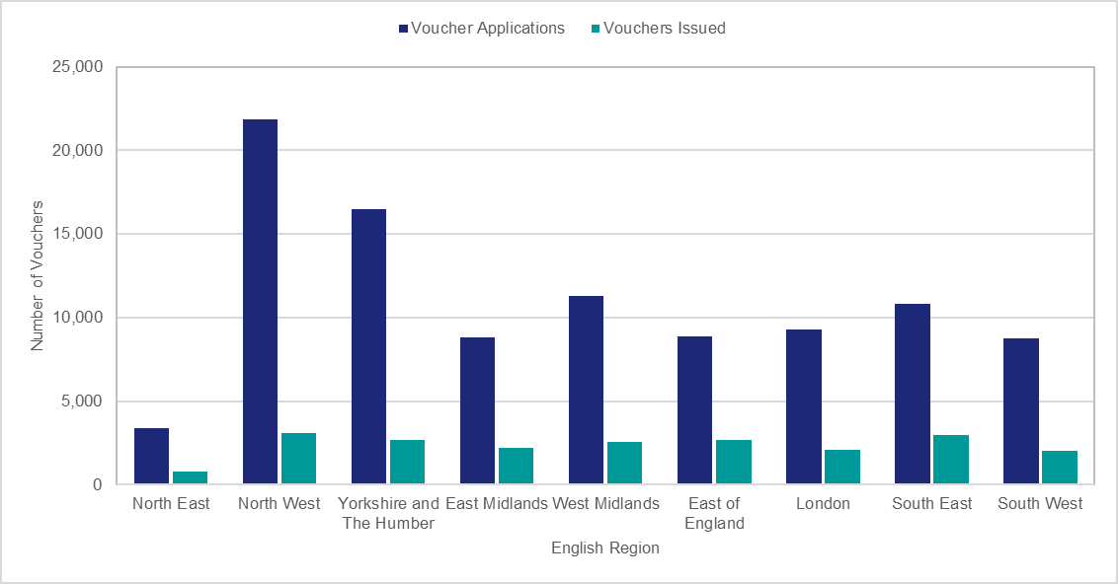

Chart 7: Proportion of Household Applications by Status, for applications to end of January 2021 | Chart 8: 'Live' Applications by Application Month and scheme type proportion, for applications to end of January 2021

