Guidance
Industrial Energy Transformation Fund - Project Benefit Calculator
i. Introduction
This calculator forms part of your application for the Industrial Energy Transformation Fund energy efficiency deployment competition. It captures information on energy consumption, fuel bills, production levels and greenhouse gas emissions. The information input into the calculator will be assessed by a technical assessor and used to determine how cost effective your project is at generating carbon and fuel bill savings, which will form part of the competitive ranking process, as well as whether your project meets the minimum value for money standards required for government funding. You will need to upload this calculator in excel format as an appendix to your response to Question 7: Project benefits on the main application portal. In your answer to Question 7 in the application portal, you will also need to outline the calculations and assumptions underpinning your inputs to this calculator. You can also provide as an additional appendix to Question 7 any evidence that further supports your figures (e.g. data from readouts from on-site monitoring systems, reports showing current output or energy usage, internal analysis or business case showing expected energy savings and output changes from the project). Your appendix must be a PDF, can be up to 2 A4 pages long, and the font must be legible at 100% zoom. If you have any questions on how to use the tool or what supporting evidence you will need to provide, please email us at support@innovateuk.ukri.org or call the competition helpline on 0300 321 4357 between 9am and 5:30pm, Monday to Friday.

ii. How to use the calculator
Any calculator inputs for you to complete will be highlighted in yellow:
Inputs:
Project Lifespan (years): This is the number of years over which you expect the project to deliver the estimated energy savings. It is used to calculate the total project benefits, and is capped at a maximum lifespan of 40 years. You will need to detail how you have arrived at the figure in your answer to Question 7 on the main application portal. Total amount of IETF grant requested (£): This is the amount of grant funding support you are seeking from the Industrial Energy Transformation Fund. Please check that this figure matches the amount requested on the main application portal. This is used to determine the cost-effectiveness of your project. Was the installation/site where the project is taking place covered by the EU Emissions Trading System in 2020?: Please answer yes or no. Your answer here is used to determine how your project interacts with the carbon savings expected to be delivered by the UK Emissions Trading System, and therefore how your carbon savings should be valued. Production output units: This is the unit of measurement that you are using to define your production output. It can be whatever is most appropriate for your business and project, provided that this is consistent across the baseline and post-intervention scenarios. Baseline and post-intervention production output (per annum): Carbon and fuel bill savings will be assessed on a per unit of production output basis. Therefore, please input your baseline level of production output (what would occur without IETF funding) and your post-intervention level of production output (the expected level of production output after the energy efficiency measure has been implemented), preferably at the level of the process that will be impacted by the energy efficiency improvement. Note that the IETF will not typically provide grant support towards the costs incurred as a result of investments to increase production, but recognises that changes in production levels may form part of the project. In thes

Projects impacting the consumption of multiple fuel types or processes.
The calculator allows you to enter information for up to five different types of fuel. Where a project impacts the fuel consumption (MWh) of multiple fuels, applicants must detail the consumption of each fuel type separately as this will impact the calculation of carbon and fuel bill savings. Examples of where multiple fuels may be entered include: - A process that consumes electricity (e.g. pumps) and natural gas (e.g. furnace), and where the energy efficiency measure will impact the consumption of both fuels. - A fuel switching project whereby one fuel type is being replaced by another. A common example is changing from a fossil fuel (e.g. a natural gas boiler) to electricity (e.g. a heat pump). A detailed example of a fuel switch project and how it is entered into the calculator can be found in worked example number 2 at the bottom of the page.

iii. Data sources
Source | Link | Version
Green Book supplementary guidance: valuation of energy use and greenhouse gas emissions for appraisal | https://www.gov.uk/government/publications/valuation-of-energy-use-and-greenhouse-gas-emissions-for-appraisal | March 2020
Government emission conversion factors for greenhouse gas company reporting | https://www.gov.uk/government/collections/government-conversion-factors-for-company-reporting | Greenhouse gas reporting: conversion factors 2020

iv. Worked examples
Example 1: a manufacturing firm has identified an energy efficiency measure to reduce gas consumption on an industrial process. Using a £500,000 IETF grant, the company estimates a saving of 20% on the consumption of gas for the process.
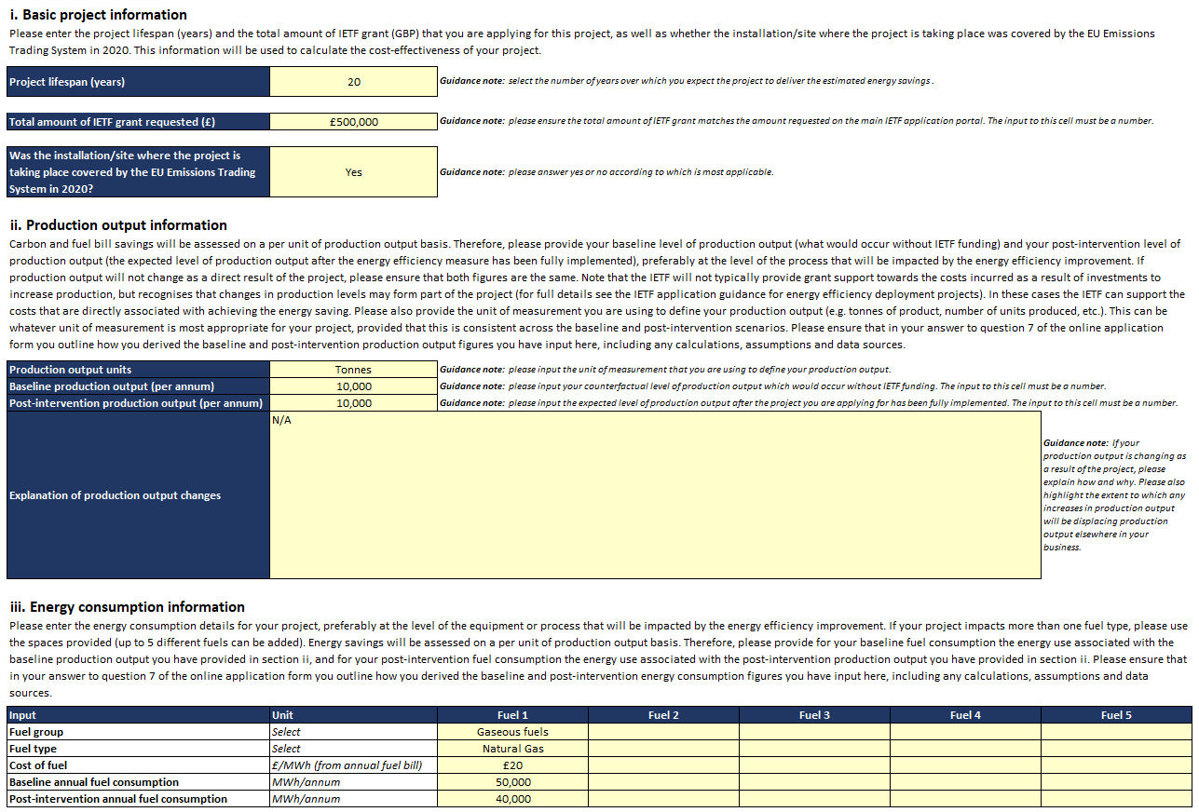


Example 2: A manufacturing firm will use a £1 million IETF grant to install new modern electrical kilns, replacing existing gas-fired equipment. The new equipment will improve the production process, resulting in less energy consumption while switching to a low-carbon fuel source, and also increasing output by 10%.

