Contents

Vocational and Other Qualifications Quarterly: July to September (quarter 3) 2020
 |  | England

Table 1 | Number of certificates awarded by qualification type

Table 2 | Number of certificates awarded by qualification level

Table 3 | Number of certificates awarded by sector subject area

Table 4 | Number of certificates awarded in the past 5 years

Table 5 | Number of certificates awarded in this quarter by second-tier sector subject area

Table 6 | The 50 qualifications with the highest number of certificates issued in this quarter

Table 7 | The 50 awarding organisations with the highest number of certificates issued in this quarter

Table 8 | The 50 awarding organisations with the highest number of certificates issued in the 12 months to this quarter end

Notes | Notes accompanying this release

Reference: Ofqual/xx/xxxx/x
Release date: 19 November 2020
Head of Profession: Vikas Dhawan
Contact: data.analytics@ofqual.gov.uk

Certificates by type
Number of certificates awarded by qualification type
Comparison with the same quarter previous year and previous 12 months

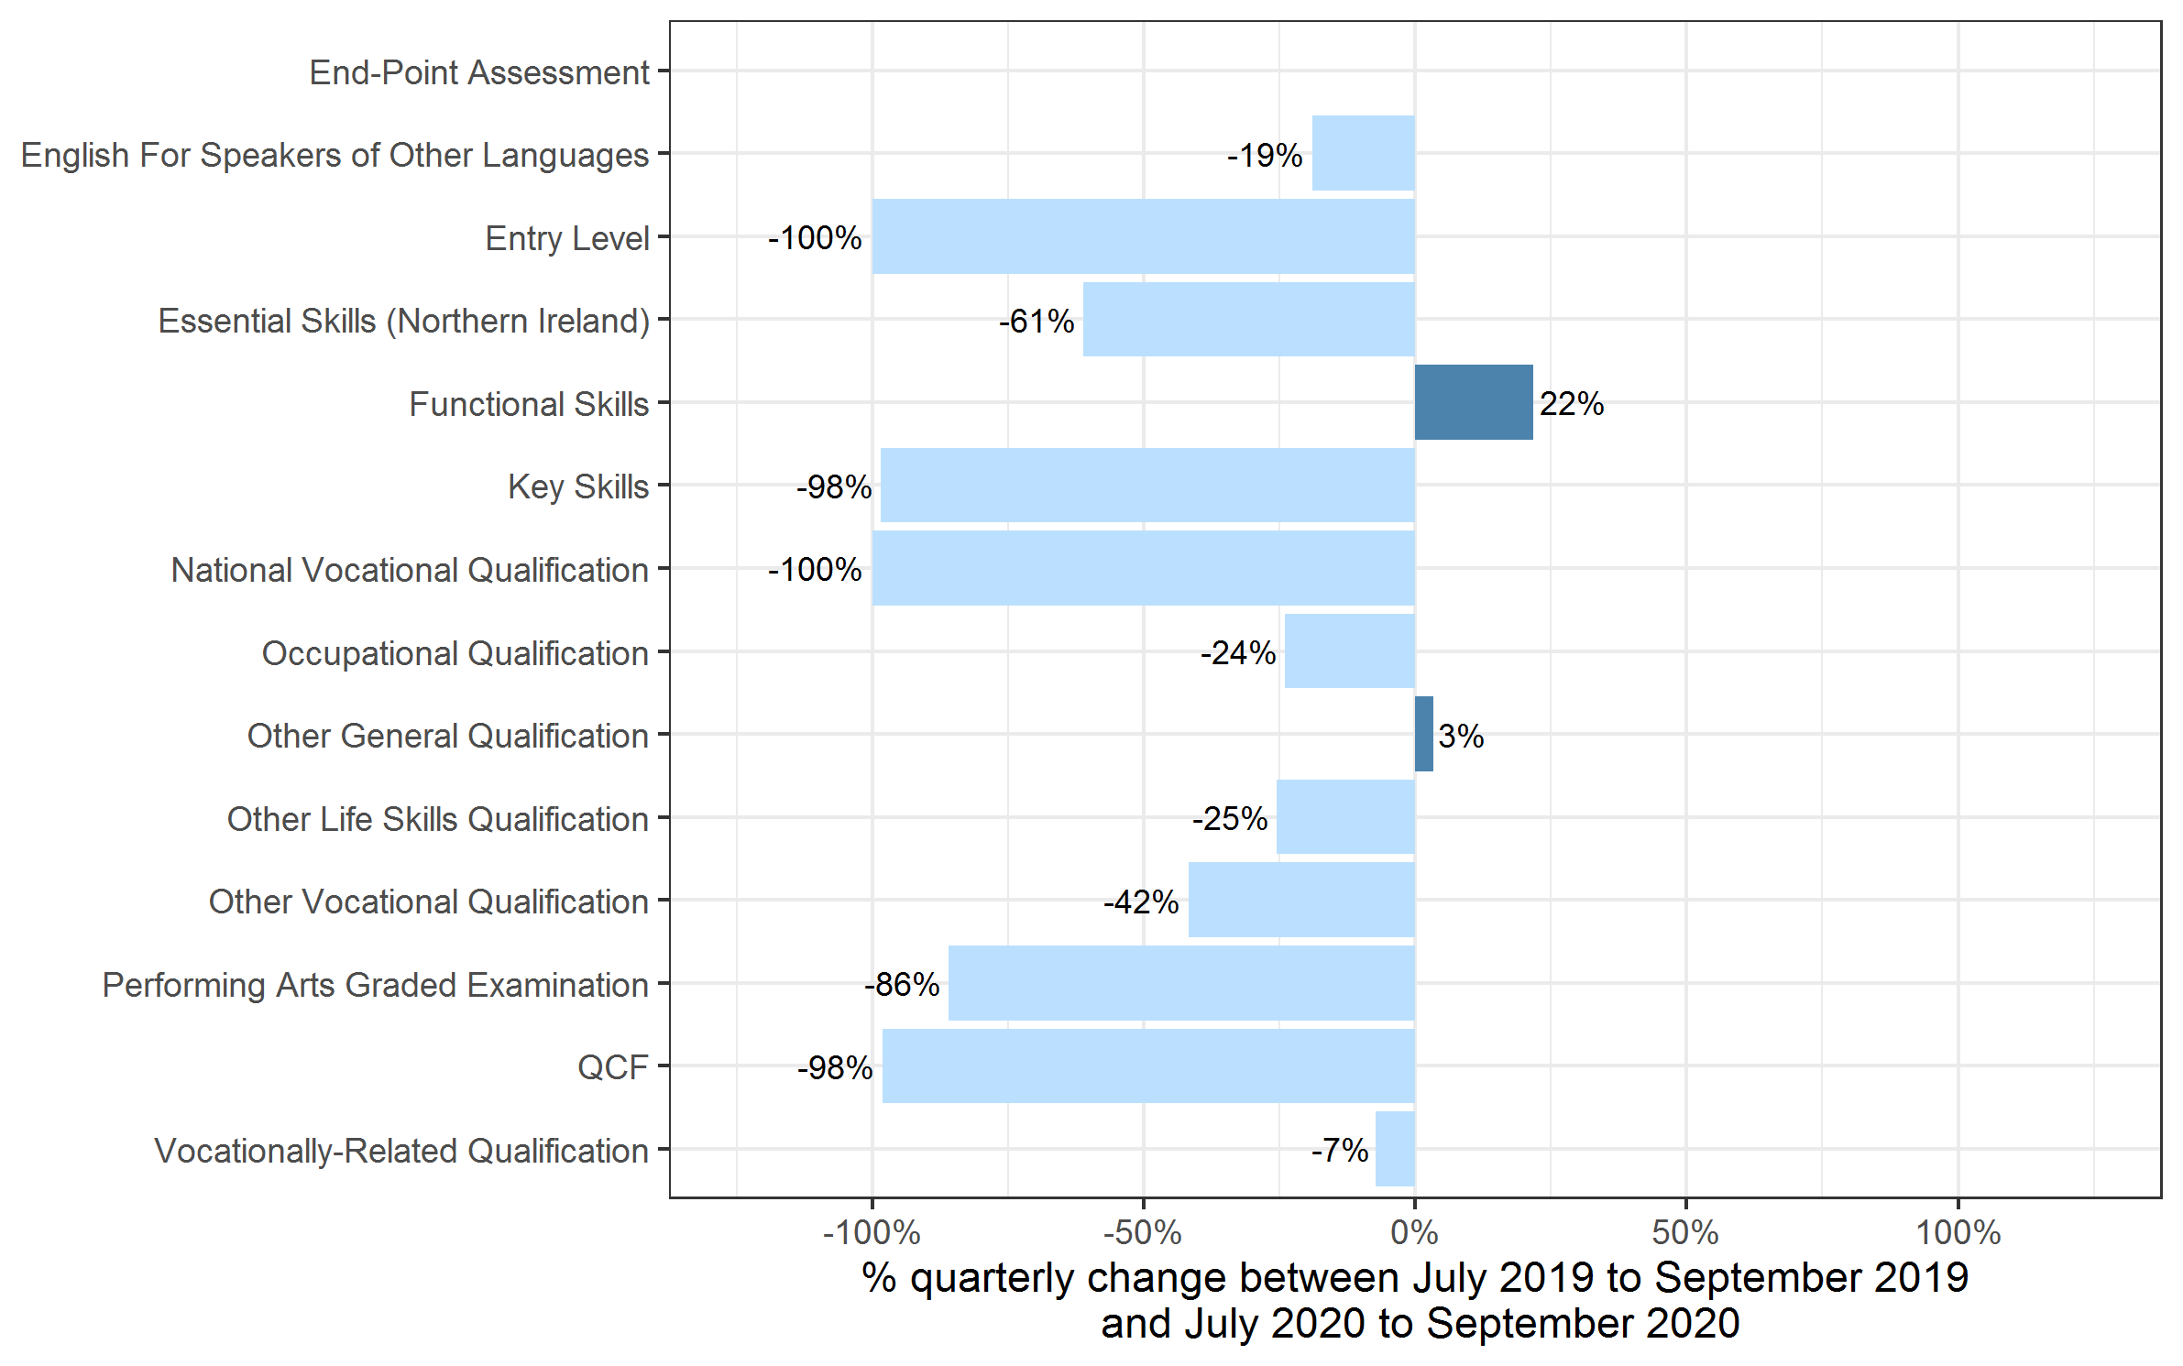
 | Quarterly comparison |  | Annual Comparison

Qualification Type | Jul to Sep 2019 | Jul to Sep 2020 | Oct 2018 to Sep 2019 | Oct 2019 to Sep 2020
End-Point Assessment | 10 | 1,050 | 90 | 3,385
English For Speakers of Other Languages | 141,225 | 114,430 | 390,290 | 273,615
Entry Level | 470 | 0 | 475 | 0
Essential Skills (Northern Ireland) | 55 | 20 | 215 | 90
Functional Skills | 210,310 | 255,955 | 614,290 | 447,680
Key Skills | 600 | 10 | 1,605 | 270
National Vocational Qualification | 0~ | 0 | 0~ | 0~
Occupational Qualification | 217,910 | 165,735 | 694,920 | 527,425
Other General Qualification | 334,085 | 344,990 | 371,895 | 397,470
Other Life Skills Qualification | 107,440 | 80,070 | 297,035 | 220,055
Other Vocational Qualification | 124,080 | 72,185 | 481,510 | 327,550
Performing Arts Graded Examination | 161,875 | 22,730 | 486,425 | 225,205
QCF | 665 | 10 | 9,965 | 225
Vocationally-Related Qualification | 1,005,125 | 931,965 | 2,396,280 | 1,769,740
Total | 2,303,845 | 1,989,155 | 5,745,005 | 4,192,705

 |  |  |  |  | Note: The bar for End-Point Assessment qualifications are not shown because, due to small numbers, the percentage changes would not be meaningful

Certificates by Level
Number of certificates awarded by qualification level
Comparison with the same quarter previous year and previous 12 months

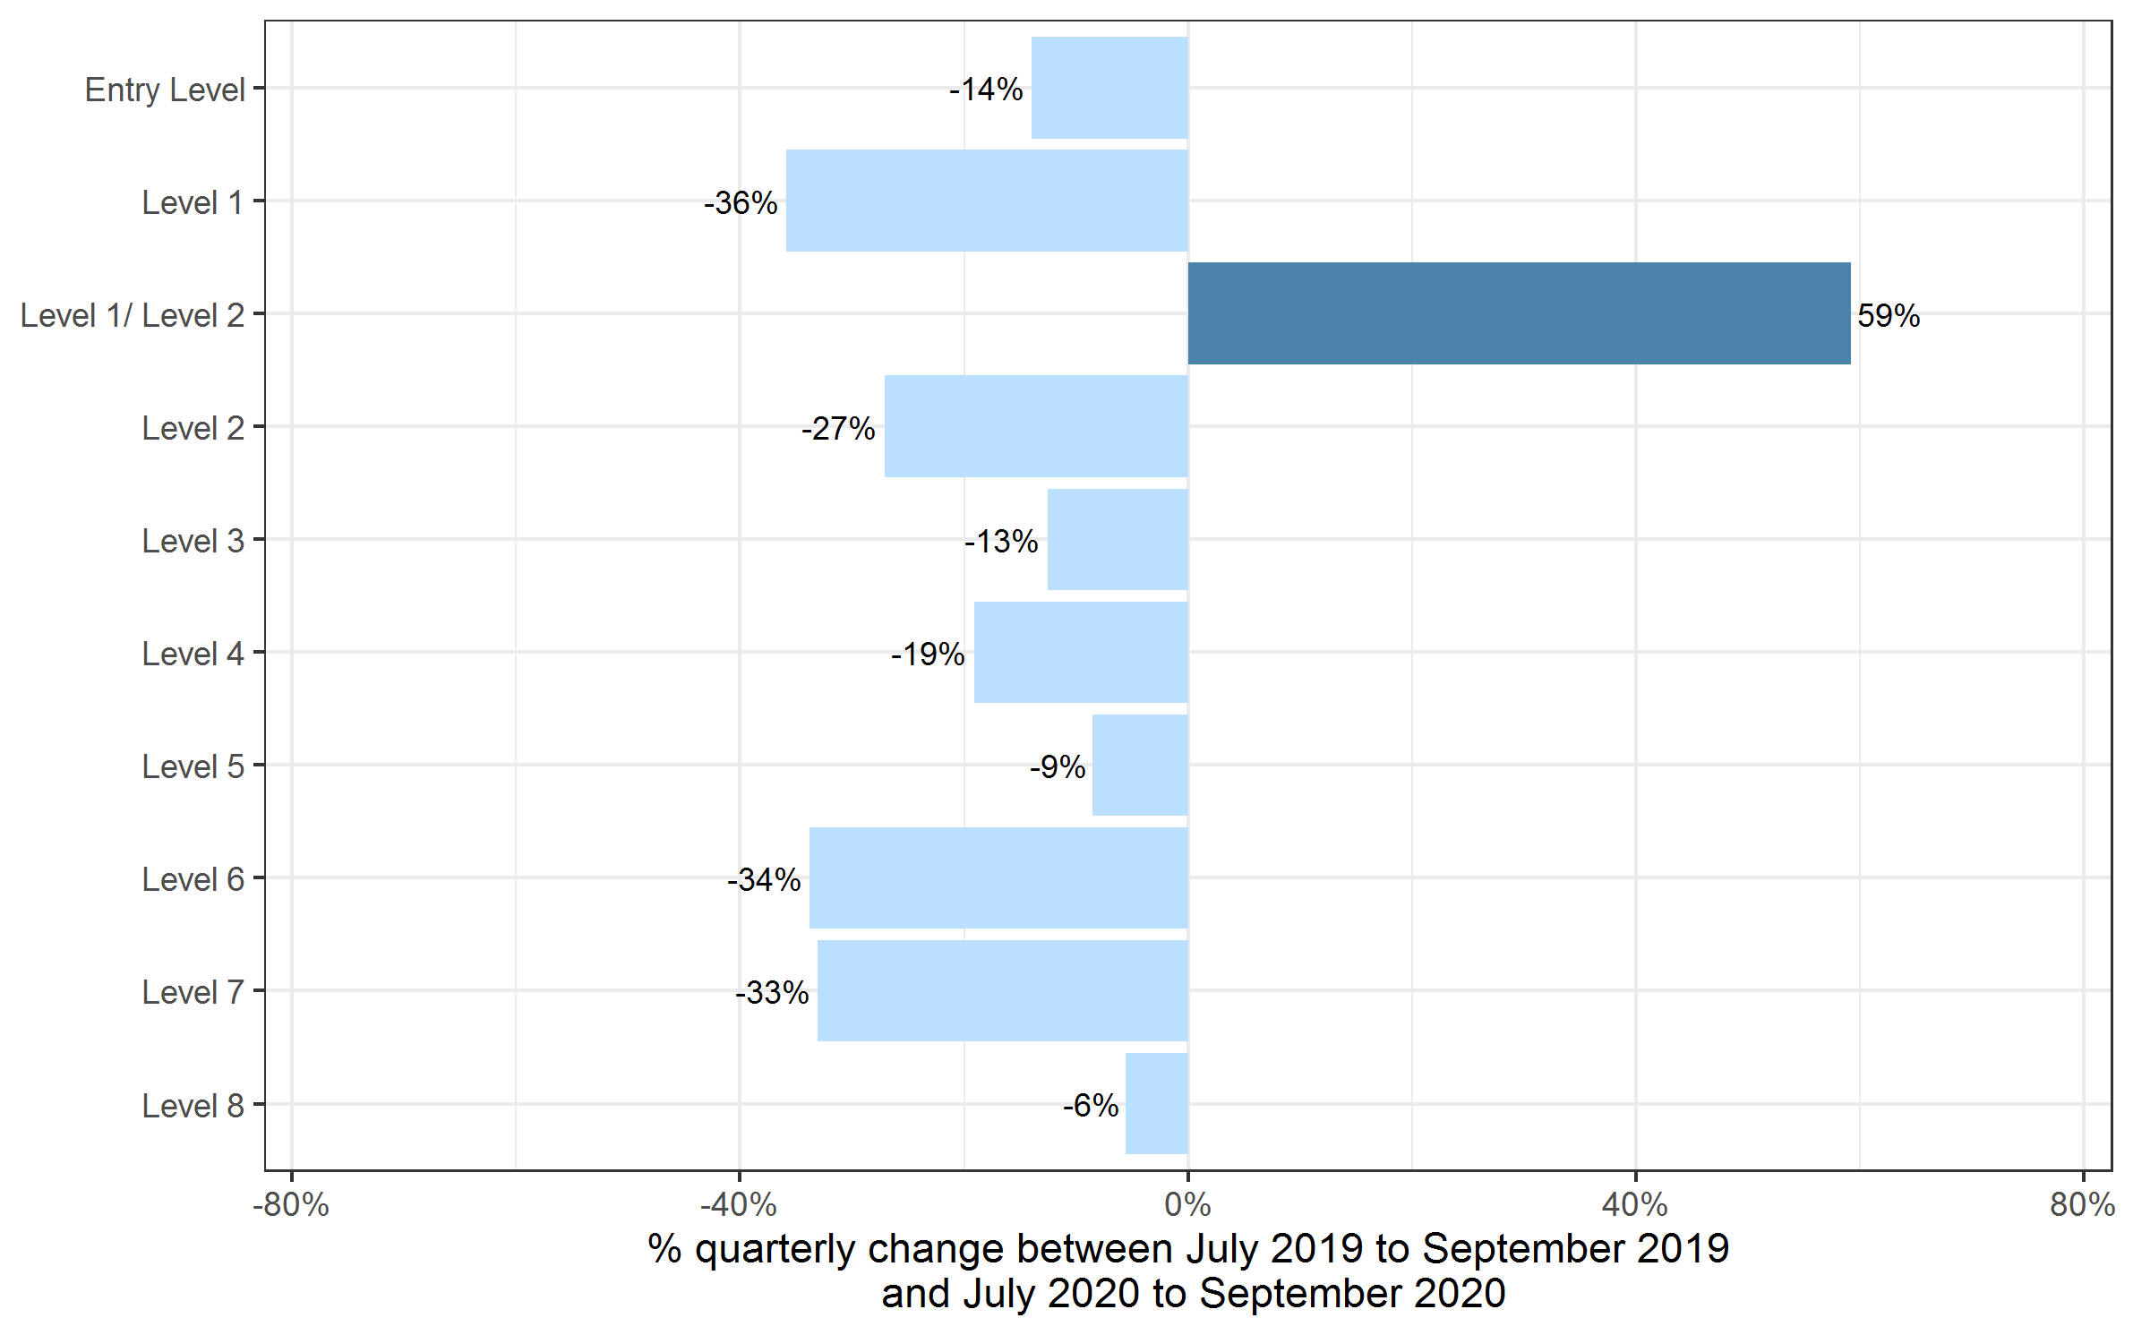
 | Quarterly comparison |  | Annual comparison

Qualification Level | Jul to Sep 2019 | Jul to Sep 2020 | Oct 2018 to Sep 2019 | Oct 2019 to Sep 2020
Entry Level | 304,615 | 262,165 | 698,550 | 503,700
Level 1 | 431,860 | 276,940 | 1,253,890 | 796,330
Level 1/ Level 2 | 247,560 | 394,075 | 315,950 | 398,045
Level 2 | 655,235 | 477,705 | 1,800,345 | 1,253,775
Level 3 | 609,915 | 533,415 | 1,520,415 | 1,109,505
Level 4 | 27,485 | 22,230 | 80,030 | 65,320
Level 5 | 18,190 | 16,640 | 50,950 | 46,445
Level 6 | 6,560 | 4,345 | 16,755 | 12,755
Level 7 | 2,395 | 1,605 | 7,940 | 6,705
Level 8 | 35 | 35 | 185 | 130
Total | 2,303,845 | 1,989,155 | 5,745,005 | 4,192,705

Certificates by SSA
Number of certificates awarded by sector subject area
Comparison with the same quarter previous year and previous 12 months

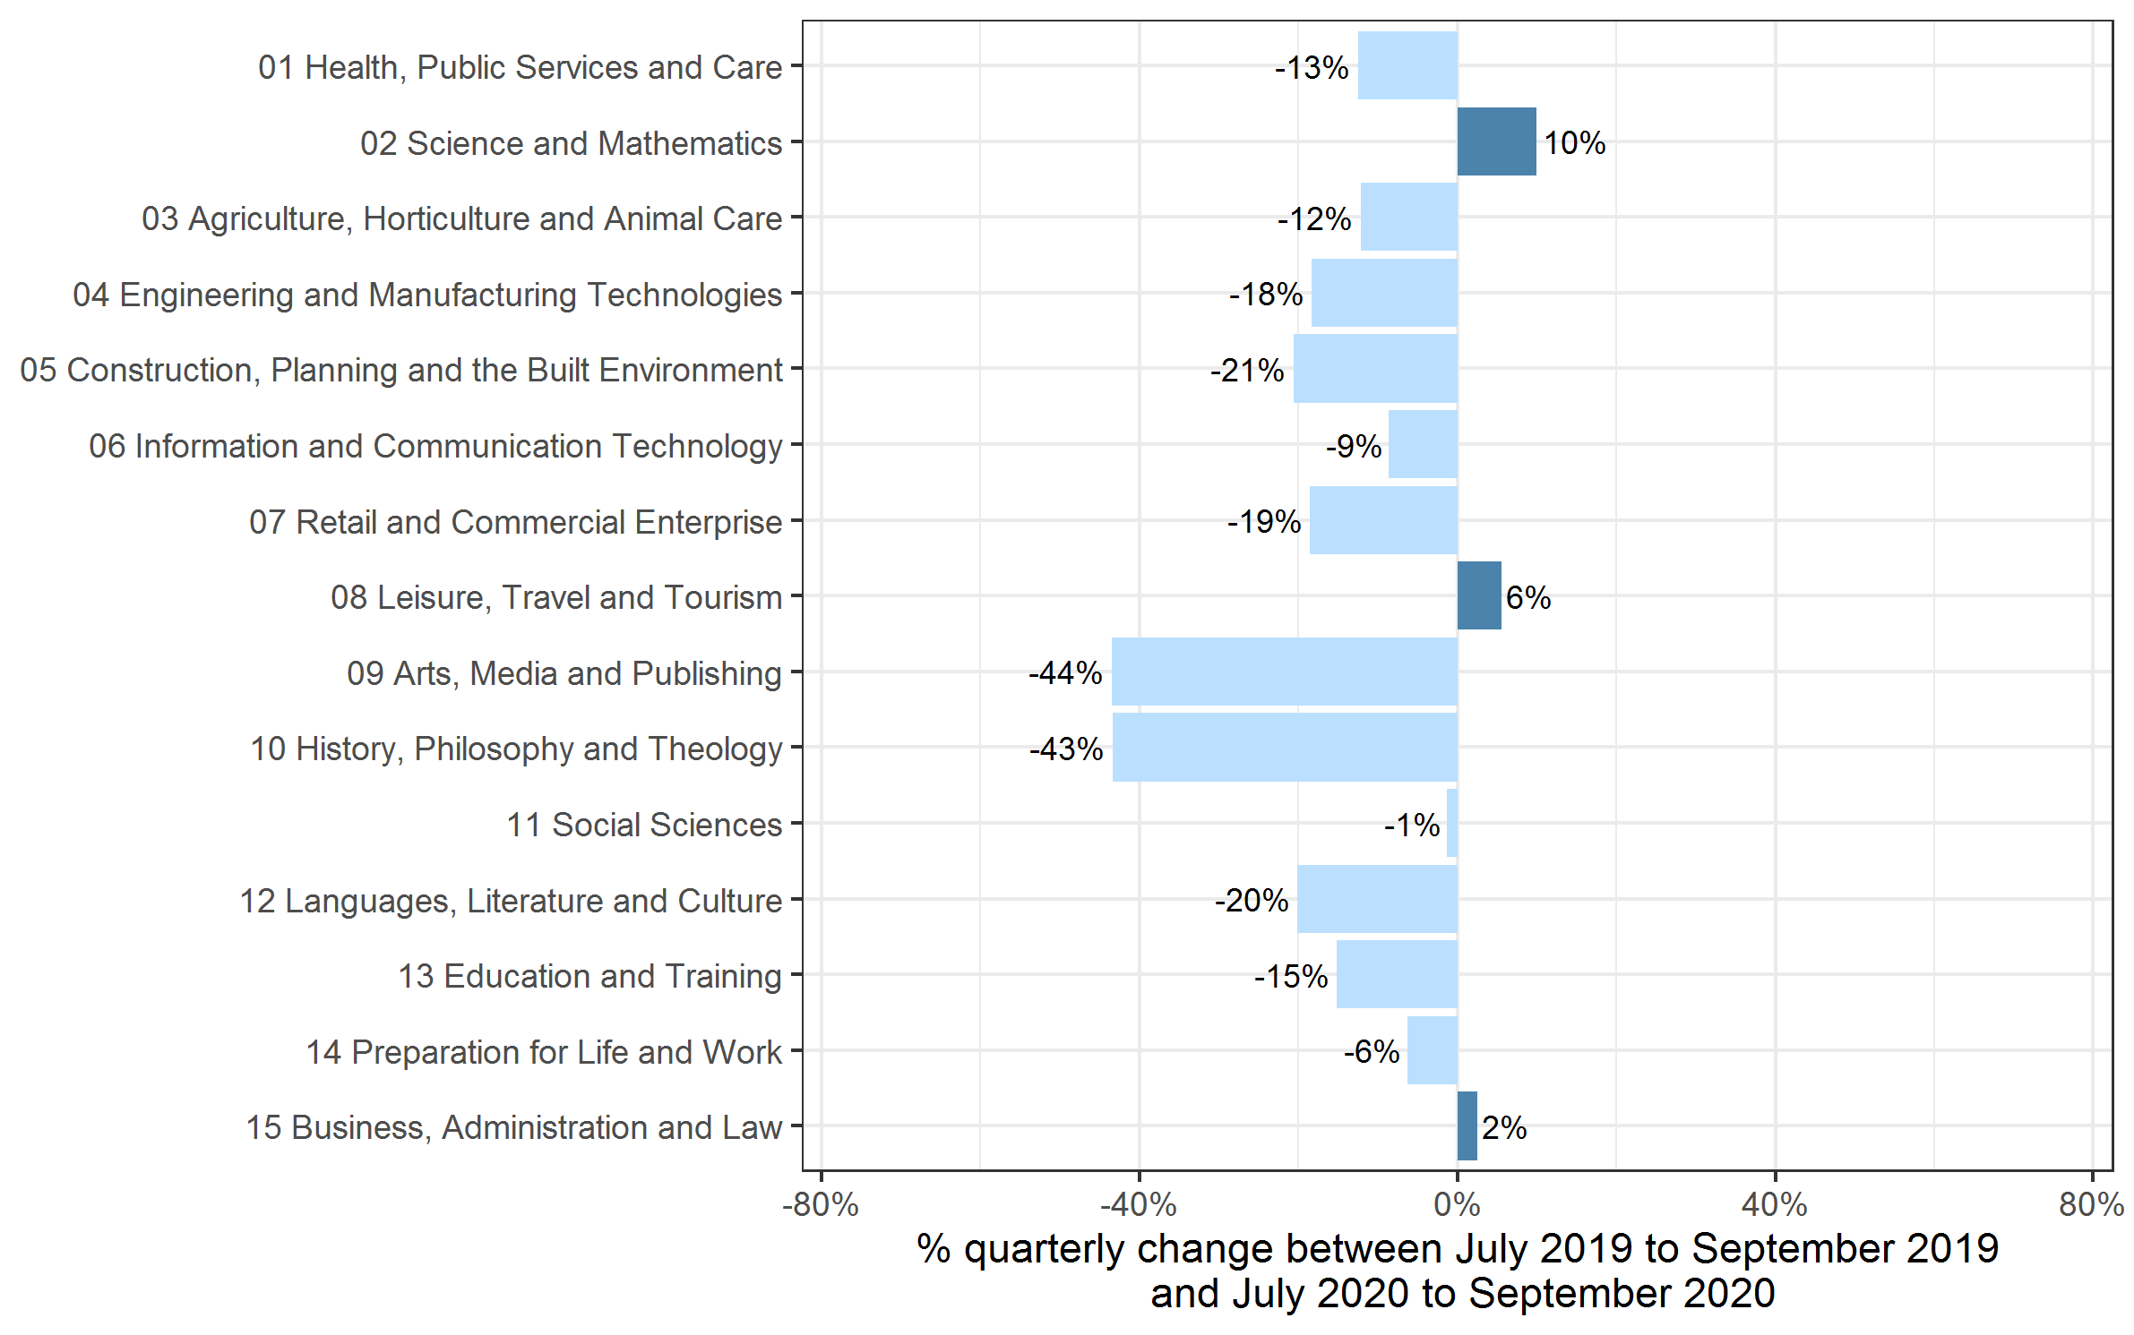
 | Quarterly comparison |  | Annual comparison

Sector Subject Area Code With Description | Jul to Sep 2019 | Jul to Sep 2020 | Oct 2018 to Sep 2019 | Oct 2019 to Sep 2020
01 Health, Public Services and Care | 386,190 | 337,780 | 1,168,960 | 910,530
02 Science and Mathematics | 98,605 | 108,440 | 111,935 | 114,355
03 Agriculture, Horticulture and Animal Care | 38,715 | 34,005 | 87,380 | 70,910
04 Engineering and Manufacturing Technologies | 121,910 | 99,570 | 301,545 | 218,925
05 Construction, Planning and the Built Environment | 132,140 | 104,890 | 422,080 | 271,500
06 Information and Communication Technology | 97,240 | 88,875 | 193,660 | 146,350
07 Retail and Commercial Enterprise | 132,685 | 108,070 | 366,715 | 259,660
08 Leisure, Travel and Tourism | 160,685 | 169,645 | 343,075 | 276,575
09 Arts, Media and Publishing | 343,235 | 193,805 | 765,955 | 457,615
10 History, Philosophy and Theology | 10,265 | 5,810 | 13,325 | 10,935
11 Social Sciences | 15,630 | 15,425 | 15,830 | 15,615
12 Languages, Literature and Culture | 54,725 | 43,720 | 122,545 | 83,360
13 Education and Training | 31,320 | 26,560 | 90,765 | 77,140
14 Preparation for Life and Work | 508,560 | 476,385 | 1,323,500 | 943,940
15 Business, Administration and Law | 171,945 | 176,175 | 417,745 | 335,300
Total | 2,303,845 | 1,989,155 | 5,745,005 | 4,192,705

Historical trends
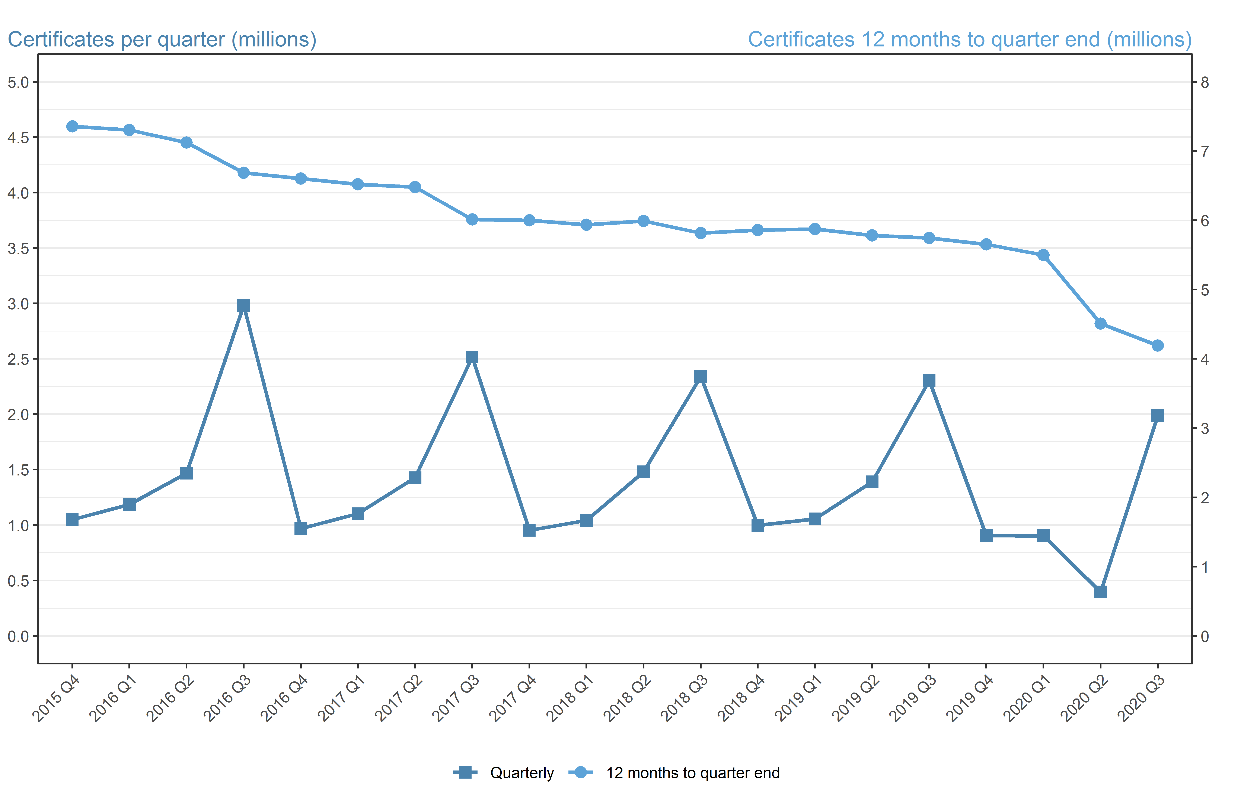
Number of certificates awarded in the past 5 years
Quarterly and 12 months to quarter end

Period | Quarterly | 12 months to quarter end
Oct to Dec 2015 | 1,049,635 | 7,357,345
Jan to Mar 2016 | 1,184,885 | 7,305,245
Apr to Jun 2016 | 1,467,455 | 7,122,840
Jul to Sep 2016 | 2,983,350 | 6,685,325
Oct to Dec 2016 | 967,835 | 6,603,530
Jan to Mar 2017 | 1,102,385 | 6,521,030
Apr to Jun 2017 | 1,427,520 | 6,481,095
Jul to Sep 2017 | 2,516,310 | 6,014,055
Oct to Dec 2017 | 952,960 | 5,999,180
Jan to Mar 2018 | 1,040,515 | 5,937,310
Apr to Jun 2018 | 1,480,105 | 5,989,895
Jul to Sep 2018 | 2,341,210 | 5,814,790
Oct to Dec 2018 | 996,565 | 5,858,395
Jan to Mar 2019 | 1,055,375 | 5,873,255
Apr to Jun 2019 | 1,389,215 | 5,782,370
Jul to Sept 2019 | 2,303,845 | 5,745,005
Oct to Dec 2019 | 904,010 | 5,652,450
Jan to Mar 2020 | 903,240 | 5,500,315
Apr to Jun 2020 | 396,305 | 4,507,400
Jul to Sep 2020 | 1,989,155 | 4,192,705

