Figure 1
Defence personnel who have attended the COVID-19 national testing programme by week ending date

Figure 1 presents the numbers of Defence personnel who have attended the COVID-19 national testing programme by week ending date.
Figure 1: Defence personnel1 attended COVID-19 national testing programme, numbers
As at 11 September 2020
Source: Defence Statistics Health

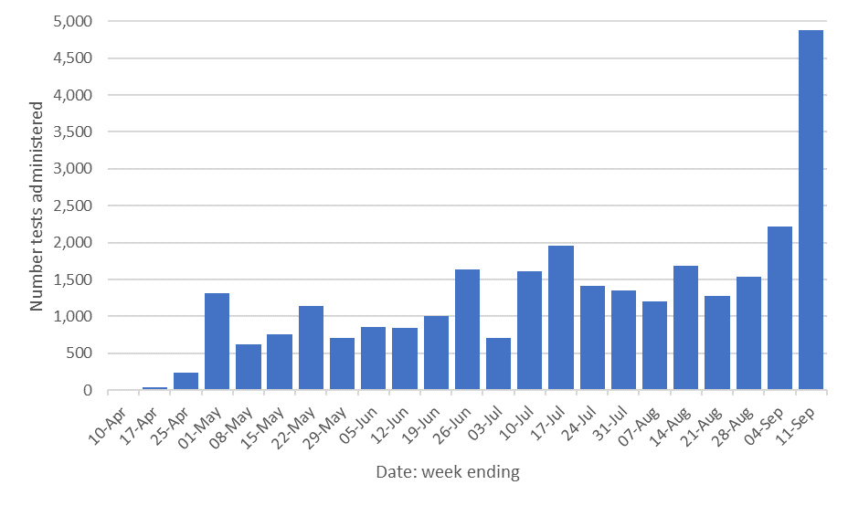
Return to contents | Underlying data
 | Week ending | Number
 | 2020-04-10 | 14
 | 2020-04-17 | 35
 | 2020-04-25 | 240
 | 2020-05-01 | 1,317
 | 2020-05-08 | 617
 | 2020-05-15 | 761
 | 2020-05-22 | 1,142
 | 2020-05-29 | 714
 | 2020-06-05 | 861
 | 2020-06-12 | 849
 | 2020-06-19 | 1,003
 | 2020-06-26 | 1,635
 | 2020-07-03 | 703
 | 2020-07-10 | 1,616
 | 2020-07-17 | 1,955
 | 2020-07-24 | 1,419
 | 2020-07-31 | 1,351
 | 2020-08-07 | 1,209 | r
Source: TLB weekly returns | 2020-08-14 | 1,688
1 Includes UK armed forces personnel and MOD civilians. | 2020-08-21 | 1,277
r Indicates a revision to previously published data. | 2020-08-28 | 1,543
 | 2020-09-04 | 2,225
 | 2020-09-11 | 4,884

