Cover sheet
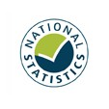
Detailed analysis of non-fire incidents
England, April 2022 to March 2023: data tables
Table 0908
Responsible Statistician: Helene Clark
Email: Firestatistics@homeoffice.gov.uk
Press enquiries: 0300 123 3535
Published: 14 December 2023
Next update: Winter 2024
Crown copyright © 2024
Contents
We’re always looking to improve the accessibility of our documents.
If you find any problems, or have any feedback, relating to accessibility
please email us at firestatistics@homeoffice.gov.uk

