Survey Methodology
Figure 1: Domestic email invitation
Survey methodology
Sample design
The sample for this survey was designed to provide continuity from the previous domestic applicant surveys published in September 2017 (https://www.gov.uk/government/publications/report-from-waves-1-24-of-the-domestic-rhi-census-of-accredited-applicants). That survey included applicants up to end of March 2016. Questions from previous surveys were repeated in this survey where possible, with some amendments to reflect new evidence priorities or scheme changes. Main sample This survey employed a census sampling approaching, leading to the inclusion of all successful domestic applicants accredited to the RHI scheme from the start of April 2016 to end of September 2017. During this period 11,591 applications were received from 8,947 unique applicants. All applicants with one accredited application, and a valid email address in the application database, were invited to participate in an online survey, in total 8,533 single applicants were included. 127 applicants with only phone numbers were excluded from the survey due to not having an email address. All applicants with more than one application were invited via email to participate in a telephone survey, in total 414 applicants were included covering 3,132 applications. For the domestic survey, multiple applicants typically included social landlords who were applying for installations in their multiple rental properties, therefore the application per applicant ration was higher than observed on the non-domestic scheme. Participants were asked to answer the survey from the perspective of a randomly chosen application among the multiple applications they had made. The use of telephone interviews for the multiple applicants was chosen to ensure that multiple applicants provided reponses for the selected application. The use of telephone interviewers ensured they could clarify any uncertain answers provided by multiple applicants. | 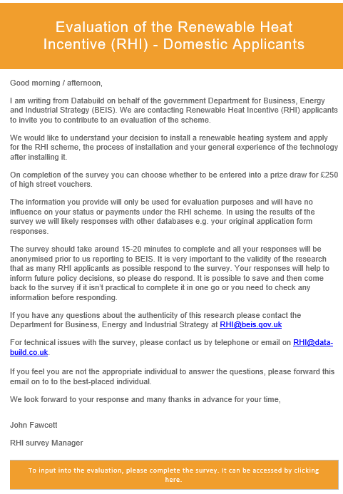

Pilot
Prior to the mainstage of the fieldwork, a pilot took place to test the new questions added to the survey and the overall operational readiness. A random sample of 346 applicants were chosen to participate in the pilot, selected using a stratified sample by technology and date of application (2016 or 2017). Response rates for the pilot were 32%, exceeding the target of 25%. Phone calls were made to 5 participants who started the pilot survey but did not complete it, with the aim of identifying barriers to completion. The pilot identified no major issues with the survey, minor amendments were made to questions to improve comprehension and routing.

Fieldwork
Applicants taking part in the online survey were sent an email invitation on 6th December 2017 (see Figure 1), the survey remained open for three weeks with email reminders sent to non-responding applicants after 2 weeks. Responses were received from 2,251 single applicants through the online survey (21% response rate). The phone survey of multiple applicants received 80 responses (19% response rate). In total these 2,331 applicants were responsible for 2,414 applications. The achieved sample was assessed to identify any sub-groups where response rates would not support sub-group analysis. No issues were identied so boost telephone survey was not implemented.

Weighting | Table M1 - Domestic calibration weights
All findings presented in this pack are weighted to the population of successful applications to the RHI, rather than applicants. Data were weighted to the population of successful applications in the correct time period (April 2016 – September 2017). For each survey an initial weight was applied to interviews based upon (a) technology and (b) single vs multiple applicants. The latter weight was applied to account for the different chance of single or multiple applicants being sampled, as they were included in either the online or phone survey. A set of calibration weights were then applied – in an apporach consistent with the previous RHI applicant surveys – to ensure the weighted sample was representative of the population. Calibration weights are provided in table M1. | Variable and options | Unweighted % | Population % | Weighted % post-calibration
 | Single applicant | 93% | 73% | 73%
 | Multiple applicant | 7% | 27% | 27%
 | Technology installed
 | ASHP | 62% | 67% | 68%
 | Biomass | 9% | 8% | 8%
 | GSHP | 19% | 16% | 15%
 | Solar Thermal | 10% | 9% | 9%
 | Type of property
Coding and editing | Flat / maisonette / terrace | 3% | 16% | 15%
The survey included a number of questions that allowed the submission of a free text “Other” option. These answers were reviewed by Winning Moves researchers and where the text was similar to one of the existing question options, the free text response was coded back to the appropriate answer category. Responses that did not align with existing answer categories were coded as “Other.” No other data editing took place. Responses provided via telephone interviews allowed the potential to create new response categories, for example where ther respondent could furhter detail their answer. To ensure comparability between survey modes, these responses were coded into existing categories or 'Other' | Detached house or bungalow | 78% | 62% | 63%
 | Semi-detached house or bungalow | 19% | 22% | 23%
 | Floor space
 | Less than 100m | 13% | 30% | 30%
 | 100m-149m | 26% | 20% | 20%
 | 150m-199m | 23% | 16% | 16%
 | 200m-249m | 14% | 12% | 12%
 | 250m or more | 24% | 22% | 22%
 | Previous heating system
Comparability with previous reports | Boiler | 58% | 51% | 52%
The sampling and survey design have closely followed the previous RHI applicant surveys, including using a census of applicants of accredited applications (therefore excluding applications that are not successfully accredited to the scheme). A full review of the survey questions was undertaken during the design of this survey. This has led to the deletion and addition of questions. There were also changes to some question wording to improve participant comprehension or to reflect changes to that have taken place in the scheme. The data tables include a title comprising the full question wording as it appears in the survey. All reponse options are also included, including those where zero valid responses were provided, allowing sight of the full list of options available to the participant. Before direct comparisons are made between surveys, the question wording should be reviewed in full. The statistics provided in these datatables are weighted to the population of applications. Previous survey data tables were weighted to the population of applicants. Given the presence of multiple applications from some applicants, this difference in weighting should be considered when making comparisons over time. This change in methodology was adopted to provide more robust estimates across the RHI population, with the presence of multiple applications increasing over time it became important to reflect this in the outputs. Future surveys of RHI applicants are taking the approach of producing both applicant and application weights, along with guidance on the robustness of each and how they should be used. Where possible the raw datasets behind the survey data will be published to support bespoke analysis of the data and application of the appropriate weighting for each use. | Other | 17% | 24% | 24%
 | None | 25% | 25% | 24%
 | Number of occupants (database)
 | 0-missing | 96% | 87% | 88%
 | 1 | <1% | 1% | 1%
 | 2 | 2% | 5% | 5%
 | 3 | 1% | 3% | 3%
 | 4 or more | 1% | 5% | 4%
 | There was deemed no value in weighting on the basis of self-build as these only comprised N=5 of the population.

Coding and editing

Comparability with previous reports
The sampling and survey design have closely followed the previous RHI applicant surveys, including using a census of applicants of accredited applications (therefore excluding applications that are not successfully accredited to the scheme). A full review of the survey questions was undertaken during the design of this survey. This has led to the deletion and addition of questions. There were also changes to some question wording to improve participant comprehension or to reflect changes to that have taken place in the scheme. The data tables include a title comprising the full question wording as it appears in the survey. All reponse options are also included, including those where zero valid responses were provided, allowing sight of the full list of options available to the participant. Before direct comparisons are made between surveys, the question wording should be reviewed in full. The statistics provided in these datatables are weighted to the population of applications. Previous survey data tables were weighted to the population of applicants. Given the presence of multiple applications from some applicants, this difference in weighting should be considered when making comparisons over time. This change in methodology was adopted to provide more robust estimates across the RHI population, with the presence of multiple applications increasing over time it became important to reflect this in the outputs. Future surveys of RHI applicants are taking the approach of producing both applicant and application weights, along with guidance on the robustness of each and how they should be used. Where possible the raw datasets behind the survey data will be published to support bespoke analysis of the data and application of the appropriate weighting for each use.

