Contents

Vocational and Other Qualifications Quarterly: April to June (quarter 2) 2019
 |  | England

Table 1 | Number of certificates awarded by qualification type

Table 2 | Number of certificates awarded by qualification level

Table 3 | Number of certificates awarded by sector subject area

Table 4 | Number of certificates awarded in the past 5 years

Table 5 | Number of certificates awarded in this quarter by second-tier sector subject area

Table 6 | The 50 qualifications with the highest number of certificates issued in this quarter

Table 7 | The 50 awarding organisations with the highest number of certificates issued in this quarter

Table 8 | The 50 awarding organisations with the highest number of certificates issued in the 12 months to this quarter end

Notes | Notes accompanying this release

Reference: Ofqual/19/6542/1
Release date: 19 September 2019
Head of Profession: Vikas Dhawan
Contact: data.analytics@ofqual.gov.uk

Certificates by type
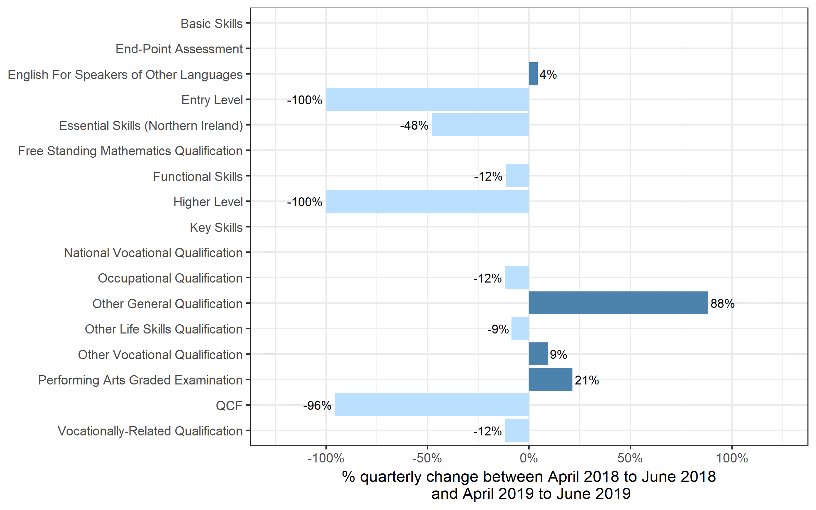
Number of certificates awarded by qualification type
Comparison with the same quarter previous year and previous 12 months

 | Quarterly comparison |  | Annual comparison

Qualification Type | Apr 2018 to Jun 2018 | Apr 2019 to Jun 2019 | Jul 2017 to Jun 2018 | Jul 2018 to Jun 2019
Basic Skills | 0 | 0 | 0~ | 0
End-Point Assessment | 0~ | 15 | 30 | 90
English For Speakers of Other Languages | 92,325 | 96,290 | 352,410 | 408,410
Entry Level | 655 | 0 | 23,570 | 11,780
Essential Skills (Northern Ireland) | 115 | 60 | 355 | 225
Free Standing Mathematics Qualification | 0 | 0 | 6,100 | 2,195
Functional Skills | 209,245 | 185,155 | 723,885 | 649,590
Higher Level | 40 | 0 | 195 | 55
Key Skills | 0~ | 930 | 1,325 | 1,005
National Vocational Qualification | 0 | 0 | 15 | 0~
Occupational Qualification | 191,085 | 168,685 | 745,975 | 736,805
Other General Qualification | 15,205 | 28,625 | 358,110 | 298,795
Other Life Skills Qualification | 76,155 | 69,610 | 280,250 | 303,875
Other Vocational Qualification | 105,615 | 115,500 | 350,315 | 444,620
Performing Arts Graded Examination | 116,675 | 141,620 | 453,085 | 498,090
QCF | 16,155 | 685 | 281,715 | 25,000
Vocationally-Related Qualification | 659,760 | 581,860 | 2,414,250 | 2,395,945
Total | 1,483,040 | 1,389,040 | 5,991,575 | 5,776,480

 |  |  |  |  | Note: The bars for End-Point Assessment and Key Skills qualifications are not shown because, due to small numbers, the percentage changes would not be meaningful

Certificates by Level
Number of certificates awarded by qualification level
Comparison with the same quarter previous year and previous 12 months
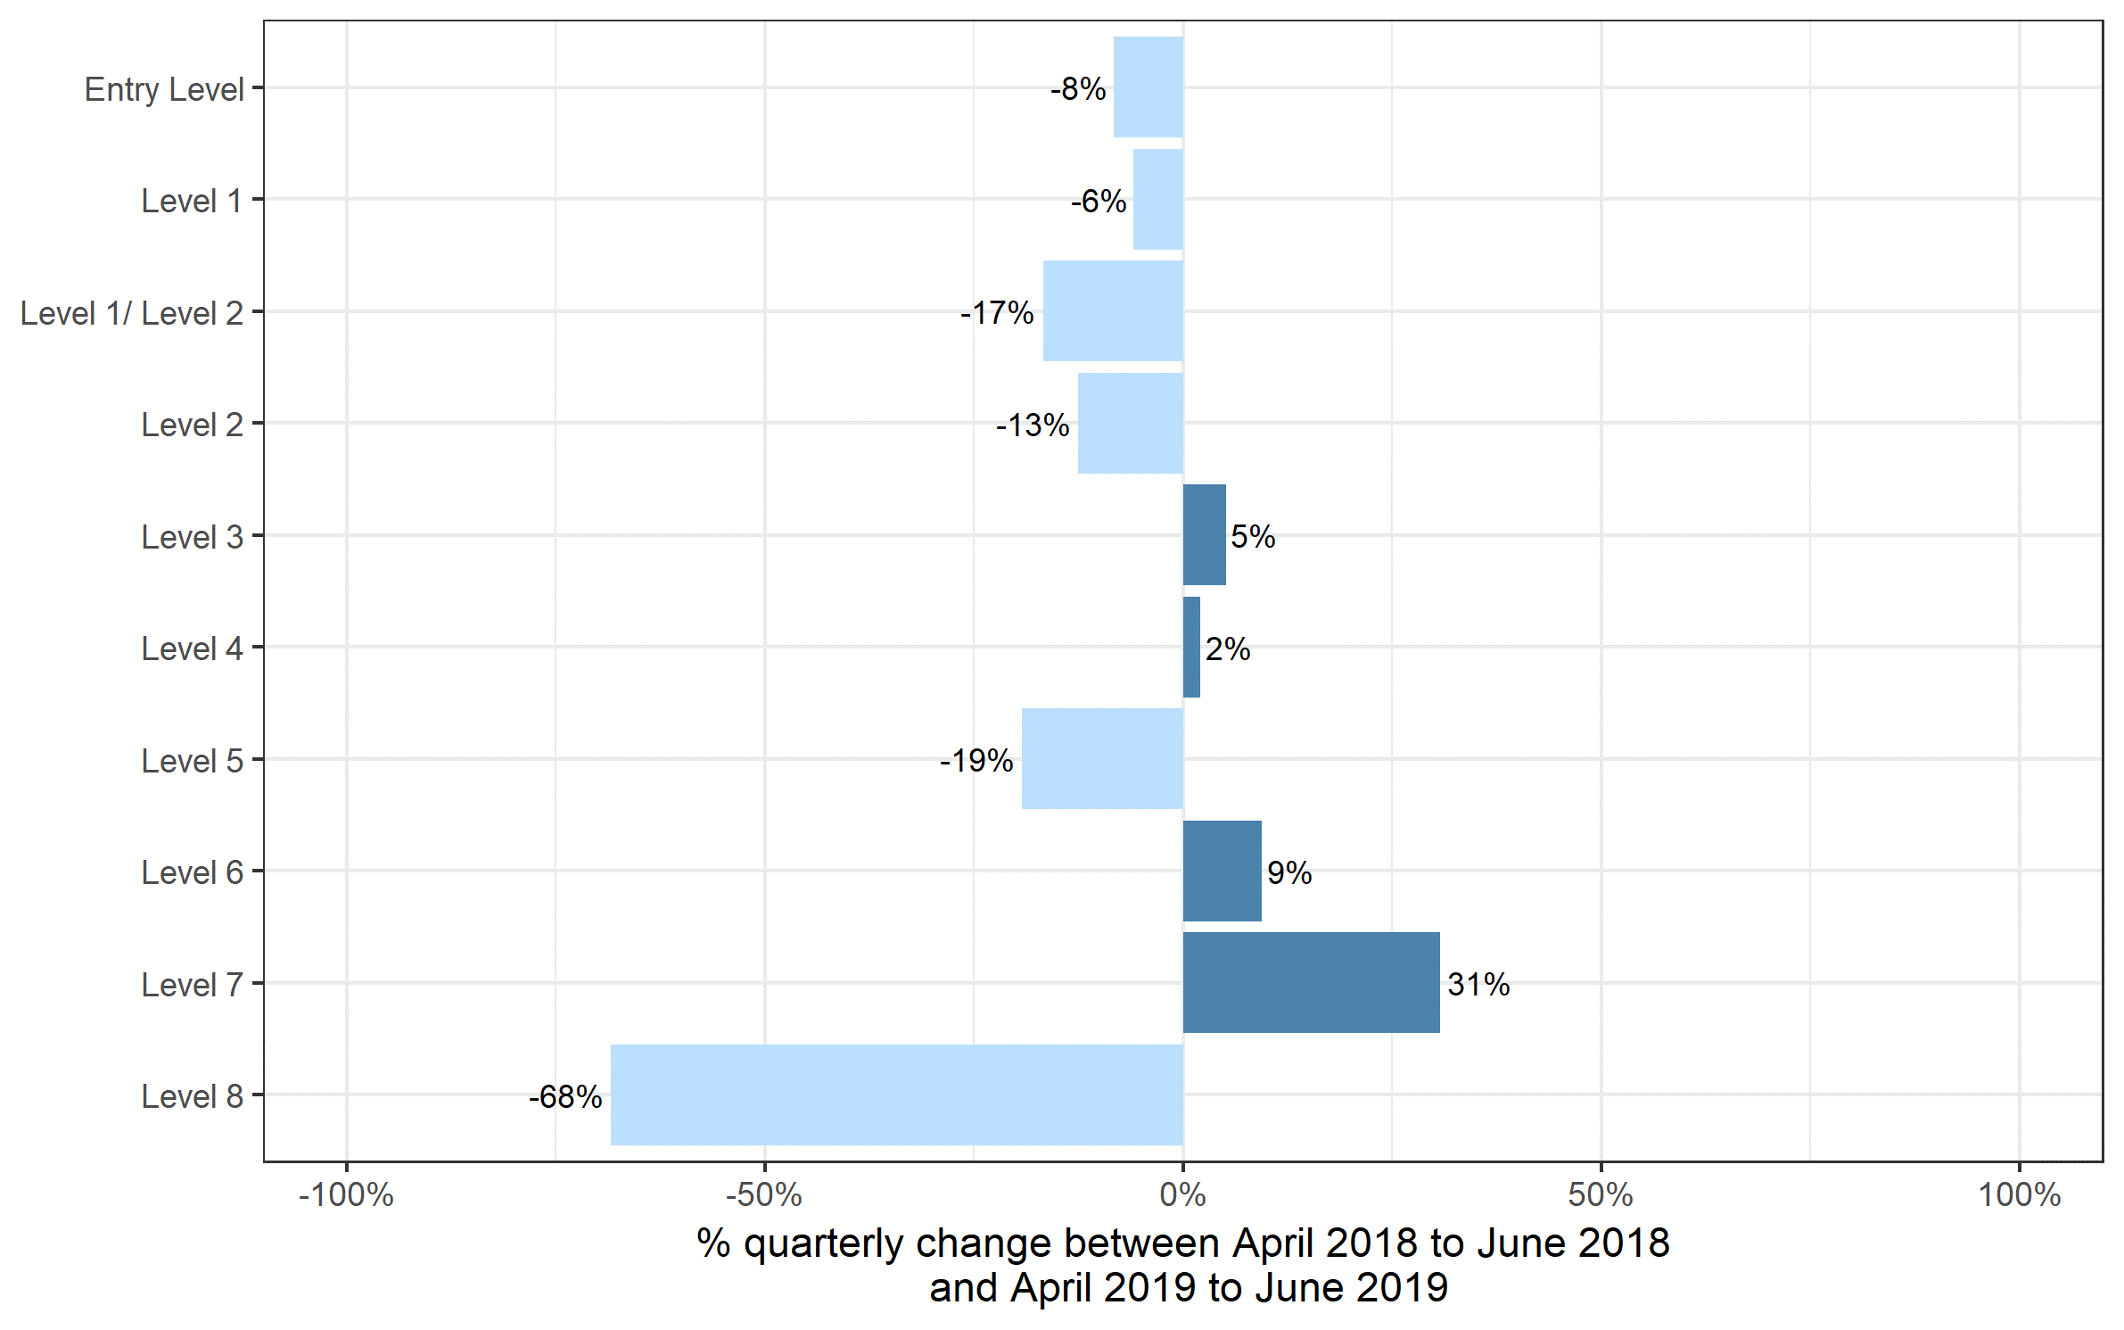
 | Quarterly comparison |  | Annual comparison

Qualification Level | Apr 2018 to Jun 2018 | Apr 2019 to Jun 2019 | Jul 2017 to Jun 2018 | Jul 2018 to Jun 2019
Entry Level | 186,675 | 171,145 | 728,800 | 730,545
Level 1 | 347,735 | 327,175 | 1,339,245 | 1,309,440
Level 1/ Level 2 | 79,440 | 66,140 | 352,660 | 258,310
Level 2 | 487,255 | 426,265 | 1,996,665 | 1,795,180
Level 3 | 344,620 | 362,295 | 1,419,075 | 1,527,470
Level 4 | 18,465 | 18,850 | 79,705 | 79,815
Level 5 | 13,075 | 10,555 | 51,490 | 51,520
Level 6 | 4,305 | 4,710 | 17,410 | 16,470
Level 7 | 1,450 | 1,895 | 6,340 | 7,540
Level 8 | 20 | 5 | 185 | 195
Total | 1,483,040 | 1,389,040 | 5,991,575 | 5,776,480

Certificates by SSA
Number of certificates awarded by sector subject area
Comparison with the same quarter previous year and previous 12 months

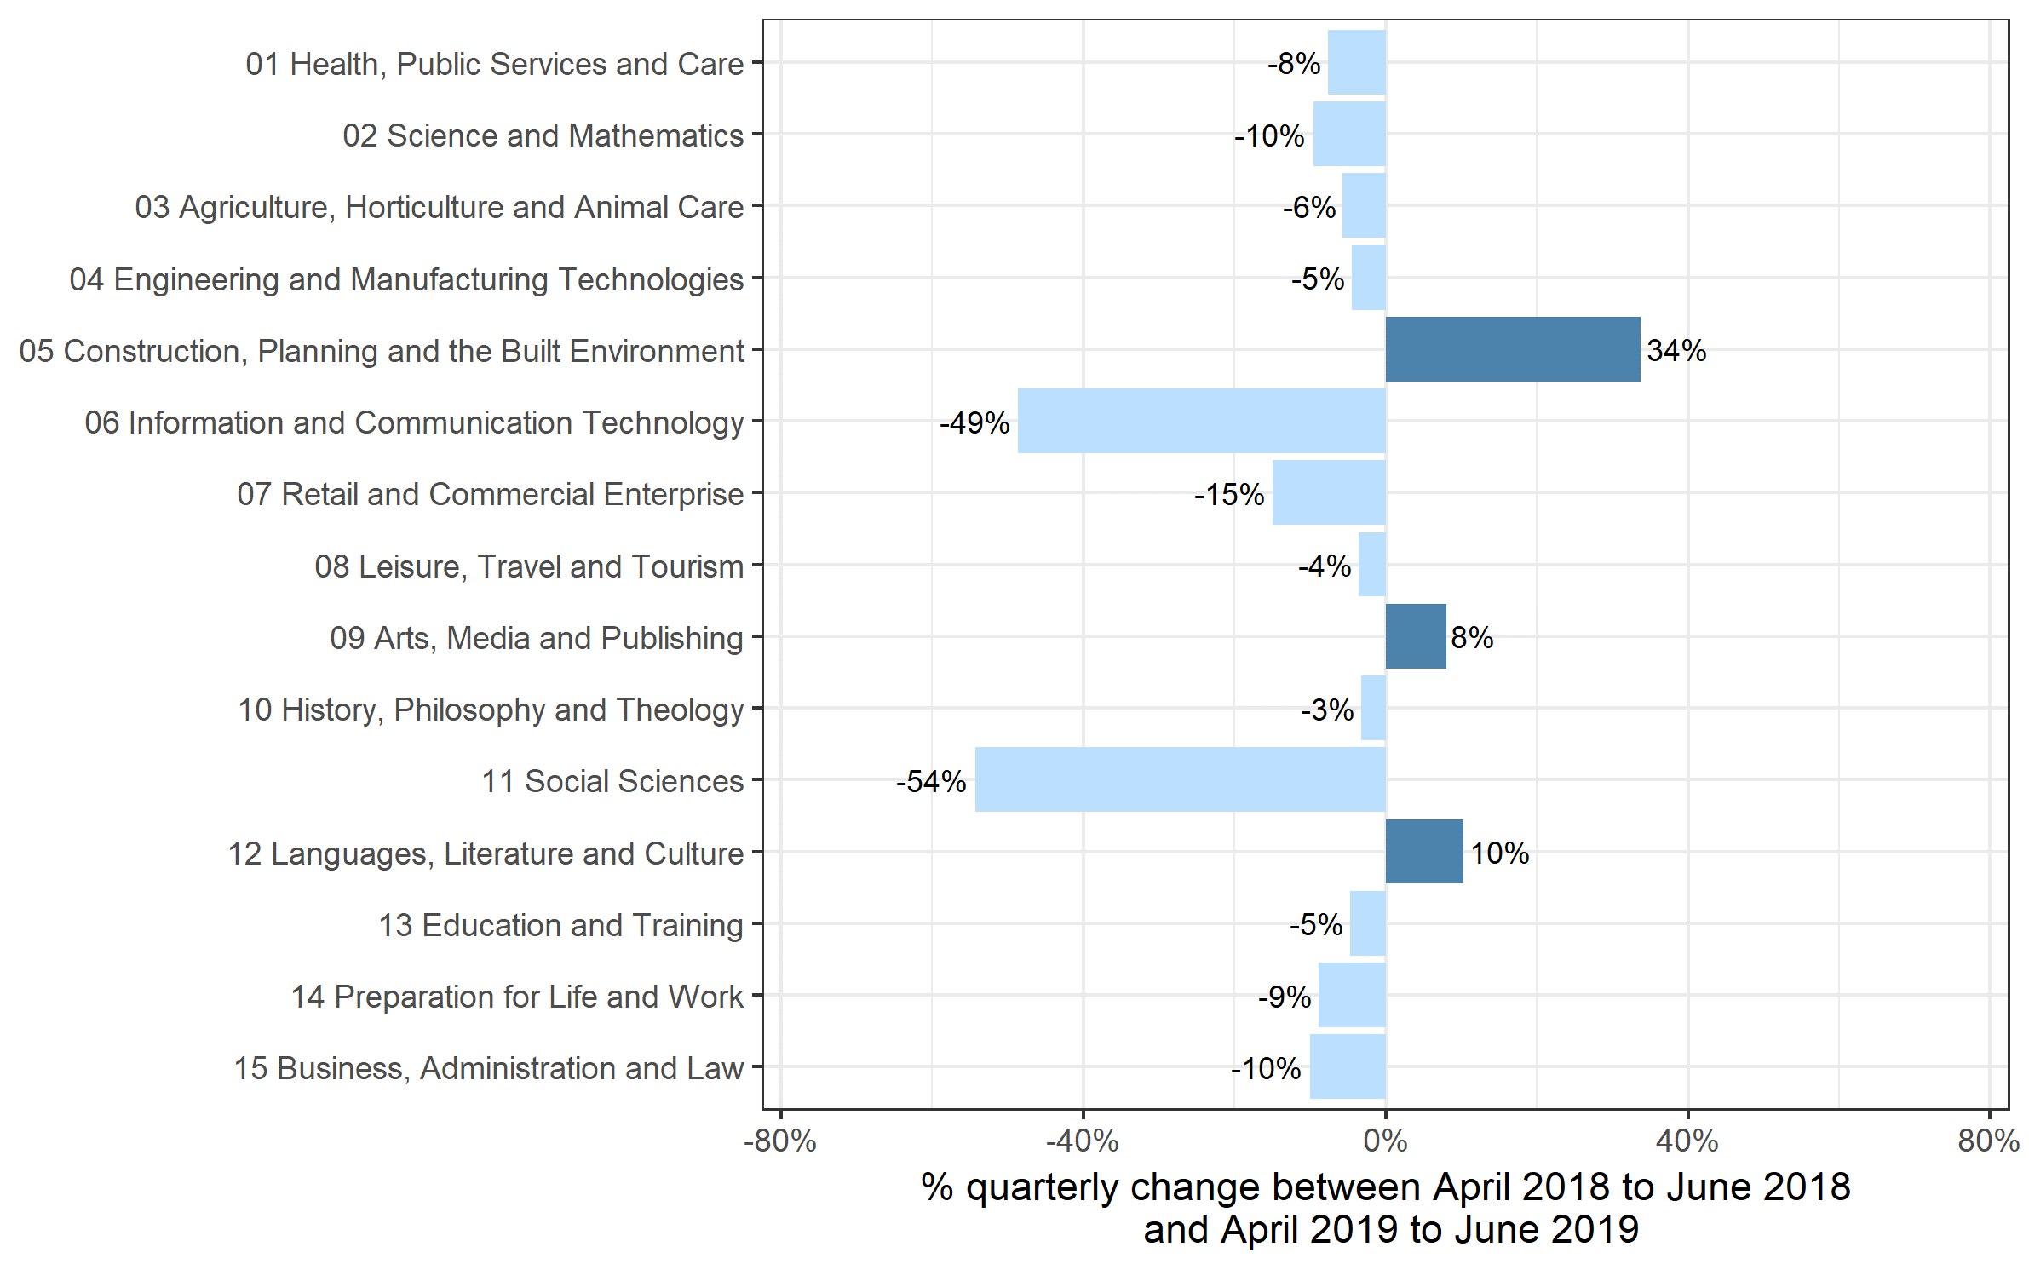
 | Quarterly comparison |  | Annual comparison

Sector Subject Area Code With Description | Apr 2018 to Jun 2018 | Apr 2019 to Jun 2019 | Jul 2017 to Jun 2018 | Jul 2018 to Jun 2019
01 Health, Public Services and Care | 296,205 | 273,520 | 1,126,700 | 1,144,305
02 Science and Mathematics | 9,030 | 8,165 | 155,950 | 78,925
03 Agriculture, Horticulture and Animal Care | 19,965 | 18,820 | 89,600 | 88,785
04 Engineering and Manufacturing Technologies | 69,260 | 66,145 | 308,775 | 299,415
05 Construction, Planning and the Built Environment | 75,020 | 100,310 | 329,725 | 423,550
06 Information and Communication Technology | 90,880 | 46,640 | 291,385 | 207,915
07 Retail and Commercial Enterprise | 99,370 | 84,495 | 407,960 | 376,290
08 Leisure, Travel and Tourism | 97,430 | 93,925 | 349,120 | 336,980
09 Arts, Media and Publishing | 186,250 | 201,130 | 751,745 | 755,140
10 History, Philosophy and Theology | 2,325 | 2,250 | 23,490 | 16,875
11 Social Sciences | 45 | 20 | 11,965 | 11,655
12 Languages, Literature and Culture | 24,165 | 26,640 | 162,115 | 124,020
13 Education and Training | 21,695 | 20,665 | 82,895 | 92,305
14 Preparation for Life and Work | 376,260 | 342,715 | 1,449,975 | 1,407,500
15 Business, Administration and Law | 115,130 | 103,595 | 450,175 | 412,825
Total | 1,483,040 | 1,389,040 | 5,991,575 | 5,776,480

Historical trends
Number of certificates awarded in the past 5 years
Quarterly and 12 months to quarter end
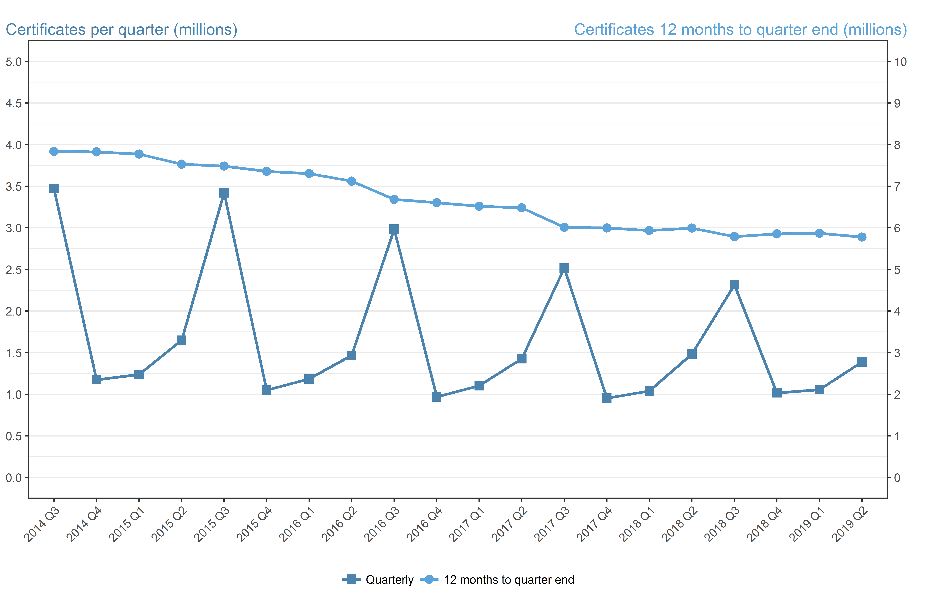
Period | Quarterly | 12 months to quarter end
Jul to Sep 2014 | 3,469,885 | 7,838,655
Oct to Dec 2014 | 1,174,430 | 7,826,525
Jan to Mar 2015 | 1,237,245 | 7,773,655
Apr to Jun 2015 | 1,649,860 | 7,531,425
Jul to Sep 2015 | 3,420,865 | 7,482,405
Oct to Dec 2015 | 1,049,635 | 7,357,605
Jan to Mar 2016 | 1,184,800 | 7,305,160
Apr to Jun 2016 | 1,467,380 | 7,122,680
Jul to Sep 2016 | 2,983,140 | 6,684,960
Oct to Dec 2016 | 967,750 | 6,603,075
Jan to Mar 2017 | 1,102,280 | 6,520,550
Apr to Jun 2017 | 1,427,430 | 6,480,600
Jul to Sep 2017 | 2,515,840 | 6,013,295
Oct to Dec 2017 | 952,870 | 5,998,420
Jan to Mar 2018 | 1,039,825 | 5,935,970
Apr to Jun 2018 | 1,483,040 | 5,991,575
Jul to Sep 2018 | 2,315,555 | 5,791,295
Oct to Dec 2018 | 1,016,595 | 5,855,015
Jan to Mar 2019 | 1,055,290 | 5,870,480
Apr to Jun 2019 | 1,389,040 | 5,776,480

