Cover Sheet
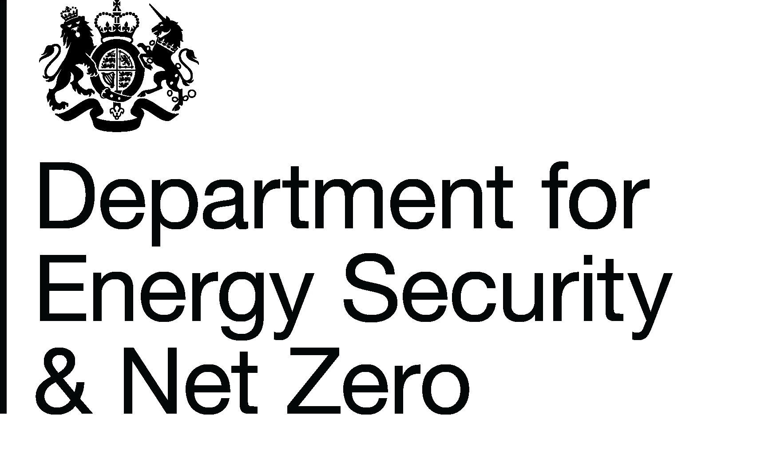
Energy Prices Domestic Prices
Regional variation of payment method for gas
Publication date: 28/03/2024
Data period: New data for quarter ending December 2023
Next update: 27/06/2024
About this data
Data in these tables shows the regional variation (Public Electricity Supplier region, for consistency with the electricity tables) of payment method for domestic gas customers.
Payment methods in this release are categorised as either Credit, Direct Debit or Prepayment.
Equivalent data for electricity is available in Table 2.4.2, see the Website link below for related series.
Further information
Quarterly Energy Prices Publication (opens in a new window)
Quarterly domestic energy customer number proportions website (opens in a new window)
Domestic price statistics data sources and methodologies (opens in a new window)
Revisions policy and standards for official statistics (opens in a new window)
Digest of United Kingdom Energy Statistics (DUKES): glossary and acronyms (opens in a new window)
Contacts
Energy Prices Statistics Team
020 7215 5073
energyprices.stats@energysecurity.gov.uk
Press Office (media enquiries)
0207 215 1000
newsdesk@energysecurity.gov.uk

Chart
Chart 2.4.2: Regional variation of payment method for gas, United Kingdom, quarter ending December 2023
 | Direct Debit | Credit | Prepayment
London | 57 | 25 | 18
Merseyside & North Wales | 68 | 15 | 16
North West | 68 | 16 | 16
North East | 69 | 15 | 16
North Scotland | 69 | 16 | 15
South Scotland | 69 | 17 | 14
Yorkshire | 69 | 16 | 15
South Wales | 70 | 15 | 15
West Midlands | 70 | 16 | 13
Eastern | 73 | 17 | 10
East Midlands | 74 | 15 | 11
South East | 75 | 16 | 10
South West | 75 | 15 | 10
Southern | 77 | 15 | 8

Return to Contents Page

