Title
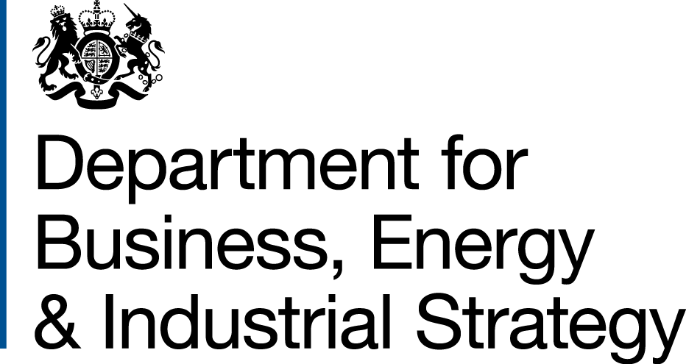

 | Non-Domestic and Domestic Renewable Heat Incentive (RHI)
 | monthly deployment data:
 | November 2018

Statistician responsible:
James White
James.White@beis.gov.uk
0300 068 8185

Chris Fairbanks
Chris.Fairbanks@beis.gov.uk
020 7215 2071

Press enquiries:
Joshua Snape
Joshua.Snape@beis.gov.uk
0207 215 3701

These statistics were published on 20 December 2018
These statistics will next be published on 17 January 2019

A publication timetable for all upcoming BEIS statistics is available online.

Key Statistics
Key Statistics, November 2018

User Engagement
Please note that we made a number of changes to our formats, tables and definitions in the prior Official Statistics. Please direct any comments on the new format and definitions, as well as anything that you would like us to consider for future development to james.white@beis.gov.uk.
The next monthly Official Statistics will be published on 17th January 2019 and will cover scheme data to the end of December 2018 - this edition will be an annual edition and will feature some additional tables.
The lastest quarterly tables covering scheme data to the end of September 2018 are available as 'hidden tables'. These can be accessed by right clicking on the worksheet bar and selecting 'Unhide'.
Renewable Heat Incentive, November 2011 - November 2018
 | Non-domestic scheme | Domestic scheme (new & legacy)
Full applications | 19,863 | 66,671
Full accreditations | 19,063 | 65,301
Total installated capacity of full applications (MW) | 5,019.2 | N/A - capacity estimates based on accredited applications
Total installated capacity of accredited full applications (MW) | 4,376.5 | 830.6
Tariff Guarantess (Stage 1 and 2) | 54 | N/A
Total capacity of Tariff Guarantees (Stage 1 and 2) (MW) | 125.9 | N/A
Heat paid for (GWh) | 28,871 | 3,184
Monthly Key Statistics
NON-DOMESTIC
The non-domestic RHI has now been active for 7 years. To date, there are 19,063 full accreditted installations, of which over 80% are biomass. Biomass also accounts for 70% of the heat verified by meter readings to date, with a further 23% from biomethane. See Table 1.1 for a summary of full applications and accreditations at the end of November 2018 and Table 1.5 for more information on metered heat.
There were 74 full applications during November 2018 which contributed a total capacity of approximately 37 MW. In terms of both application volume and capacity this is similar to the average of the last 12 months but higher than November 2017. Almost half of the new applications were for Small or Medium Biomass. The trend of the last two months for larger heat pumps than previously seen on the scheme continued (5.9 MW Large Ground or Water-source Heat Pumps during November 2018 compared to an average of 3.0 MW during the prior 12 months). See Table M1.1, M1.2 and M1.3 for more information on applications over time.
The scheme administrator rejected 41 full biomethane applications in November 2018. These installations could not meet the eligibility requirements to be registered as producers for the scheme due to not having the necessary infrastructure to produce biogas that could then be injected into the grid.
Although the total net number of Tariff Guarantees remains unchanged, the composition by technology has changed slightly due to a small number of installations being rejected alongside a small number of new applications. Thirty-three installations have now been granted a tariff, the majority of which are for biomethane. See Table 1.6 for more information on Tariff Guarantees.
DOMESTIC
November 2018 was another month of high deployment for the domestic scheme. A total of 857 new installations applied for the scheme, which is higher than the average of the prior 12 months (627 applications) and November 2017 (691 applications). This follows a series of months of relatively low deployment in the first half of 2018. As with prior months, the majority of applications were for Air-source Heat Pumps. See Table M2.1 and M2.2 for more information on applications over time.
RHI Budget Management publications
The following budget management publications use data from the scheme administrator (Ofgem) and are updated monthly. Degression is a means of controlling the budget of the scheme (see the Glossary and Degression announcements tabs for more information).
RHI Non-domestic Degression: https://www.gov.uk/government/publications/rhi-mechanism-for-budget-management-estimated-commitments
RHI Domestic Degression: https://www.gov.uk/government/publications/domestic-rhi-mechanism-for-budget-management-estimated-commitments
BEIS also publishes monthly updates on the estimate of committed spend against the RHI budget cap. These can be found on the web pages above.

Scheme background
Scheme background
Non Domestic Scheme
The RHI scheme helps to bridge the gap between the cost of renewable heating systems and the conventional alternatives. The Non-domestic RHI opened in November 2011. It supports the installation of renewable and low-carbon heating by businesses, charities and the public sector, as well as systems supplying heat to more than one domestic property. Eligible technologies include heat pumps, biomass boilers, solar thermal panels, deep geothermal, biogas and biomethane for injection.
RHI payments are made to the owner of the installation for a 20 year period for heat that is generated and used for an eligible purpose such as space, water or process heating. Producers of biomethane for injection into the gas grid may also apply to the scheme. All installations must be fitted with heat meters to determine the amount of renewable heat production being used for an eligible purpose. Payments are calculated by multiplying this heat output (kWh) by the relevant tariff rate for the technology being used (pence per kWh).
The scheme is administered by Ofgem E-serve. For more information on scheme policy please see the Non-domestic RHI webpage (https://www.gov.uk/non-domestic-renewable-heat-incentive) or the Ofgem non-domestic RHI website (https://www.ofgem.gov.uk/environmental-programmes/non-domestic-rhi) for guidance on eligibility criteria and how to apply.
Domestic Scheme
The Domestic RHI supports the installation of renewable and low-carbon-heating by individual households. The scheme opened in April 2014. RHI Payments are made over a 7 year period and, in most cases, will be estimated using values from the dwelling’s Energy Performance Certificate (EPC).
New applications can be made at any point, provided it is within 12 months of the commissioning of the system. Eligible technologies on the Domestic RHI scheme include air source heat pumps, ground source heat pumps, biomass boilers, biomass stoves with integrated boilers and solar thermal panels. All systems must be certified and installed under the Microgeneration Certification Scheme (MCS) or an equivalent scheme in order to qualify for payments.
Before applying for the Domestic RHI, applicants must install loft and cavity wall insulation where these measures are recommended by their EPC, unless there are valid reasons not to.
The scheme is administered by Ofgem E-serve. For more information on scheme policy please see the Domestic RHI webpage (https://www.gov.uk/domestic-renewable-heat-incentive), or the Ofgem domestic RHI website (https://www.ofgem.gov.uk/environmental-programmes/domestic-rhi) for guidance on eligibility criteria and how to apply.

