Index
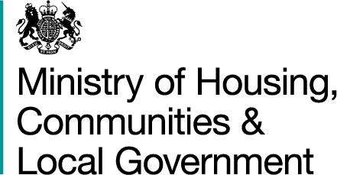

Quarterly Revenue Outturn (QRO): up to Quarter 1 2018-19
updated 11 October 2018

Metadata | Background information about how these statistics are derived and key points from this release

Live Table | Local authority expenditure in England during the financial year, broken down by quarter (Q1-Q3): Q1 2010–11 to Q1 2018-19

LA Drop Down | Local authority expenditure in England during the current financial year, up to Q1 2018-19 and forecast full year expenditure for 2018-19, by local authority

QRO LA Data Q1 2017-18 | Individual local authority expenditure data, England, Q1 2017-18

QRO LA Data Q2 2017-18 | Individual local authority expenditure data, England, Q2 2017-18

QRO LA Data Q3 2017-18 | Individual local authority expenditure data, England, Q3 2017-18

QRO LA Data Q1 2018-19 | Individual local authority expenditure data, England, Q1 2018-19

QRO Forecast LA Data 2018-19 | Individual local authority expenditure data, England, forecast 2018-19

SR Table 1 | Statistics Release Table 1, Estimated Quarterly Revenue Outturn data for England up to Q1 2018-19 compared to Budget figures provided in the Revenue Account

SR Table 2 | Statistics Release Table 2, Forecast full year Revenue Outturn data for England provided in Q1 2018-19 compared to Budget figures provided in the Revenue Account

