Cover sheet
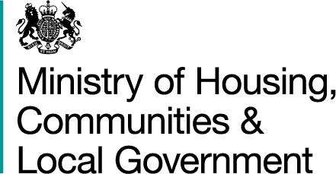

Local Authority Green Belt Statistics
Accompanying Tables

Editor: Katherine Harris
Ministry of Housing, Communities and Local Government: London
Published: 04/10/2018
Crown copyright © 2018

