Front Page
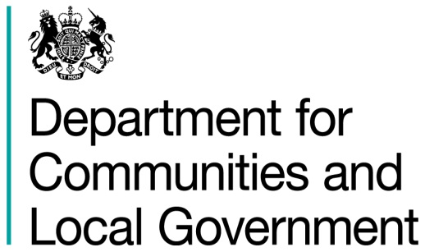
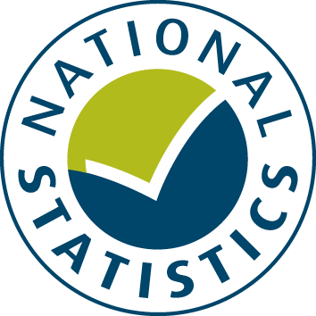

General Fund Revenue Account Outturn
RO1 - EDUCATION SERVICES 2016-17

This table provides a summary of local authority expenditure on Education service spend in England for 2016-17. This includes detail on specific Education services such as Primary Schools and Secondary Schools.

Data from this workbook have been used to compile the National Statistics release "Local Authority Revenue Expenditure and Financing: 2016-17 Final Outturn, England" which was published on 16 November 2017. This is found at:

https://www.gov.uk/government/collections/local-authority-revenue-expenditure-and-financing

The workbook contains revenue outturn data of local authority revenue expenditure and financing for the financial year April 2016 to March 2017. These estimates are on a non-International Accounting Standard 19 (IAS19) and PFI “Off Balance Sheet” basis except where stated otherwise.

Relevant information to revenue data for 2016-17

Please note: The data is based on complete returns from 444 of the 446 local authorities in England. We did not receive a return from Isles of Scilly or Dorset Police. They have been imputed for and included in the England total but not identified seperately.

This is an interactive spreadsheet where by using the drop-down button in the 'LA drop-down' sheet you can produce the summary page by England, classification and individual local authority level.

The spreadsheet has been compiled by the Data, Analytics and Statistics division of the Department for Communities and Local Government.

We welcome comments and suggestions for further improvement or about your experiences with this product. This may include comments on data quality, timing and the format of the statistics. Please contact us at:

lgf1.revenue@communities.gsi.gov.uk

LA drop-down
Revenue Outturn (RO) 2016-17: Education Services (RO1) data for ENGLAND

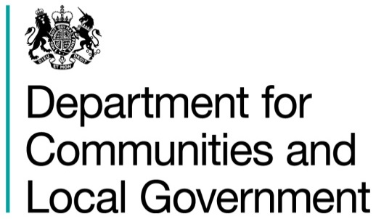

 | Select local authority by clicking on the box below and using the drop-down button:
 | ENGLAND |  |  |  |  |  |  |  | £ thousand

 |  |  | Employees | Running Expenses | Total Expenditure | Sales, Fees and Charges | Other Income | Total Income | Net Current Expenditure
 |  |  | (C1) | (C2) | (C3 = C1 + C2) | (C4) | (C5) | (C6 = C4 + C5) | (C7 = C6 - C3)
 |  |  | 1 | 2 | 3 | 4 | 5 | 6 | 7
 | Schools
 | 10 | Early years | 438,096 | 2,244,983 | 2,683,079 | 69,967 | 101,955 | 171,921 | 2,511,158
 | 20 | Primary schools | 13,319,004 | 5,581,970 | 18,900,973 | 732,485 | 1,005,324 | 1,737,809 | 17,163,164
 | 30 | Secondary schools | 4,849,503 | 2,852,073 | 7,701,576 | 336,324 | 398,819 | 735,143 | 6,966,434
 | 40 | Special schools and alternative provision | 1,890,162 | 1,970,541 | 3,860,703 | 131,000 | 300,156 | 431,156 | 3,429,547

 | 45 | Post-16 provision | 93,264 | 415,425 | 508,689 | 12,771 | 17,979 | 30,749 | 477,939
 | 65 | Other education and community budget | 1,346,670 | 2,240,896 | 3,587,566 | 306,700 | 446,872 | 753,572 | 2,833,994

 | 90 | TOTAL EDUCATION SERVICES | 21,936,698 | 15,305,888 | 37,242,586 | 1,589,246 | 2,271,105 | 3,860,351 | 33,382,235

 | Source: Department for Communities and Local Government Revenue Outturn (RO) returns 2016-17 - RO1 data

 | 1. Produced on a non-IAS19 and PFI "Off Balance Sheet" basis unless stated otherwise |  |  |  |  |  |  |  | Last Updated: 16 November 2017

