Title


 | Non-Domestic RHI and Domestic RHI
 | monthly deployment data:
 | March 2017

Prepared by:
Nick Simmons
Nicholas.Simmons@beis.gov.uk
0300 068 8491

Statistician responsible:
Gary Smith
Gary.Smith@beis.gov.uk
0300 068 5657

This workbook was updated on 20 April 2017
This workbook will next be updated on 18 May 2017

A publication timetable for all upcoming BEIS statistics is available online.

Key Statistics
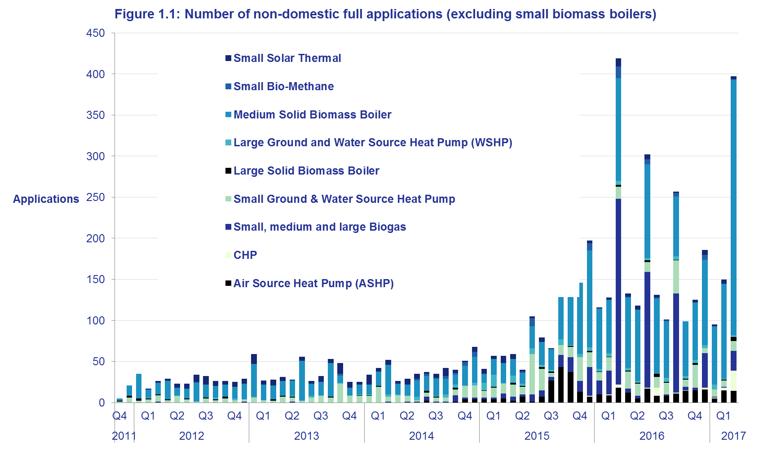
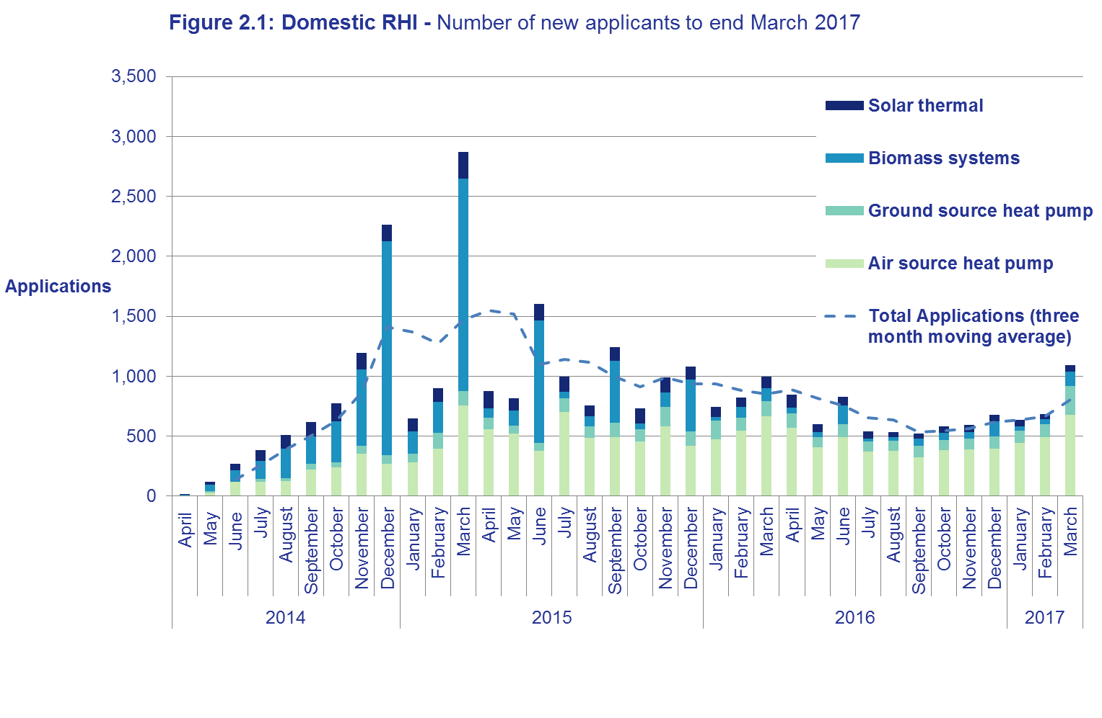
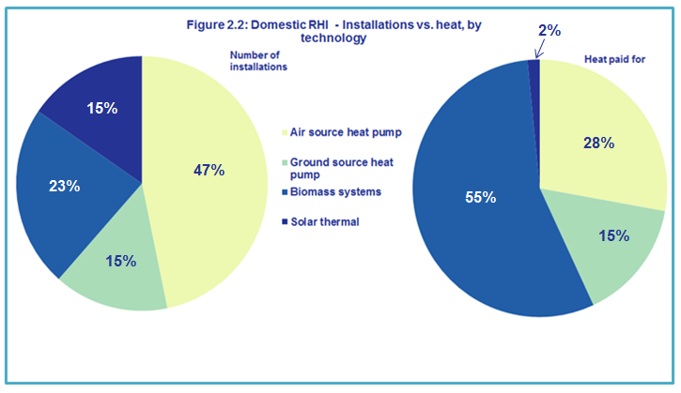
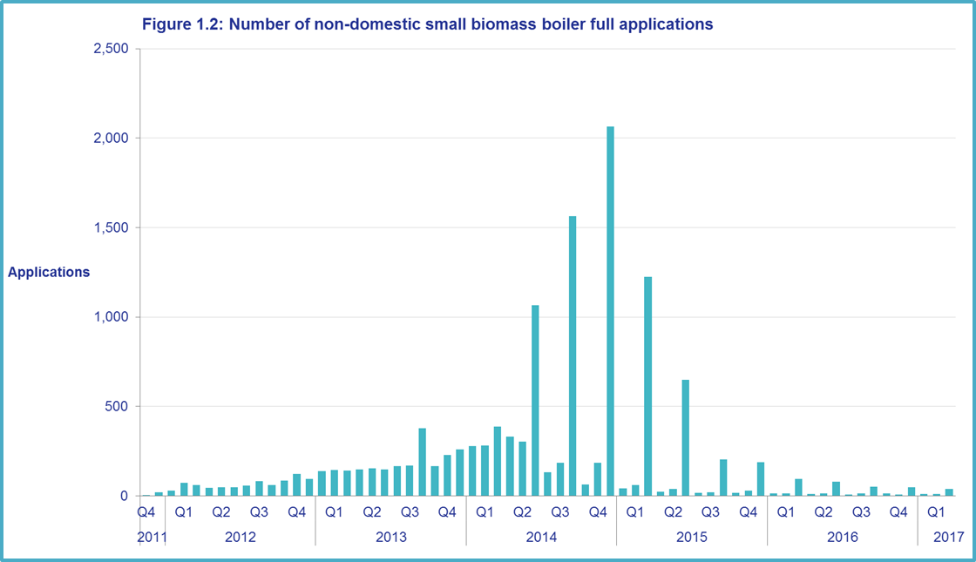
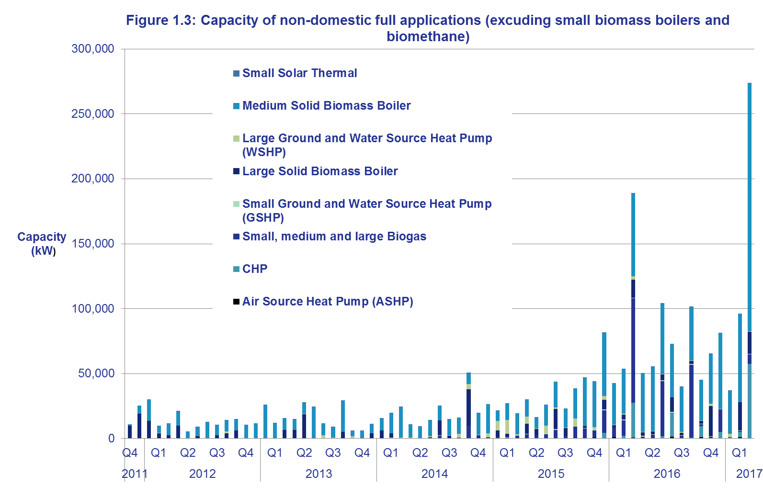
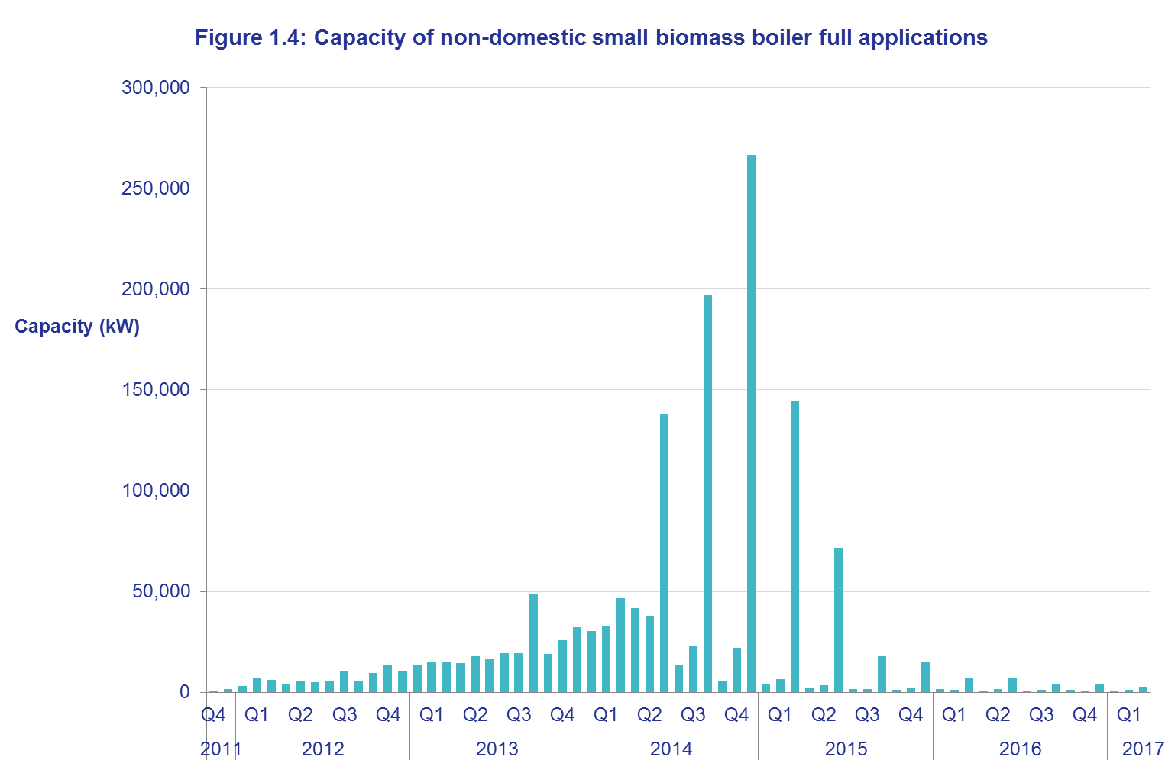
Key Statistics, March 2017

User Engagement
We welcome feedback from the users of our statistics. If you have any questions or comments on the statistics, please contact the RHI Statistics team using the contact details on the Title tab.
A number of users have requested updated information on the average installation costs of RHI installations. These tables covering data from the launch of the scheme to the end of the 2016/17 financial year (March 2017) can be found in Table 1.9 (non-domestic) and Table 2.13 (domestic).
The next monthly RHI statistics release will be published on Thursday 18 May 2017.
Renewable Heat Incentive, November 2011 - March 2017
 | Non-domestic scheme | Domestic scheme (new & legacy)
Full applications | 18,019 | 58,875
Full accreditations | 16,661 | 54,971
Installations that have received payment | 15,793 | 54,374
Heat generated and paid for (GWh) | 13,691 (including Biomethane injected to grid) | 1,627

Non-domestic summary
There have been 18,019 applications to the scheme since it launched in 2011. Of these applications, 16,661 have been accredited for payment on the scheme. To date, 71% of applications have been from small biomass boilers and they account for 76% of accredited installations (see Table 1.1). However, there has been a drop in small biomass applications over the last two years (see Figure 1.2 below).
There are 2,738 medium biomass boiler applications at the end of March 2017; this is a 23% increase on the number of applications as at the end of December 2016 (2,267). In the same period, the number of CHP full applications was up from 21 to 50. The majority of applications occurred during the last month of the quarter. 69% of the Q1 2017 medium biomass applications occurred in March (see Figure 1.2). This trend away from smaller installations to larger technologies is having an impact on increasing the average maximum capacity of installations.
The non-domestic scheme has generated over 13 TWh of heat to date (see Table 1.4). The majority of heat generated and paid for on the scheme has come from small biomass (37%), medium biomass (27%), biomethane (19%) and large biomass (14%). It should be noted that the heat production from a biomethane installation "ramps up" to a plateau over time, so the first few quarters of operation often produce less heat than later quarters.
There were 701 full applications to the non-domestic scheme in Q1 2017, compared with 784 applications in Q1 2016 (see Table 1.7).
Degression is a means of controlling the budget of the scheme (see the Glossary and Degression announcements tabs for more information). The most recent tariff changes on the non-domestic scheme due to degression came into effect on 1st April 2017 (announced in January 2017). Biogas, biomethane and small biomass had tariff reductions.
Table 1.9 shows mean and median non-domestic installation costs by technology and capacity. The general trend is that, for all technologies apart from biomethane, the mean cost is larger than the median cost. This is due to relatively few large, more expensive installations on the scheme.
Domestic summary
There have been 58,875 applications for the domestic scheme since it launched in April, 2014. Of these applications, 54,971 have been accredited for payment on the scheme. 48% of all applications are for Air Source Heat Pumps (ASHPs) (Table 2.1).
Patterns of deployment differ across geographical regions - for example, one third of applications in Scotland are biomass (compared with an average of 20% in other regions). Over half of all applications in London are Solar Thermal (compared with an average of just 15% - in other regions). You can see applications and accreditations at Regional level in Table 2.3 and Local Authority level in Table 2.11.
Ground Source Heat Pumps (GSHPs) do not show radical deployment differences between geographic regions, but are often installed in new-builds (which partially explains why almost half of GSHP applications are listed as having 'Other/NA' for their previous fuel in Table 2.4). The majority of RHI applications are in buildings that are off the gas grid (Table 2.7).
In Q1 2017, there were 2,519 applications to the scheme, comparable to the same quarter in 2016 which had 2,609 applications. March 2017 saw the highest number of applications (1,137) since September 2015. You can see applications over time in Table 2.8 and Figure 2.1.
The domestic-scheme has generated over 1.6 TWh heat to date. Biomass systems account for 55% of this. Table 2.10 shows the proportion of heat generated and paid for to the end of March 2017 by technology.
The largest proportion of installations that have received payment are ASHPs, which account for almost half of all installations that have received payment and 28% of all of heat generated and paid for. By contrast, Biomass accounts for over half of heat generated and paid for to date (55%), but only around a quarter of installations in payment (see Figure 2.2).
In March 2017, we updated our estimates of the average installation capacity and design SPF on the domestic scheme (using data up to the end of February 2017), including updating the methodology for calculating average capacities. SPF is an indicator of the efficiency of heat pumps. You can see the new estimates on Table 2.12.
Table 2.13 shows mean and median domestic installation costs by technology and capacity. The general trend is that as the capacity at a technology level increases, the cost per kW decreases.

Scheme background
Scheme background
A reformed and refocused RHI scheme
In March 2016, the Government set out its initial proposals for reform of the RHI scheme in the consultation: The Renewable Heat Incentive - A reformed and refocused scheme. The consultation ran from 3 March to 27 April 2016.
The official response to this consultation was published on 14 December 2016. It can be found on the BEIS section of GOV.UK.
https://www.gov.uk/government/consultations/the-renewable-heat-incentive-a-reformed-and-refocused-scheme
The Government Response outlines a number of reforms to the scheme, which may result in future changes to the presentation of RHI Official Statistics in order to capture new or reformed elements (e.g. inclusion of tariff guarantee applications). Any changes will only be implemented in the Official Statistics after the changes outlined in the Government Response are implemented.
Non Domestic RHI
RHI payments are made to the owner of the heat installation, or producer of bio-methane for injection to the gas grid, over a 20 year period and tariff levels have been calculated to bridge the financial gap between the cost of conventional and renewable heat systems. The non-domestic phase of the RHI opened in November 2011.
Currently applicants may apply to receive payments on systems installed and commissioned any time after 15 July 2009 and for heat generated for a prescribed purpose such as space, water or process heating (not for electricity production). Producers of bio-methane for injection can also apply for registration. Installations below 45kW capacity must be certified under the Microgeneration Certification Scheme (MCS).
All participating systems must be fitted with meters to determine the portion of renewable heat production being used for an eligible purpose. Payment is calculated by multiplying this heat output (kWh) by the relevant tariff rate for the technology being used (pence per kWh).
The scheme is administered by Ofgem E-serve. For more information please see the RHI webpage in relation to the policy or the Ofgem E-serve webpage for how to apply, and scheme eligibility and guidance.
Domestic RHI
The domestic RHI is an incentive scheme where participants receive tariff payments for the heat generated from an eligible renewable heating system which is heating a single dwelling. Payments are made over a 7 year period and tariff levels for each eligible technology have been calculated to bridge the financial gap between the cost of renewable and off-gas heating systems.
The eligible technologies are air source heat pumps, ground source heat pumps, biomass boilers, biomass stoves with integrated boilers and solar thermal panels. All systems must be installed under the Microgeneration Certification Scheme (MCS) or an equivalent scheme. MCS is an independent mark of quality assurance for microgeneration products and their proper installation.
In most cases, the amount of renewable heat generated will be estimated (‘deemed’). However, in some cases involving heat pumps and biomass systems, it will be assessed on meter readings, for example, where there is a secondary heating system in place. For heat pumps and biomass systems, the deemed heat generation is estimated using values from the Energy Performance Certificate (EPC) of the relevant residence. An EPC contains values for the space heating and hot water demands of the property which have been calculated based on the physical characteristics of the dwelling. For solar thermal systems, the deemed amount is based on a calculation done by the MCS installer. In cases where metering is required, readings are used as the basis for working out RHI payments, capped at the deemed amount for that dwelling. In all cases, payment is calculated by multiplying the heat demand for the property by the tariff rate (pence per kWh), and for heat pumps the seasonal performance factor is also used in the calculation.
Before applying for the RHI, applicants must install loft and cavity wall insulation where these measures are recommended by their EPC, unless there are valid reasons not to. An updated EPC will be needed as evidence of their installation.
The scheme is administered by Ofgem E-serve. Please see the RHI webpage in relation to the policy or the Ofgem E-serve webpage for how to apply, and scheme eligibility and guidance.
The scheme opened on 9 April 2014 and applicants may claim for eligible systems which were installed after 15 July 2009. Anyone who installs their heating system after 9 April 2014 can apply at any point, provided it is within 12 months of the commissioning of the system. Those who installed their heating system prior to 9 April 2014 had until 9 April 2015 to make their application.
In March 2016, HMG consulted on proposals to reform the scheme.

