Table C9
Table C9: Breakdown of UK Bilateral ODA, 2014

 | Specific programmes / funds managed by international organisations | Project-type interventions (incl multi-region/ centrally managed programmes) | Core support to NGOs & other private bodies | In-donor expenditure | Other
Total Bilateral | 0.67706675281 | 0.32288644638
Region/ country unspecified | 0.343 | 0.256 | 0.1784 | 0.1784 | 0.044
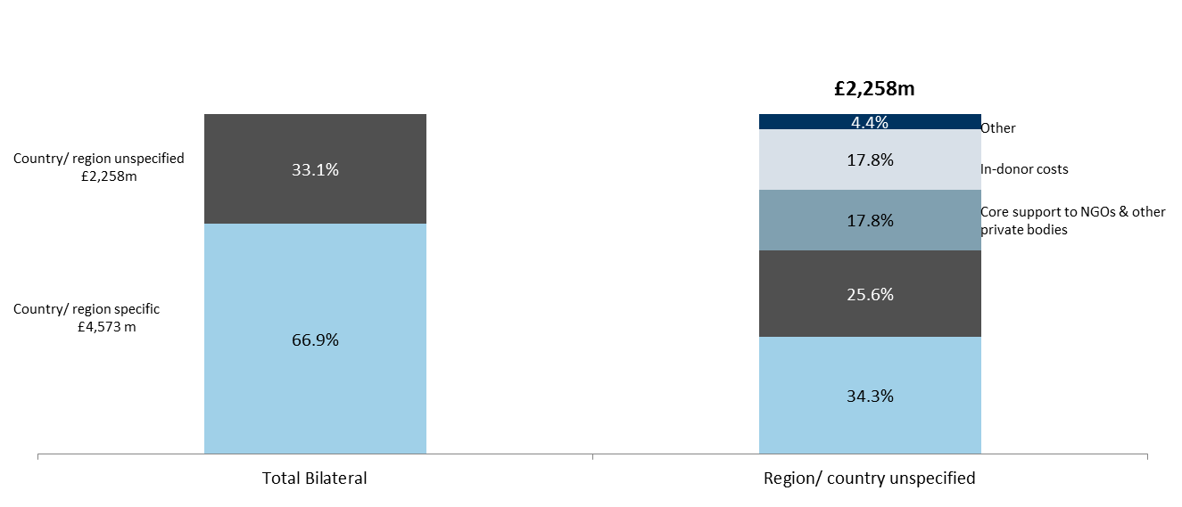
£6,831m
 | % of UK Bilateral ODA
Country/ region specific | 66.9%
Country/region unspecified | 33.1%
of which:
Specific programmes / funds managed by international organisations | 34.3%
Project-type interventions (incl multi-region/ centrally managed programmes) | 25.6%
Core support to NGOs & other private bodies | 17.8%
In-donor expenditure | 17.8%
Project-type interventions (incl multi-region/ centrally managed programmes)
Other | 4.4%

Specific programmes / funds managed by international organisations

