Cover
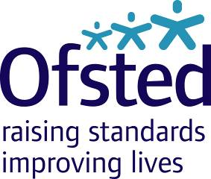

Outstanding Providers list
2014/15

Published 1 December 2015

