List of tables
Correction notice 16.07.15
While producing the data for 2014-15, it emerged that there was an error in the 2013-14 dataset for two measures in Table 18 leading to some missing values being included in the calculation. After rounding, levels of anxiety in 2013-14 have been corrected from 2.8 to 2.9 and levels of feeling worthwhile have been corrected from 7.8 to 7.9. This does not affect any other tables.
Cabinet Office apologises for any inconvenience caused.

Table List

Ready Reckoner
Further Details for ready reckoner
Further table information
Table 1: Participation in civic engagement and voluntary activities, 2001 to 2013-14
Table 2: Participation in civic engagement and formal volunteering at least once in the last year, by sex, age, ethnicity and disability, 2007-08 to 2013-14
Table 3: Participation in voluntary activities, by age, ethnicity, employment status and region, 2010-11 to 2013-14
Table 4: Participation in any voluntary activities, by sex, age and region, 2010-11 to 2013-14
Table 5: Charitable giving by sex, age, ethnicity and region, 2005 to 2013-14
Table 6: Amount given to charity in the 4 weeks prior to interview, 2005 to 2013-14
Table 7: Whether people are aware of or involved in social action in their local area at least once in the last year by sex and age, 2012-13 to 2013-14
Table 8: Extent to which people in the neighbourhood pull together to improve the neighbourhood, 2003 to 2013-14
Table 9: Whether people chat to their neighbours at least once a month by sex, age and ethnicity 2013-14
Table 10: Whether people feel that they belong strongly to their neighbourhood and Britain, 2005 to 2013-14
Table 11: Whether people feel that they belong strongly to their neighbourhood and Britain, by sex, age and ethnicity, 2009-10 to 2013-14
Table 12: Satisfaction with local area, 2008-09 to 2013-14
Table 13: Community cohesion, by sex, age, ethnicity and Region, 2003 to 2013-14
Table 14: Whether people feel able to influence decisions affecting their local area, 2001 to 2013-14
Table 15: Whether people feel able to influence decisions affecting their local area, by sex, age and ethnicity, 2010-11 to 2013-14
Table 16: How important is it for you personally to feel you can influence decisions in your local area, 2007-08 to 2013-14
Table 17: Whether people would like to be more involved in decisions made by their local council, 2007-08 to 2013-14
Table 18: Average rating for Wellbeing measures, 2012-13 to 2013-14
Table 19: How often people felt lonely, 2013-14
Table 20: Whether people borrow things and exchange favours with their neighbours, 2012-13 to 2013-14
Table 21: Whether people think that their local area has got better or worse to live in over the past two years, 2007-08 to 2013-14

Further details
Statistical Significance:a result is called statistically significant if it is unlikely to have occurred by chance. In this case we have used the 5% significance level (this level is used most often), this means there is less than a 1 in 20 chance of a difference occurring by chance. In this test, whether the figures are significantly different depends on the size of the difference, the number of respondents the figures are based on (figures based on a large sample size are more accurate) and any design effects due to sampling.

Examples

 | % agreeing | Respondents |  |  | % agreeing | Respondents |  | % agreeing | Respondents
Male | 40 | 1,008 |  | 2005 | 81 | 8,751 | Ethnic minority groups | 55 | 212
Female | 38 | 1,185 |  | 2009-10 | 82 | 8,307 | White | 62 | 2,049

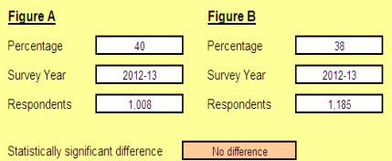
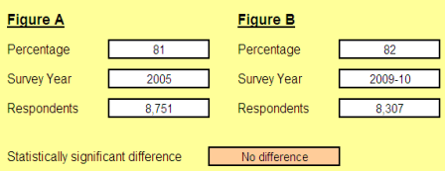


For further information please contact: |  |  | CommunityLife@cabinet-office.gsi.gov.uk

