Cover
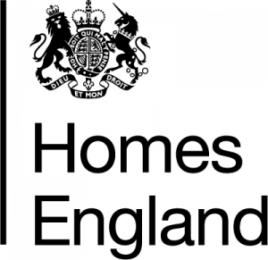

 |  | Making homes happen

 | Housing Statistics Tables
 | 1 April 2021 – 31 March 2022
 | Published 23 June 2022

enquiries@homesengland.gov.uk
0300 1234 500
gov.uk/homes-england

