Contents


Family Resources Survey, 2020/21
Methodology and Standard Error Tables

Published: 31 March 2022
Next Publication: March 2023
Coverage: United Kingdom, Great Britain
Frequency: Annual

Contents

To access data tables, select the table headings or tabs.
To return to contents click "Back to contents" link at the top of each page.

Table | Table Description
M.1 | Response in the FRS, 2020/21, United Kingdom
M.2 | Regional response rates, 2020/21, United Kingdom
M.3 | Distribution of households in each Council Tax band by country, FRS and administrative data, 2020/21, Great Britain
M.4 | Summary of imputation in the FRS, 2019/20 and 2020/21, United Kingdom
M.5 | Extent of imputation, 2020/21, United Kingdom
M.6a | Receipt of state support, FRS data and administrative data, 2020/21, Great Britain
M.6b | Average weekly receipt of state support, FRS data and administrative data, 2020/21, Great Britain
M.7 | Distribution of FRS interview lengths, 2020/21, Great Britain
M.8 | Percentage of adults shown in receipt of DWP benefits, FRS and administrative data, 2020/21, Great Britain
SE.1 | Standard errors for household composition, 2020/21, United Kingdom
SE.2 | Standard errors for Council Tax band, 2020/21, Great Britain
SE.3 | Standard errors for components of total weekly household income, 2020/21, United Kingdom
SE.4 | Standard errors for state support receipt, 2020/21, United Kingdom
SE.5 | Standard errors for tenure and accommodation type, 2020/21, United Kingdom
SE.6 | Standard errors for types of account held, 2020/21, United Kingdom
SE.7 | Standard errors for employment status, 2020/21, United Kingdom
SE.8 | Standard errors for amount of savings and investments, 2020/21, United Kingdom

Contacts

Lead Statistician: M A Vaughan
team.frs@dwp.gov.uk
Press enquiries: 0115 965 8781
We welcome feedback

Further Information

Website for this release, including supporting guides:
https://www.gov.uk/government/statistics/family-resources-survey-financial-year-2020-to-2021

M_8
Back to Contents
 |  |  |  | Percentage of adults shown in receipt of DWP benefits: FRS and administrative data,
Table M.8: Percentage of adults shown in receipt of DWP benefits: |  |  |  | 2020/21, Great Britain
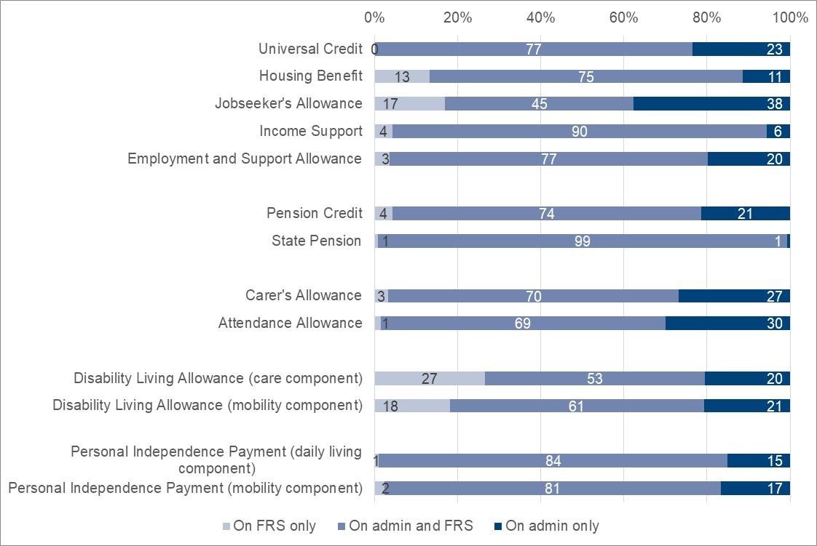
FRS and administrative data, 2020/21, Great Britain
 |  |  | Percentage of adults
Benefit type | On FRS only | On admin and FRS | On admin only

Universal Credit | 0 | 77 | 23
Housing Benefit | 13 | 75 | 11
Jobseeker's Allowance | 17 | 45 | 38
Income Support | 4 | 90 | 6
Employment and Support Allowance | 3 | 77 | 20

Pension Credit | 4 | 74 | 21
State Pension | 1 | 99 | 1

Carer's Allowance1 | 3 | 70 | 27
Attendance Allowance | 1 | 69 | 30

Disability Living Allowance (Care)2 | 27 | 53 | 20
Disability Living Allowance (Mobility)2 | 18 | 61 | 21

Personal Independence Payment (Daily Living)2 | 1 | 84 | 15
Personal Independence Payment (Mobility)2 | 2 | 81 | 17

1 Excludes cases where the weekly payment has been reduced to £0.
2 Excludes adults receiving on behalf of children.

