Front_Page
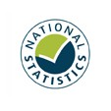

Breath test statistics
Police powers and procedures, 2020/21

Responsible Statistician: Jodie Hargreaves
crimeandpolicestats@homeoffice.gov.uk
Press enquiries: 020 7035 3535
Published: 14 December 2021
Crown copyright © 2020

Contents

