Front Page
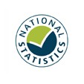

Statistics on the operation of police powers under the Terrorism Act 2000 and subsequent legislation
Year to June 2021: Annual Data Tables

Responsible Statistician: John Flatley
Enquiries: CTAI_Statistics@homeoffice.gov.uk
Published: 09 September 2021
Crown copyright © 2021

Contents

